Motion
Step 0: Before Insert
tDVRIGChannel |  |  |  | tDVRIGTrackers
KChannel | IntervalAlarm |  |  | KTracker | KChannel | StartX | StartY | Width | Height | EnSendEmail | EnableSound | WaveFile | UpdateBackground | AreaName | DetectionSize | DetectionSense | SoundDuration | FreshTime | ActiveTime | EnableControl | ControlNumber | ControlHour | ControlMinute | ControlSecond

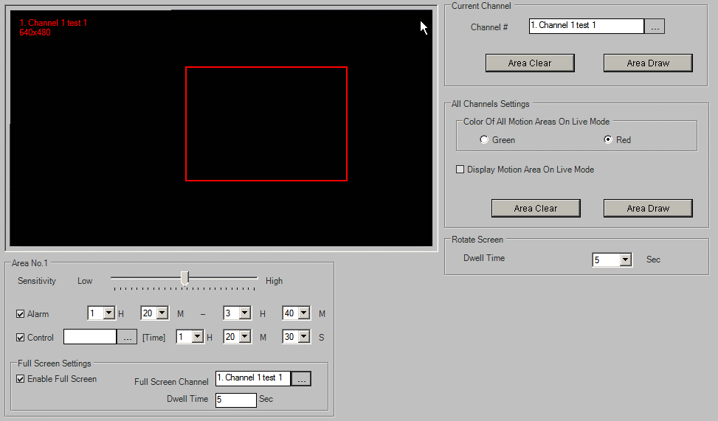
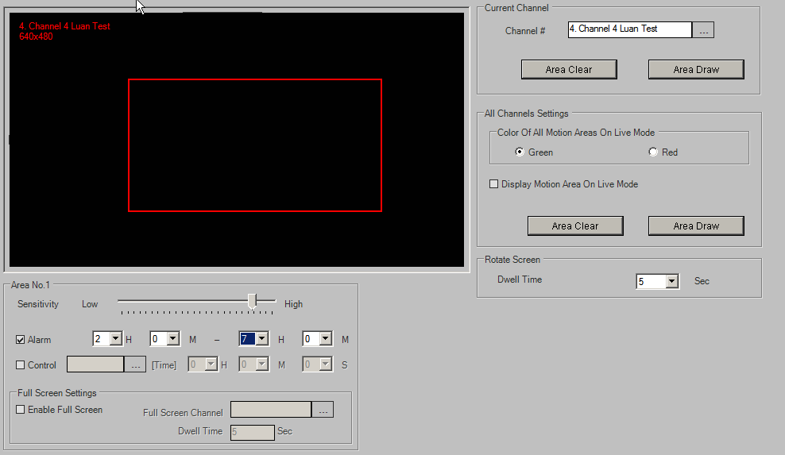
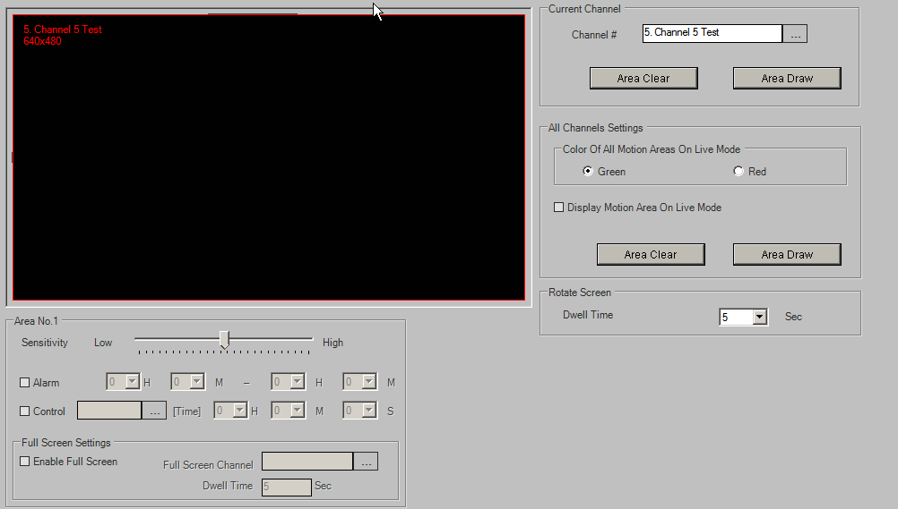
Step 1: Insert
tDVRMotionTrackers |  |  |  |  |  |  |  |  |  |  |  |  |  |  |  |  |  |  |  | tDVRMotionConfig
KTracker | KChannel | StartX | StartY | Width | Height | Sensitivity | ControlNo | EnableAlarm | EnableControl | DwellTime | AlarmEndHour | AlarmEndMinute | EnableFullScreen | FullScreenChannelNo | ControlHour | ControlMinute | ControlSecond | AlarmStartHour | AlarmStartMinute | KDVR | RotateDwellTime | Green | DisplayMotion
40067 | 10992 | 416 | 241 | 381 | 481 | 50 | 0 | 1 | 1 | 5 | 3 | 40 | 1 | 0 | 1 | 20 | 30 | 1 | 20 | 504 | 5 | 1 | 0
40068 | 10995 | 262 | 263 | 556 | 519 | 13 | 0 | 1 | 0 | 5 | 7 | 0 | 0 | 0 | 0 | 0 | 0 | 2 | 0
40069 | 10996 | 0 | 0 | 1000 | 1000 | 50 | 0 | 0 | 0 | 0 | 0 | 0 | 0 | 0 | 0 | 0 | 0 | 0 | 0

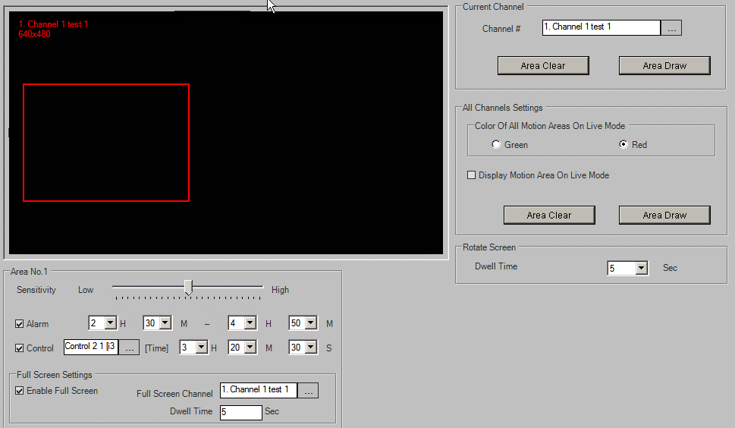
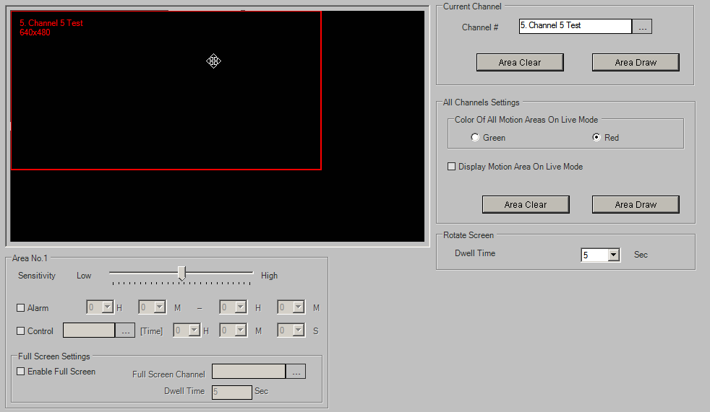
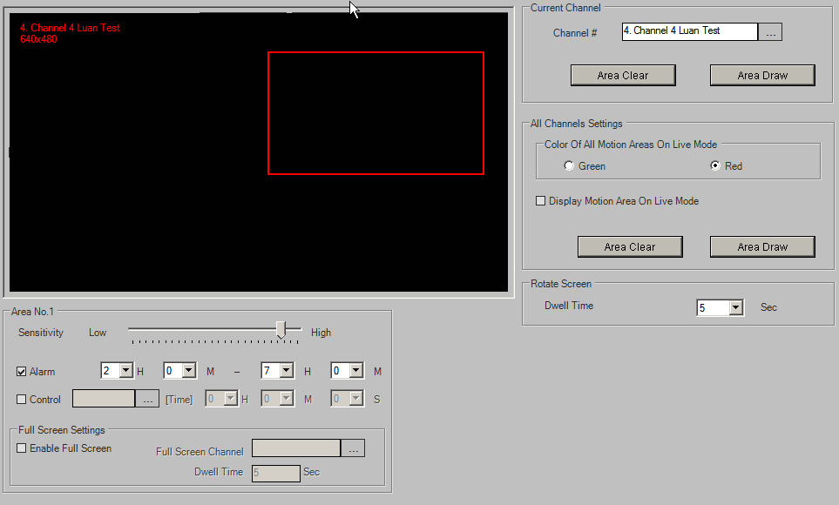
Step 2: Update
tDVRMotionTrackers |  |  |  |  |  |  |  |  |  |  |  |  |  |  |  |  |  |  |  | tDVRMotionConfig
KTracker | KChannel | StartX | StartY | Width | Height | Sensitivity | ControlNo | EnableAlarm | EnableControl | DwellTime | AlarmEndHour | AlarmEndMinute | EnableFullScreen | FullScreenChannelNo | ControlHour | ControlMinute | ControlSecond | AlarmStartHour | AlarmStartMinute | KDVR | RotateDwellTime | Green | DisplayMotion
40070 | 10992 | 33 | 300 | 381 | 481 | 50 | 0 | 1 | 1 | 5 | 4 | 50 | 1 | 0 | 3 | 20 | 30 | 2 | 30 | 504 | 5 | 0 | 0
40071 | 10995 | 519 | 141 | 432 | 438 | 10 | 0 | 1 | 0 | 5 | 7 | 0 | 0 | 0 | 0 | 0 | 0 | 2 | 0
40072 | 10996 | 0 | 0 | 750 | 688 | 50 | 0 | 0 | 0 | 5 | 0 | 0 | 0 | 0 | 0 | 0 | 0 | 0 | 0

Step 3: Delete
tDVRMotionTrackers |  |  |  |  |  |  |  |  |  |  |  |  |  |  |  |  |  |  |  | tDVRMotionConfig
KTracker | KChannel | StartX | StartY | Width | Height | Sensitivity | ControlNo | EnableAlarm | EnableControl | DwellTime | AlarmEndHour | AlarmEndMinute | EnableFullScreen | FullScreenChannelNo | ControlHour | ControlMinute | ControlSecond | AlarmStartHour | AlarmStartMinute | KDVR | RotateDwellTime | Green | DisplayMotion
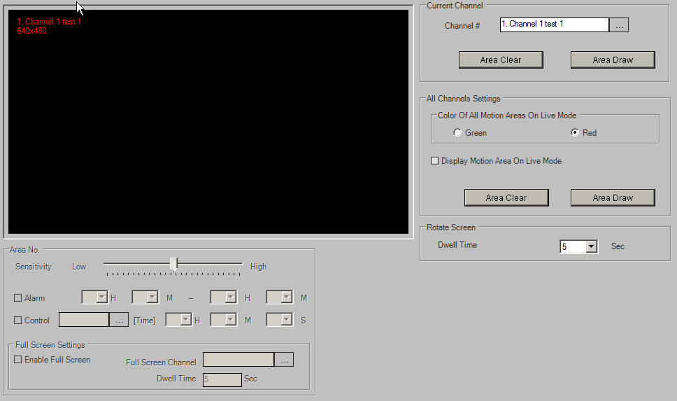
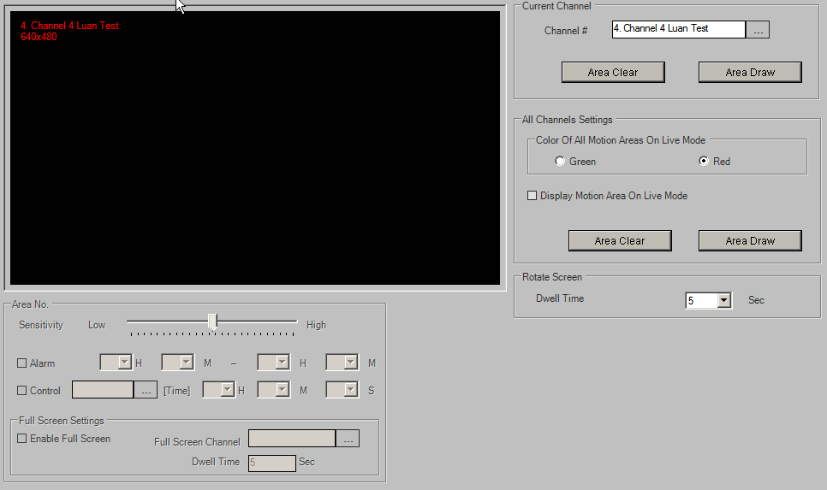
40072 | 10996 | 0 | 0 | 750 | 688 | 50 | 0 | 0 | 0 | 5 | 0 | 0 | 0 | 0 | 0 | 0 | 0 | 0 | 0 | 504 | 5 | 0 | 0

User Management
Step 0: Before Insert
tDVRUserConfig |  |  |  |  |  |  |  |  |  |  | tDVRLDAPGroup |  |  |  | tDVRUsers |  |  |  |  | tDVRUserPrivSetup |  |  |  |  | tDVRUserPrivOp |  |  |  |  | tDVRUserPrivChannel
KDVR | EnableAutoLogOut | TimeOutLogOut | LDAPEnable | LDAPServer | LDAPUsername | LDAPPassword | LDAPUseSSL | LDAPSyncInterval | LDAPPort | LDAPLimitEntryNumer |  |  |  |  | KUser | KDVR | UserName | Password | Usertype | KUser | KSetupPage | Description | KPrivilege | Mask | KUser | KOp | KPrivilege | Mask | Description | KUser | KChannel | KPrivilegeSearch | KPrivilegeLive | MaskSearch | MaskLive | DescriptionSearch | DescriptionLive

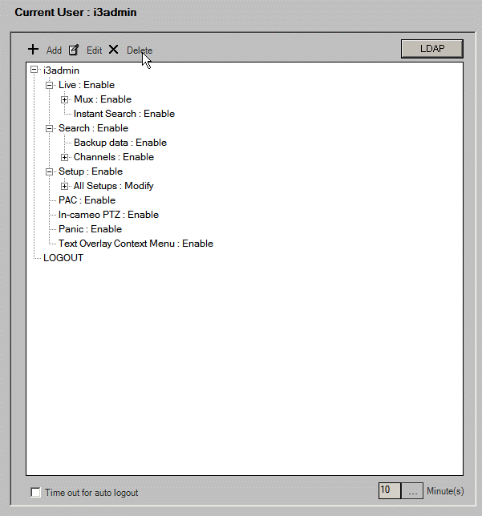
Step 1: Insert
tDVRUserConfig |  |  |  |  |  |  |  |  |  |  | tDVRLDAPGroup |  |  |  | tDVRUsers |  |  |  |  | tDVRUserPrivSetup |  |  |  |  | tDVRUserPrivOp |  |  |  |  | tDVRUserPrivChannel
KDVR | EnableAutoLogOut | TimeOutLogOut | LDAPEnable | LDAPServer | LDAPUsername | LDAPPassword | LDAPUseSSL | LDAPSyncInterval | LDAPPort | LDAPLimitEntryNumer | KGroup | KDVR | Profile | Group | KUser | KDVR | UserName | Password | Usertype | KUser | KSetupPage | Description | KPrivilege | Mask | KUser | KOp | KPrivilege | Mask | Description | KUser | KChannel | KPrivilegeSearch | KPrivilegeLive | MaskSearch | MaskLive | DescriptionSearch | DescriptionLive
504 | 0 | 10 | 0 |  |  |  | 0 | 0 | 389 | 0 |  |  |  |  | 2742 | 504 | i3admin | i3admin | admin | 2742 | 0 |  | 8 | 11 | 2742 | 0 | 16 | 17 |  | 2742 | 10992 | 16 | 4 | 17 | 7
 |  |  |  |  |  |  |  |  |  |  |  |  |  |  | 2743 | 504 | LOGOUT |  | logout | 2742 | 1 |  | 8 | 11 | 2742 | 1 | 16 | 17 |  | 2742 | 10993 | 16 | 4 | 17 | 7
 |  |  |  |  |  |  |  |  |  |  |  |  |  |  |  |  |  |  |  | 2742 | 2 |  | 8 | 11 | 2742 | 2 | 16 | 17 |  | 2742 | 10994 | 16 | 4 | 17 | 7
 |  |  |  |  |  |  |  |  |  |  |  |  |  |  |  |  |  |  |  | 2742 | 3 |  | 8 | 11 | 2742 | 3 | 16 | 17 |  | 2742 | 10995 | 16 | 4 | 17 | 7
 |  |  |  |  |  |  |  |  |  |  |  |  |  |  |  |  |  |  |  | 2742 | 4 |  | 8 | 11 | 2742 | 4 | 16 | 17 |  | 2742 | 10996 | 16 | 4 | 17 | 7
 |  |  |  |  |  |  |  |  |  |  |  |  |  |  |  |  |  |  |  | 2742 | 5 |  | 8 | 11 | 2742 | 5 | 16 | 17 |  | 2742 | 10997 | 16 | 4 | 17 | 7
 |  |  |  |  |  |  |  |  |  |  |  |  |  |  |  |  |  |  |  | 2742 | 6 |  | 0 | 0 | 2742 | 6 | 16 | 17 |  | 2742 | 10998 | 16 | 4 | 17 | 7
 |  |  |  |  |  |  |  |  |  |  |  |  |  |  |  |  |  |  |  | 2742 | 8 |  | 8 | 11 | 2742 | 21 | 16 | 17 | Instant Search in Live Mode | 2742 | 10999 | 16 | 4 | 17 | 7
 |  |  |  |  |  |  |  |  |  |  |  |  |  |  |  |  |  |  |  | 2742 | 9 |  | 8 | 11 | 2742 | 22 | 16 | 17 | Mux Mode in Live Mode | 2742 | 11000 | 16 | 4 | 17 | 7
 |  |  |  |  |  |  |  |  |  |  |  |  |  |  |  |  |  |  |  | 2742 | 10 |  | 8 | 11 | 2742 | 23 | 4 | 7 |  | 2742 | 11001 | 16 | 4 | 17 | 7
 |  |  |  |  |  |  |  |  |  |  |  |  |  |  |  |  |  |  |  | 2742 | 11 |  | 8 | 11 | 2742 | 24 | 16 | 17 |  | 2742 | 11002 | 16 | 4 | 17 | 7
 |  |  |  |  |  |  |  |  |  |  |  |  |  |  |  |  |  |  |  | 2742 | 12 |  | 8 | 11 | 2742 | 25 | 16 | 17 |  | 2742 | 11003 | 16 | 4 | 17 | 7
 |  |  |  |  |  |  |  |  |  |  |  |  |  |  |  |  |  |  |  | 2742 | 13 |  | 8 | 11 | 2742 | 26 | 8 | 11 | Permissions of operating each setup page | 2742 | 11004 | 16 | 4 | 17 | 7
 |  |  |  |  |  |  |  |  |  |  |  |  |  |  |  |  |  |  |  | 2742 | 14 |  | 8 | 11 | 2742 | 27 | 0 | 0 | RealTime Live Mode | 2742 | 11005 | 16 | 4 | 17 | 7
 |  |  |  |  |  |  |  |  |  |  |  |  |  |  |  |  |  |  |  | 2742 | 15 |  | 8 | 11 | 2743 | 0 | 0 | 17 |  | 2742 | 11006 | 16 | 4 | 17 | 7
 |  |  |  |  |  |  |  |  |  |  |  |  |  |  |  |  |  |  |  | 2742 | 16 |  | 8 | 11 | 2743 | 1 | 0 | 17 |  | 2742 | 11007 | 16 | 4 | 17 | 7
 |  |  |  |  |  |  |  |  |  |  |  |  |  |  |  |  |  |  |  | 2742 | 17 |  | 0 | 0 | 2743 | 2 | 0 | 17 |  | 2742 | 11008 | 16 | 4 | 17 | 7
 |  |  |  |  |  |  |  |  |  |  |  |  |  |  |  |  |  |  |  | 2742 | 18 |  | 8 | 11 | 2743 | 3 | 0 | 17 |  | 2742 | 11009 | 16 | 4 | 17 | 7
 |  |  |  |  |  |  |  |  |  |  |  |  |  |  |  |  |  |  |  | 2742 | 19 |  | 8 | 11 | 2743 | 4 | 0 | 17 |  | 2742 | 11010 | 16 | 4 | 17 | 7
 |  |  |  |  |  |  |  |  |  |  |  |  |  |  |  |  |  |  |  | 2742 | 20 |  | 8 | 11 | 2743 | 5 | 0 | 17 |  | 2742 | 11011 | 16 | 4 | 17 | 7
 |  |  |  |  |  |  |  |  |  |  |  |  |  |  |  |  |  |  |  | 2742 | 21 |  | 8 | 11 | 2743 | 6 | 0 | 17 |  | 2742 | 11012 | 16 | 4 | 17 | 7
 |  |  |  |  |  |  |  |  |  |  |  |  |  |  |  |  |  |  |  | 2742 | 22 |  | 0 | 0 | 2743 | 21 | 0 | 17 | Instant Search in Live Mode | 2742 | 11013 | 16 | 4 | 17 | 7
 |  |  |  |  |  |  |  |  |  |  |  |  |  |  |  |  |  |  |  | 2742 | 23 |  | 0 | 0 | 2743 | 22 | 0 | 17 | Mux Mode in Live Mode | 2742 | 11014 | 16 | 4 | 17 | 7
 |  |  |  |  |  |  |  |  |  |  |  |  |  |  |  |  |  |  |  | 2743 | 0 |  | 0 | 11 | 2743 | 23 | 0 | 7 |  | 2742 | 11015 | 16 | 4 | 17 | 7
 |  |  |  |  |  |  |  |  |  |  |  |  |  |  |  |  |  |  |  | 2743 | 1 |  | 0 | 11 | 2743 | 24 | 0 | 17 |  | 2742 | 11016 | 16 | 4 | 17 | 7
 |  |  |  |  |  |  |  |  |  |  |  |  |  |  |  |  |  |  |  | 2743 | 2 |  | 0 | 11 | 2743 | 25 | 0 | 17 |  | 2742 | 11017 | 16 | 4 | 17 | 7
 |  |  |  |  |  |  |  |  |  |  |  |  |  |  |  |  |  |  |  | 2743 | 3 |  | 0 | 11 | 2743 | 26 | 0 | 11 | Permissions of operating each setup page | 2742 | 11018 | 16 | 4 | 17 | 7
 |  |  |  |  |  |  |  |  |  |  |  |  |  |  |  |  |  |  |  | 2743 | 4 |  | 0 | 11 | 2743 | 27 | 0 | 0 | RealTime Live Mode | 2742 | 11019 | 16 | 4 | 17 | 7
 |  |  |  |  |  |  |  |  |  |  |  |  |  |  |  |  |  |  |  | 2743 | 5 |  | 0 | 11 |  |  |  |  |  | 2742 | 11020 | 16 | 4 | 17 | 7
 |  |  |  |  |  |  |  |  |  |  |  |  |  |  |  |  |  |  |  | 2743 | 6 |  | 0 | 0 |  |  |  |  |  | 2742 | 11021 | 16 | 4 | 17 | 7
 |  |  |  |  |  |  |  |  |  |  |  |  |  |  |  |  |  |  |  | 2743 | 8 |  | 0 | 11 |  |  |  |  |  | 2742 | 11022 | 16 | 4 | 17 | 7
 |  |  |  |  |  |  |  |  |  |  |  |  |  |  |  |  |  |  |  | 2743 | 9 |  | 0 | 11 |  |  |  |  |  | 2742 | 11023 | 16 | 4 | 17 | 7
 |  |  |  |  |  |  |  |  |  |  |  |  |  |  |  |  |  |  |  | 2743 | 10 |  | 0 | 11 |  |  |  |  |  | 2742 | 106744 | 16 | 4 | 17 | 7
 |  |  |  |  |  |  |  |  |  |  |  |  |  |  |  |  |  |  |  | 2743 | 11 |  | 0 | 11 |  |  |  |  |  | 2742 | 106745 | 16 | 4 | 17 | 7
 |  |  |  |  |  |  |  |  |  |  |  |  |  |  |  |  |  |  |  | 2743 | 12 |  | 0 | 11 |  |  |  |  |  | 2742 | 106746 | 16 | 4 | 17 | 7
 |  |  |  |  |  |  |  |  |  |  |  |  |  |  |  |  |  |  |  | 2743 | 13 |  | 0 | 11 |  |  |  |  |  | 2742 | 106747 | 16 | 4 | 17 | 7
 |  |  |  |  |  |  |  |  |  |  |  |  |  |  |  |  |  |  |  | 2743 | 14 |  | 0 | 11 |  |  |  |  |  | 2742 | 106748 | 16 | 4 | 17 | 7
 |  |  |  |  |  |  |  |  |  |  |  |  |  |  |  |  |  |  |  | 2743 | 15 |  | 0 | 11 |  |  |  |  |  | 2742 | 106749 | 16 | 4 | 17 | 7
 |  |  |  |  |  |  |  |  |  |  |  |  |  |  |  |  |  |  |  | 2743 | 16 |  | 0 | 11 |  |  |  |  |  | 2742 | 106750 | 16 | 4 | 17 | 7
 |  |  |  |  |  |  |  |  |  |  |  |  |  |  |  |  |  |  |  | 2743 | 17 |  | 0 | 0 |  |  |  |  |  | 2742 | 106751 | 16 | 4 | 17 | 7
 |  |  |  |  |  |  |  |  |  |  |  |  |  |  |  |  |  |  |  | 2743 | 18 |  | 0 | 11 |  |  |  |  |  | 2742 | 106752 | 16 | 4 | 17 | 7
 |  |  |  |  |  |  |  |  |  |  |  |  |  |  |  |  |  |  |  | 2743 | 19 |  | 0 | 11 |  |  |  |  |  | 2742 | 106753 | 16 | 4 | 17 | 7
 |  |  |  |  |  |  |  |  |  |  |  |  |  |  |  |  |  |  |  | 2743 | 20 |  | 0 | 11 |  |  |  |  |  | 2742 | 106754 | 16 | 4 | 17 | 7
 |  |  |  |  |  |  |  |  |  |  |  |  |  |  |  |  |  |  |  | 2743 | 21 |  | 0 | 11 |  |  |  |  |  | 2742 | 106755 | 16 | 4 | 17 | 7
 |  |  |  |  |  |  |  |  |  |  |  |  |  |  |  |  |  |  |  | 2743 | 22 |  | 0 | 0 |  |  |  |  |  | 2742 | 106756 | 16 | 4 | 17 | 7
 |  |  |  |  |  |  |  |  |  |  |  |  |  |  |  |  |  |  |  | 2743 | 23 |  | 0 | 0 |  |  |  |  |  | 2742 | 106757 | 16 | 4 | 17 | 7
 |  |  |  |  |  |  |  |  |  |  |  |  |  |  |  |  |  |  |  |  |  |  |  |  |  |  |  |  |  | 2742 | 106758 | 16 | 4 | 17 | 7
 |  |  |  |  |  |  |  |  |  |  |  |  |  |  |  |  |  |  |  |  |  |  |  |  |  |  |  |  |  | 2742 | 106759 | 16 | 4 | 17 | 7
 |  |  |  |  |  |  |  |  |  |  |  |  |  |  |  |  |  |  |  |  |  |  |  |  |  |  |  |  |  | 2742 | 106760 | 16 | 4 | 17 | 7
 |  |  |  |  |  |  |  |  |  |  |  |  |  |  |  |  |  |  |  |  |  |  |  |  |  |  |  |  |  | 2742 | 106761 | 16 | 4 | 17 | 7
 |  |  |  |  |  |  |  |  |  |  |  |  |  |  |  |  |  |  |  |  |  |  |  |  |  |  |  |  |  | 2742 | 106762 | 16 | 4 | 17 | 7
 |  |  |  |  |  |  |  |  |  |  |  |  |  |  |  |  |  |  |  |  |  |  |  |  |  |  |  |  |  | 2742 | 106763 | 16 | 4 | 17 | 7
 |  |  |  |  |  |  |  |  |  |  |  |  |  |  |  |  |  |  |  |  |  |  |  |  |  |  |  |  |  | 2742 | 106764 | 16 | 4 | 17 | 7
 |  |  |  |  |  |  |  |  |  |  |  |  |  |  |  |  |  |  |  |  |  |  |  |  |  |  |  |  |  | 2742 | 106765 | 16 | 4 | 17 | 7
 |  |  |  |  |  |  |  |  |  |  |  |  |  |  |  |  |  |  |  |  |  |  |  |  |  |  |  |  |  | 2742 | 106766 | 16 | 4 | 17 | 7
 |  |  |  |  |  |  |  |  |  |  |  |  |  |  |  |  |  |  |  |  |  |  |  |  |  |  |  |  |  | 2742 | 106767 | 16 | 4 | 17 | 7
 |  |  |  |  |  |  |  |  |  |  |  |  |  |  |  |  |  |  |  |  |  |  |  |  |  |  |  |  |  | 2742 | 106768 | 16 | 4 | 17 | 7
 |  |  |  |  |  |  |  |  |  |  |  |  |  |  |  |  |  |  |  |  |  |  |  |  |  |  |  |  |  | 2742 | 106769 | 16 | 4 | 17 | 7
 |  |  |  |  |  |  |  |  |  |  |  |  |  |  |  |  |  |  |  |  |  |  |  |  |  |  |  |  |  | 2742 | 106770 | 16 | 4 | 17 | 7
 |  |  |  |  |  |  |  |  |  |  |  |  |  |  |  |  |  |  |  |  |  |  |  |  |  |  |  |  |  | 2742 | 106771 | 16 | 4 | 17 | 7
 |  |  |  |  |  |  |  |  |  |  |  |  |  |  |  |  |  |  |  |  |  |  |  |  |  |  |  |  |  | 2742 | 106772 | 16 | 4 | 17 | 7
 |  |  |  |  |  |  |  |  |  |  |  |  |  |  |  |  |  |  |  |  |  |  |  |  |  |  |  |  |  | 2742 | 106773 | 16 | 4 | 17 | 7
 |  |  |  |  |  |  |  |  |  |  |  |  |  |  |  |  |  |  |  |  |  |  |  |  |  |  |  |  |  | 2742 | 106774 | 16 | 4 | 17 | 7
 |  |  |  |  |  |  |  |  |  |  |  |  |  |  |  |  |  |  |  |  |  |  |  |  |  |  |  |  |  | 2742 | 106775 | 16 | 4 | 17 | 7
 |  |  |  |  |  |  |  |  |  |  |  |  |  |  |  |  |  |  |  |  |  |  |  |  |  |  |  |  |  | 2743 | 10992 | 0 | 0 | 17 | 7
 |  |  |  |  |  |  |  |  |  |  |  |  |  |  |  |  |  |  |  |  |  |  |  |  |  |  |  |  |  | 2743 | 10993 | 0 | 0 | 17 | 7
 |  |  |  |  |  |  |  |  |  |  |  |  |  |  |  |  |  |  |  |  |  |  |  |  |  |  |  |  |  | 2743 | 10994 | 0 | 0 | 17 | 7
 |  |  |  |  |  |  |  |  |  |  |  |  |  |  |  |  |  |  |  |  |  |  |  |  |  |  |  |  |  | 2743 | 10995 | 0 | 0 | 17 | 7
 |  |  |  |  |  |  |  |  |  |  |  |  |  |  |  |  |  |  |  |  |  |  |  |  |  |  |  |  |  | 2743 | 10996 | 0 | 0 | 17 | 7
 |  |  |  |  |  |  |  |  |  |  |  |  |  |  |  |  |  |  |  |  |  |  |  |  |  |  |  |  |  | 2743 | 10997 | 0 | 0 | 17 | 7
 |  |  |  |  |  |  |  |  |  |  |  |  |  |  |  |  |  |  |  |  |  |  |  |  |  |  |  |  |  | 2743 | 10998 | 0 | 0 | 17 | 7
 |  |  |  |  |  |  |  |  |  |  |  |  |  |  |  |  |  |  |  |  |  |  |  |  |  |  |  |  |  | 2743 | 10999 | 0 | 0 | 17 | 7
 |  |  |  |  |  |  |  |  |  |  |  |  |  |  |  |  |  |  |  |  |  |  |  |  |  |  |  |  |  | 2743 | 11000 | 0 | 0 | 17 | 7
 |  |  |  |  |  |  |  |  |  |  |  |  |  |  |  |  |  |  |  |  |  |  |  |  |  |  |  |  |  | 2743 | 11001 | 0 | 0 | 17 | 7
 |  |  |  |  |  |  |  |  |  |  |  |  |  |  |  |  |  |  |  |  |  |  |  |  |  |  |  |  |  | 2743 | 11002 | 0 | 0 | 17 | 7
 |  |  |  |  |  |  |  |  |  |  |  |  |  |  |  |  |  |  |  |  |  |  |  |  |  |  |  |  |  | 2743 | 11003 | 0 | 0 | 17 | 7
 |  |  |  |  |  |  |  |  |  |  |  |  |  |  |  |  |  |  |  |  |  |  |  |  |  |  |  |  |  | 2743 | 11004 | 0 | 0 | 17 | 7
 |  |  |  |  |  |  |  |  |  |  |  |  |  |  |  |  |  |  |  |  |  |  |  |  |  |  |  |  |  | 2743 | 11005 | 0 | 0 | 17 | 7
 |  |  |  |  |  |  |  |  |  |  |  |  |  |  |  |  |  |  |  |  |  |  |  |  |  |  |  |  |  | 2743 | 11006 | 0 | 0 | 17 | 7
 |  |  |  |  |  |  |  |  |  |  |  |  |  |  |  |  |  |  |  |  |  |  |  |  |  |  |  |  |  | 2743 | 11007 | 0 | 0 | 17 | 7
 |  |  |  |  |  |  |  |  |  |  |  |  |  |  |  |  |  |  |  |  |  |  |  |  |  |  |  |  |  | 2743 | 11008 | 0 | 0 | 17 | 7
 |  |  |  |  |  |  |  |  |  |  |  |  |  |  |  |  |  |  |  |  |  |  |  |  |  |  |  |  |  | 2743 | 11009 | 0 | 0 | 17 | 7
 |  |  |  |  |  |  |  |  |  |  |  |  |  |  |  |  |  |  |  |  |  |  |  |  |  |  |  |  |  | 2743 | 11010 | 0 | 0 | 17 | 7
 |  |  |  |  |  |  |  |  |  |  |  |  |  |  |  |  |  |  |  |  |  |  |  |  |  |  |  |  |  | 2743 | 11011 | 0 | 0 | 17 | 7
 |  |  |  |  |  |  |  |  |  |  |  |  |  |  |  |  |  |  |  |  |  |  |  |  |  |  |  |  |  | 2743 | 11012 | 0 | 0 | 17 | 7
 |  |  |  |  |  |  |  |  |  |  |  |  |  |  |  |  |  |  |  |  |  |  |  |  |  |  |  |  |  | 2743 | 11013 | 0 | 0 | 17 | 7
 |  |  |  |  |  |  |  |  |  |  |  |  |  |  |  |  |  |  |  |  |  |  |  |  |  |  |  |  |  | 2743 | 11014 | 0 | 0 | 17 | 7
 |  |  |  |  |  |  |  |  |  |  |  |  |  |  |  |  |  |  |  |  |  |  |  |  |  |  |  |  |  | 2743 | 11015 | 0 | 0 | 17 | 7
 |  |  |  |  |  |  |  |  |  |  |  |  |  |  |  |  |  |  |  |  |  |  |  |  |  |  |  |  |  | 2743 | 11016 | 0 | 0 | 17 | 7
 |  |  |  |  |  |  |  |  |  |  |  |  |  |  |  |  |  |  |  |  |  |  |  |  |  |  |  |  |  | 2743 | 11017 | 0 | 0 | 17 | 7
 |  |  |  |  |  |  |  |  |  |  |  |  |  |  |  |  |  |  |  |  |  |  |  |  |  |  |  |  |  | 2743 | 11018 | 0 | 0 | 17 | 7
 |  |  |  |  |  |  |  |  |  |  |  |  |  |  |  |  |  |  |  |  |  |  |  |  |  |  |  |  |  | 2743 | 11019 | 0 | 0 | 17 | 7
 |  |  |  |  |  |  |  |  |  |  |  |  |  |  |  |  |  |  |  |  |  |  |  |  |  |  |  |  |  | 2743 | 11020 | 0 | 0 | 17 | 7
 |  |  |  |  |  |  |  |  |  |  |  |  |  |  |  |  |  |  |  |  |  |  |  |  |  |  |  |  |  | 2743 | 11021 | 0 | 0 | 17 | 7
 |  |  |  |  |  |  |  |  |  |  |  |  |  |  |  |  |  |  |  |  |  |  |  |  |  |  |  |  |  | 2743 | 11022 | 0 | 0 | 17 | 7
 |  |  |  |  |  |  |  |  |  |  |  |  |  |  |  |  |  |  |  |  |  |  |  |  |  |  |  |  |  | 2743 | 11023 | 0 | 0 | 17 | 7
 |  |  |  |  |  |  |  |  |  |  |  |  |  |  |  |  |  |  |  |  |  |  |  |  |  |  |  |  |  | 2743 | 106744 | 0 | 0 | 17 | 7
 |  |  |  |  |  |  |  |  |  |  |  |  |  |  |  |  |  |  |  |  |  |  |  |  |  |  |  |  |  | 2743 | 106745 | 0 | 0 | 17 | 7
 |  |  |  |  |  |  |  |  |  |  |  |  |  |  |  |  |  |  |  |  |  |  |  |  |  |  |  |  |  | 2743 | 106746 | 0 | 0 | 17 | 7
 |  |  |  |  |  |  |  |  |  |  |  |  |  |  |  |  |  |  |  |  |  |  |  |  |  |  |  |  |  | 2743 | 106747 | 0 | 0 | 17 | 7
 |  |  |  |  |  |  |  |  |  |  |  |  |  |  |  |  |  |  |  |  |  |  |  |  |  |  |  |  |  | 2743 | 106748 | 0 | 0 | 17 | 7
 |  |  |  |  |  |  |  |  |  |  |  |  |  |  |  |  |  |  |  |  |  |  |  |  |  |  |  |  |  | 2743 | 106749 | 0 | 0 | 17 | 7
 |  |  |  |  |  |  |  |  |  |  |  |  |  |  |  |  |  |  |  |  |  |  |  |  |  |  |  |  |  | 2743 | 106750 | 0 | 0 | 17 | 7
 |  |  |  |  |  |  |  |  |  |  |  |  |  |  |  |  |  |  |  |  |  |  |  |  |  |  |  |  |  | 2743 | 106751 | 0 | 0 | 17 | 7
 |  |  |  |  |  |  |  |  |  |  |  |  |  |  |  |  |  |  |  |  |  |  |  |  |  |  |  |  |  | 2743 | 106752 | 0 | 0 | 17 | 7
 |  |  |  |  |  |  |  |  |  |  |  |  |  |  |  |  |  |  |  |  |  |  |  |  |  |  |  |  |  | 2743 | 106753 | 0 | 0 | 17 | 7
 |  |  |  |  |  |  |  |  |  |  |  |  |  |  |  |  |  |  |  |  |  |  |  |  |  |  |  |  |  | 2743 | 106754 | 0 | 0 | 17 | 7
 |  |  |  |  |  |  |  |  |  |  |  |  |  |  |  |  |  |  |  |  |  |  |  |  |  |  |  |  |  | 2743 | 106755 | 0 | 0 | 17 | 7
 |  |  |  |  |  |  |  |  |  |  |  |  |  |  |  |  |  |  |  |  |  |  |  |  |  |  |  |  |  | 2743 | 106756 | 0 | 0 | 17 | 7
 |  |  |  |  |  |  |  |  |  |  |  |  |  |  |  |  |  |  |  |  |  |  |  |  |  |  |  |  |  | 2743 | 106757 | 0 | 0 | 17 | 7
 |  |  |  |  |  |  |  |  |  |  |  |  |  |  |  |  |  |  |  |  |  |  |  |  |  |  |  |  |  | 2743 | 106758 | 0 | 0 | 17 | 7
 |  |  |  |  |  |  |  |  |  |  |  |  |  |  |  |  |  |  |  |  |  |  |  |  |  |  |  |  |  | 2743 | 106759 | 0 | 0 | 17 | 7
 |  |  |  |  |  |  |  |  |  |  |  |  |  |  |  |  |  |  |  |  |  |  |  |  |  |  |  |  |  | 2743 | 106760 | 0 | 0 | 17 | 7
 |  |  |  |  |  |  |  |  |  |  |  |  |  |  |  |  |  |  |  |  |  |  |  |  |  |  |  |  |  | 2743 | 106761 | 0 | 0 | 17 | 7
 |  |  |  |  |  |  |  |  |  |  |  |  |  |  |  |  |  |  |  |  |  |  |  |  |  |  |  |  |  | 2743 | 106762 | 0 | 0 | 17 | 7
 |  |  |  |  |  |  |  |  |  |  |  |  |  |  |  |  |  |  |  |  |  |  |  |  |  |  |  |  |  | 2743 | 106763 | 0 | 0 | 17 | 7
 |  |  |  |  |  |  |  |  |  |  |  |  |  |  |  |  |  |  |  |  |  |  |  |  |  |  |  |  |  | 2743 | 106764 | 0 | 0 | 17 | 7
 |  |  |  |  |  |  |  |  |  |  |  |  |  |  |  |  |  |  |  |  |  |  |  |  |  |  |  |  |  | 2743 | 106765 | 0 | 0 | 17 | 7
 |  |  |  |  |  |  |  |  |  |  |  |  |  |  |  |  |  |  |  |  |  |  |  |  |  |  |  |  |  | 2743 | 106766 | 0 | 0 | 17 | 7
 |  |  |  |  |  |  |  |  |  |  |  |  |  |  |  |  |  |  |  |  |  |  |  |  |  |  |  |  |  | 2743 | 106767 | 0 | 0 | 17 | 7
 |  |  |  |  |  |  |  |  |  |  |  |  |  |  |  |  |  |  |  |  |  |  |  |  |  |  |  |  |  | 2743 | 106768 | 0 | 0 | 17 | 7
 |  |  |  |  |  |  |  |  |  |  |  |  |  |  |  |  |  |  |  |  |  |  |  |  |  |  |  |  |  | 2743 | 106769 | 0 | 0 | 17 | 7
 |  |  |  |  |  |  |  |  |  |  |  |  |  |  |  |  |  |  |  |  |  |  |  |  |  |  |  |  |  | 2743 | 106770 | 0 | 0 | 17 | 7
 |  |  |  |  |  |  |  |  |  |  |  |  |  |  |  |  |  |  |  |  |  |  |  |  |  |  |  |  |  | 2743 | 106771 | 0 | 0 | 17 | 7
 |  |  |  |  |  |  |  |  |  |  |  |  |  |  |  |  |  |  |  |  |  |  |  |  |  |  |  |  |  | 2743 | 106772 | 0 | 0 | 17 | 7
 |  |  |  |  |  |  |  |  |  |  |  |  |  |  |  |  |  |  |  |  |  |  |  |  |  |  |  |  |  | 2743 | 106773 | 0 | 0 | 17 | 7
 |  |  |  |  |  |  |  |  |  |  |  |  |  |  |  |  |  |  |  |  |  |  |  |  |  |  |  |  |  | 2743 | 106774 | 0 | 0 | 17 | 7
 |  |  |  |  |  |  |  |  |  |  |  |  |  |  |  |  |  |  |  |  |  |  |  |  |  |  |  |  |  | 2743 | 106775 | 0 | 0 | 17 | 7

Step 2: Update
tDVRUserConfig |  |  |  |  |  |  |  |  |  |  | tDVRLDAPGroup |  |  |  | tDVRUsers |  |  |  |  | tDVRUserPrivSetup |  |  |  |  | tDVRUserPrivOp |  |  |  |  | tDVRUserPrivChannel
KDVR | EnableAutoLogOut | TimeOutLogOut | LDAPEnable | LDAPServer | LDAPUsername | LDAPPassword | LDAPUseSSL | LDAPSyncInterval | LDAPPort | LDAPLimitEntryNumer | KGroup | KDVR | Profile | Group | KUser | KDVR | UserName | Password | Usertype | KUser | KSetupPage | Description | KPrivilege | Mask | KUser | KOp | KPrivilege | Mask | Description | KUser | KChannel | KPrivilegeSearch | KPrivilegeLive | MaskSearch | MaskLive | DescriptionSearch | DescriptionLive
504 | 0 | 10 | 1 | Luan test | LuanUserName | luanPass | 1 | 12 | 389 | 0 | 580 | 504 | Luan test | luanLDAPGROUP | 2742 | 504 | i3admin | i3admin | admin | 2742 | 0 |  | 8 | 11 | 2742 | 0 | 16 | 17 |  | 2742 | 10992 | 16 | 4 | 17 | 7
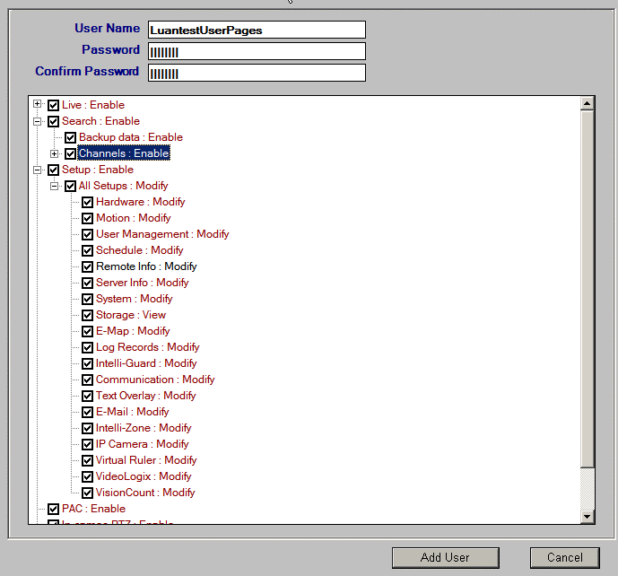
 |  |  |  |  |  |  |  |  |  |  |  |  |  |  | 2743 | 504 | LOGOUT |  | logout | 2742 | 1 |  | 8 | 11 | 2742 | 1 | 16 | 17 |  | 2742 | 10993 | 16 | 4 | 17 | 7
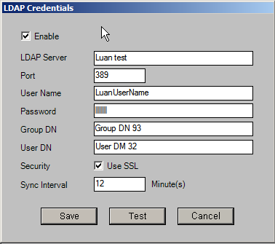
 |  |  |  |  |  |  |  |  |  |  |  |  |  |  | 2744 | 504 | LuantestUserPages |  | ldap | 2742 | 2 |  | 8 | 11 | 2742 | 2 | 16 | 17 |  | 2742 | 10994 | 16 | 4 | 17 | 7
 |  |  |  |  |  |  |  |  |  |  |  |  |  |  |  |  |  |  |  | 2742 | 3 |  | 8 | 11 | 2742 | 3 | 16 | 17 |  | 2742 | 10995 | 16 | 4 | 17 | 7
 |  |  |  |  |  |  |  |  |  |  |  |  |  |  |  |  |  |  |  | 2742 | 4 |  | 8 | 11 | 2742 | 4 | 16 | 17 |  | 2742 | 10996 | 16 | 4 | 17 | 7
 |  |  |  |  |  |  |  |  |  |  |  |  |  |  |  |  |  |  |  | 2742 | 5 |  | 8 | 11 | 2742 | 5 | 16 | 17 |  | 2742 | 10997 | 16 | 4 | 17 | 7
 |  |  |  |  |  |  |  |  |  |  |  |  |  |  |  |  |  |  |  | 2742 | 6 |  | 0 | 0 | 2742 | 6 | 16 | 17 |  | 2742 | 10998 | 16 | 4 | 17 | 7
 |  |  |  |  |  |  |  |  |  |  |  |  |  |  |  |  |  |  |  | 2742 | 8 |  | 8 | 11 | 2742 | 21 | 16 | 17 |  | 2742 | 10999 | 16 | 4 | 17 | 7
 |  |  |  |  |  |  |  |  |  |  |  |  |  |  |  |  |  |  |  | 2742 | 9 |  | 8 | 3 | 2742 | 22 | 16 | 17 |  | 2742 | 11000 | 16 | 4 | 17 | 7
 |  |  |  |  |  |  |  |  |  |  |  |  |  |  |  |  |  |  |  | 2742 | 10 |  | 8 | 11 | 2742 | 23 | 4 | 7 |  | 2742 | 11001 | 16 | 4 | 17 | 7
 |  |  |  |  |  |  |  |  |  |  |  |  |  |  |  |  |  |  |  | 2742 | 11 |  | 8 | 11 | 2742 | 24 | 16 | 17 |  | 2742 | 11002 | 16 | 4 | 17 | 7
 |  |  |  |  |  |  |  |  |  |  |  |  |  |  |  |  |  |  |  | 2742 | 12 |  | 8 | 11 | 2742 | 25 | 16 | 17 |  | 2742 | 11003 | 16 | 4 | 17 | 7
 |  |  |  |  |  |  |  |  |  |  |  |  |  |  |  |  |  |  |  | 2742 | 13 |  | 8 | 11 | 2742 | 26 | 8 | 11 |  | 2742 | 11004 | 16 | 4 | 17 | 7
 |  |  |  |  |  |  |  |  |  |  |  |  |  |  |  |  |  |  |  | 2742 | 14 |  | 8 | 11 | 2742 | 27 | 0 | 0 |  | 2742 | 11005 | 16 | 4 | 17 | 7
 |  |  |  |  |  |  |  |  |  |  |  |  |  |  |  |  |  |  |  | 2742 | 15 |  | 8 | 11 | 2743 | 0 | 0 | 17 |  | 2742 | 11006 | 16 | 4 | 17 | 7
 |  |  |  |  |  |  |  |  |  |  |  |  |  |  |  |  |  |  |  | 2742 | 16 |  | 8 | 11 | 2743 | 1 | 0 | 17 |  | 2742 | 11007 | 16 | 4 | 17 | 7
 |  |  |  |  |  |  |  |  |  |  |  |  |  |  |  |  |  |  |  | 2742 | 17 |  | 0 | 0 | 2743 | 2 | 0 | 17 |  | 2742 | 11008 | 16 | 4 | 17 | 7
 |  |  |  |  |  |  |  |  |  |  |  |  |  |  |  |  |  |  |  | 2742 | 18 |  | 8 | 11 | 2743 | 3 | 0 | 17 |  | 2742 | 11009 | 16 | 4 | 17 | 7
 |  |  |  |  |  |  |  |  |  |  |  |  |  |  |  |  |  |  |  | 2742 | 19 |  | 8 | 11 | 2743 | 4 | 0 | 17 |  | 2742 | 11010 | 16 | 4 | 17 | 7
 |  |  |  |  |  |  |  |  |  |  |  |  |  |  |  |  |  |  |  | 2742 | 20 |  | 8 | 11 | 2743 | 5 | 0 | 17 |  | 2742 | 11011 | 16 | 4 | 17 | 7
 |  |  |  |  |  |  |  |  |  |  |  |  |  |  |  |  |  |  |  | 2742 | 21 |  | 8 | 11 | 2743 | 6 | 0 | 17 |  | 2742 | 11012 | 16 | 4 | 17 | 7
 |  |  |  |  |  |  |  |  |  |  |  |  |  |  |  |  |  |  |  | 2742 | 22 |  | 0 | 0 | 2743 | 21 | 0 | 17 |  | 2742 | 11013 | 16 | 4 | 17 | 7
 |  |  |  |  |  |  |  |  |  |  |  |  |  |  |  |  |  |  |  | 2742 | 23 |  | 0 | 0 | 2743 | 22 | 0 | 17 |  | 2742 | 11014 | 16 | 4 | 17 | 7
 |  |  |  |  |  |  |  |  |  |  |  |  |  |  |  |  |  |  |  | 2743 | 0 |  | 0 | 11 | 2743 | 23 | 0 | 7 |  | 2742 | 11015 | 16 | 4 | 17 | 7
 |  |  |  |  |  |  |  |  |  |  |  |  |  |  |  |  |  |  |  | 2743 | 1 |  | 0 | 11 | 2743 | 24 | 0 | 17 |  | 2742 | 11016 | 16 | 4 | 17 | 7
 |  |  |  |  |  |  |  |  |  |  |  |  |  |  |  |  |  |  |  | 2743 | 2 |  | 0 | 11 | 2743 | 25 | 0 | 17 |  | 2742 | 11017 | 16 | 4 | 17 | 7
 |  |  |  |  |  |  |  |  |  |  |  |  |  |  |  |  |  |  |  | 2743 | 3 |  | 0 | 11 | 2743 | 26 | 0 | 11 |  | 2742 | 11018 | 16 | 4 | 17 | 7
 |  |  |  |  |  |  |  |  |  |  |  |  |  |  |  |  |  |  |  | 2743 | 4 |  | 0 | 11 | 2743 | 27 | 0 | 0 |  | 2742 | 11019 | 16 | 4 | 17 | 7
 |  |  |  |  |  |  |  |  |  |  |  |  |  |  |  |  |  |  |  | 2743 | 5 |  | 0 | 11 | 2744 | 0 | 16 | 17 |  | 2742 | 11020 | 16 | 4 | 17 | 7
 |  |  |  |  |  |  |  |  |  |  |  |  |  |  |  |  |  |  |  | 2743 | 6 |  | 0 | 0 | 2744 | 1 | 16 | 17 |  | 2742 | 11021 | 16 | 4 | 17 | 7
 |  |  |  |  |  |  |  |  |  |  |  |  |  |  |  |  |  |  |  | 2743 | 8 |  | 0 | 11 | 2744 | 2 | 16 | 17 |  | 2742 | 11022 | 16 | 4 | 17 | 7
 |  |  |  |  |  |  |  |  |  |  |  |  |  |  |  |  |  |  |  | 2743 | 9 |  | 0 | 3 | 2744 | 3 | 16 | 17 |  | 2742 | 11023 | 16 | 4 | 17 | 7
 |  |  |  |  |  |  |  |  |  |  |  |  |  |  |  |  |  |  |  | 2743 | 10 |  | 0 | 11 | 2744 | 4 | 16 | 17 |  | 2742 | 106744 | 16 | 4 | 17 | 7
 |  |  |  |  |  |  |  |  |  |  |  |  |  |  |  |  |  |  |  | 2743 | 11 |  | 0 | 11 | 2744 | 5 | 16 | 17 |  | 2742 | 106745 | 16 | 4 | 17 | 7
 |  |  |  |  |  |  |  |  |  |  |  |  |  |  |  |  |  |  |  | 2743 | 12 |  | 0 | 11 | 2744 | 6 | 16 | 17 |  | 2742 | 106746 | 16 | 4 | 17 | 7
 |  |  |  |  |  |  |  |  |  |  |  |  |  |  |  |  |  |  |  | 2743 | 13 |  | 0 | 11 | 2744 | 21 | 16 | 17 |  | 2742 | 106747 | 16 | 4 | 17 | 7
 |  |  |  |  |  |  |  |  |  |  |  |  |  |  |  |  |  |  |  | 2743 | 14 |  | 0 | 11 | 2744 | 22 | 16 | 17 |  | 2742 | 106748 | 16 | 4 | 17 | 7
 |  |  |  |  |  |  |  |  |  |  |  |  |  |  |  |  |  |  |  | 2743 | 15 |  | 0 | 11 | 2744 | 23 | 4 | 7 |  | 2742 | 106749 | 16 | 4 | 17 | 7
 |  |  |  |  |  |  |  |  |  |  |  |  |  |  |  |  |  |  |  | 2743 | 16 |  | 0 | 11 | 2744 | 24 | 16 | 17 |  | 2742 | 106750 | 16 | 4 | 17 | 7
 |  |  |  |  |  |  |  |  |  |  |  |  |  |  |  |  |  |  |  | 2743 | 17 |  | 0 | 0 | 2744 | 25 | 16 | 17 |  | 2742 | 106751 | 16 | 4 | 17 | 7
 |  |  |  |  |  |  |  |  |  |  |  |  |  |  |  |  |  |  |  | 2743 | 18 |  | 0 | 11 | 2744 | 26 | 8 | 11 |  | 2742 | 106752 | 16 | 4 | 17 | 7
 |  |  |  |  |  |  |  |  |  |  |  |  |  |  |  |  |  |  |  | 2743 | 19 |  | 0 | 11 | 2744 | 27 | 0 | 0 |  | 2742 | 106753 | 16 | 4 | 17 | 7
 |  |  |  |  |  |  |  |  |  |  |  |  |  |  |  |  |  |  |  | 2743 | 20 |  | 0 | 11 |  |  |  |  |  | 2742 | 106754 | 16 | 4 | 17 | 7
 |  |  |  |  |  |  |  |  |  |  |  |  |  |  |  |  |  |  |  | 2743 | 21 |  | 0 | 11 |  |  |  |  |  | 2742 | 106755 | 16 | 4 | 17 | 7
 |  |  |  |  |  |  |  |  |  |  |  |  |  |  |  |  |  |  |  | 2743 | 22 |  | 0 | 0 |  |  |  |  |  | 2742 | 106756 | 16 | 4 | 17 | 7
 |  |  |  |  |  |  |  |  |  |  |  |  |  |  |  |  |  |  |  | 2743 | 23 |  | 0 | 0 |  |  |  |  |  | 2742 | 106757 | 16 | 4 | 17 | 7
 |  |  |  |  |  |  |  |  |  |  |  |  |  |  |  |  |  |  |  | 2744 | 0 |  | 8 | 11 |  |  |  |  |  | 2742 | 106758 | 16 | 4 | 17 | 7
 |  |  |  |  |  |  |  |  |  |  |  |  |  |  |  |  |  |  |  | 2744 | 1 |  | 8 | 11 |  |  |  |  |  | 2742 | 106759 | 16 | 4 | 17 | 7
 |  |  |  |  |  |  |  |  |  |  |  |  |  |  |  |  |  |  |  | 2744 | 2 |  | 8 | 11 |  |  |  |  |  | 2742 | 106760 | 16 | 4 | 17 | 7
 |  |  |  |  |  |  |  |  |  |  |  |  |  |  |  |  |  |  |  | 2744 | 3 |  | 8 | 11 |  |  |  |  |  | 2742 | 106761 | 16 | 4 | 17 | 7
 |  |  |  |  |  |  |  |  |  |  |  |  |  |  |  |  |  |  |  | 2744 | 4 |  | 8 | 11 |  |  |  |  |  | 2742 | 106762 | 16 | 4 | 17 | 7
 |  |  |  |  |  |  |  |  |  |  |  |  |  |  |  |  |  |  |  | 2744 | 5 |  | 8 | 11 |  |  |  |  |  | 2742 | 106763 | 16 | 4 | 17 | 7
 |  |  |  |  |  |  |  |  |  |  |  |  |  |  |  |  |  |  |  | 2744 | 6 |  | 0 | 0 |  |  |  |  |  | 2742 | 106764 | 16 | 4 | 17 | 7
 |  |  |  |  |  |  |  |  |  |  |  |  |  |  |  |  |  |  |  | 2744 | 8 |  | 8 | 11 |  |  |  |  |  | 2742 | 106765 | 16 | 4 | 17 | 7
 |  |  |  |  |  |  |  |  |  |  |  |  |  |  |  |  |  |  |  | 2744 | 9 |  | 2 | 3 |  |  |  |  |  | 2742 | 106766 | 16 | 4 | 17 | 7
 |  |  |  |  |  |  |  |  |  |  |  |  |  |  |  |  |  |  |  | 2744 | 10 |  | 8 | 11 |  |  |  |  |  | 2742 | 106767 | 16 | 4 | 17 | 7
 |  |  |  |  |  |  |  |  |  |  |  |  |  |  |  |  |  |  |  | 2744 | 11 |  | 8 | 11 |  |  |  |  |  | 2742 | 106768 | 16 | 4 | 17 | 7
 |  |  |  |  |  |  |  |  |  |  |  |  |  |  |  |  |  |  |  | 2744 | 12 |  | 8 | 11 |  |  |  |  |  | 2742 | 106769 | 16 | 4 | 17 | 7
 |  |  |  |  |  |  |  |  |  |  |  |  |  |  |  |  |  |  |  | 2744 | 13 |  | 8 | 11 |  |  |  |  |  | 2742 | 106770 | 16 | 4 | 17 | 7
 |  |  |  |  |  |  |  |  |  |  |  |  |  |  |  |  |  |  |  | 2744 | 14 |  | 8 | 11 |  |  |  |  |  | 2742 | 106771 | 16 | 4 | 17 | 7
 |  |  |  |  |  |  |  |  |  |  |  |  |  |  |  |  |  |  |  | 2744 | 15 |  | 8 | 11 |  |  |  |  |  | 2742 | 106772 | 16 | 4 | 17 | 7
 |  |  |  |  |  |  |  |  |  |  |  |  |  |  |  |  |  |  |  | 2744 | 16 |  | 8 | 11 |  |  |  |  |  | 2742 | 106773 | 16 | 4 | 17 | 7
 |  |  |  |  |  |  |  |  |  |  |  |  |  |  |  |  |  |  |  | 2744 | 17 |  | 0 | 0 |  |  |  |  |  | 2742 | 106774 | 16 | 4 | 17 | 7
 |  |  |  |  |  |  |  |  |  |  |  |  |  |  |  |  |  |  |  | 2744 | 18 |  | 8 | 11 |  |  |  |  |  | 2742 | 106775 | 16 | 4 | 17 | 7
 |  |  |  |  |  |  |  |  |  |  |  |  |  |  |  |  |  |  |  | 2744 | 19 |  | 8 | 11 |  |  |  |  |  | 2743 | 10992 | 0 | 0 | 17 | 7
 |  |  |  |  |  |  |  |  |  |  |  |  |  |  |  |  |  |  |  | 2744 | 20 |  | 8 | 11 |  |  |  |  |  | 2743 | 10993 | 0 | 0 | 17 | 7
 |  |  |  |  |  |  |  |  |  |  |  |  |  |  |  |  |  |  |  | 2744 | 21 |  | 8 | 11 |  |  |  |  |  | 2743 | 10994 | 0 | 0 | 17 | 7
 |  |  |  |  |  |  |  |  |  |  |  |  |  |  |  |  |  |  |  | 2744 | 22 |  | 0 | 0 |  |  |  |  |  | 2743 | 10995 | 0 | 0 | 17 | 7
 |  |  |  |  |  |  |  |  |  |  |  |  |  |  |  |  |  |  |  | 2744 | 23 |  | 0 | 0 |  |  |  |  |  | 2743 | 10996 | 0 | 0 | 17 | 7
 |  |  |  |  |  |  |  |  |  |  |  |  |  |  |  |  |  |  |  |  |  |  |  |  |  |  |  |  |  | 2743 | 10997 | 0 | 0 | 17 | 7
 |  |  |  |  |  |  |  |  |  |  |  |  |  |  |  |  |  |  |  |  |  |  |  |  |  |  |  |  |  | 2743 | 10998 | 0 | 0 | 17 | 7
 |  |  |  |  |  |  |  |  |  |  |  |  |  |  |  |  |  |  |  |  |  |  |  |  |  |  |  |  |  | 2743 | 10999 | 0 | 0 | 17 | 7
 |  |  |  |  |  |  |  |  |  |  |  |  |  |  |  |  |  |  |  |  |  |  |  |  |  |  |  |  |  | 2743 | 11000 | 0 | 0 | 17 | 7
 |  |  |  |  |  |  |  |  |  |  |  |  |  |  |  |  |  |  |  |  |  |  |  |  |  |  |  |  |  | 2743 | 11001 | 0 | 0 | 17 | 7
 |  |  |  |  |  |  |  |  |  |  |  |  |  |  |  |  |  |  |  |  |  |  |  |  |  |  |  |  |  | 2743 | 11002 | 0 | 0 | 17 | 7
 |  |  |  |  |  |  |  |  |  |  |  |  |  |  |  |  |  |  |  |  |  |  |  |  |  |  |  |  |  | 2743 | 11003 | 0 | 0 | 17 | 7
 |  |  |  |  |  |  |  |  |  |  |  |  |  |  |  |  |  |  |  |  |  |  |  |  |  |  |  |  |  | 2743 | 11004 | 0 | 0 | 17 | 7
 |  |  |  |  |  |  |  |  |  |  |  |  |  |  |  |  |  |  |  |  |  |  |  |  |  |  |  |  |  | 2743 | 11005 | 0 | 0 | 17 | 7
 |  |  |  |  |  |  |  |  |  |  |  |  |  |  |  |  |  |  |  |  |  |  |  |  |  |  |  |  |  | 2743 | 11006 | 0 | 0 | 17 | 7
 |  |  |  |  |  |  |  |  |  |  |  |  |  |  |  |  |  |  |  |  |  |  |  |  |  |  |  |  |  | 2743 | 11007 | 0 | 0 | 17 | 7
 |  |  |  |  |  |  |  |  |  |  |  |  |  |  |  |  |  |  |  |  |  |  |  |  |  |  |  |  |  | 2743 | 11008 | 0 | 0 | 17 | 7
 |  |  |  |  |  |  |  |  |  |  |  |  |  |  |  |  |  |  |  |  |  |  |  |  |  |  |  |  |  | 2743 | 11009 | 0 | 0 | 17 | 7
 |  |  |  |  |  |  |  |  |  |  |  |  |  |  |  |  |  |  |  |  |  |  |  |  |  |  |  |  |  | 2743 | 11010 | 0 | 0 | 17 | 7
 |  |  |  |  |  |  |  |  |  |  |  |  |  |  |  |  |  |  |  |  |  |  |  |  |  |  |  |  |  | 2743 | 11011 | 0 | 0 | 17 | 7
 |  |  |  |  |  |  |  |  |  |  |  |  |  |  |  |  |  |  |  |  |  |  |  |  |  |  |  |  |  | 2743 | 11012 | 0 | 0 | 17 | 7
 |  |  |  |  |  |  |  |  |  |  |  |  |  |  |  |  |  |  |  |  |  |  |  |  |  |  |  |  |  | 2743 | 11013 | 0 | 0 | 17 | 7
 |  |  |  |  |  |  |  |  |  |  |  |  |  |  |  |  |  |  |  |  |  |  |  |  |  |  |  |  |  | 2743 | 11014 | 0 | 0 | 17 | 7
 |  |  |  |  |  |  |  |  |  |  |  |  |  |  |  |  |  |  |  |  |  |  |  |  |  |  |  |  |  | 2743 | 11015 | 0 | 0 | 17 | 7
 |  |  |  |  |  |  |  |  |  |  |  |  |  |  |  |  |  |  |  |  |  |  |  |  |  |  |  |  |  | 2743 | 11016 | 0 | 0 | 17 | 7
 |  |  |  |  |  |  |  |  |  |  |  |  |  |  |  |  |  |  |  |  |  |  |  |  |  |  |  |  |  | 2743 | 11017 | 0 | 0 | 17 | 7
 |  |  |  |  |  |  |  |  |  |  |  |  |  |  |  |  |  |  |  |  |  |  |  |  |  |  |  |  |  | 2743 | 11018 | 0 | 0 | 17 | 7
 |  |  |  |  |  |  |  |  |  |  |  |  |  |  |  |  |  |  |  |  |  |  |  |  |  |  |  |  |  | 2743 | 11019 | 0 | 0 | 17 | 7
 |  |  |  |  |  |  |  |  |  |  |  |  |  |  |  |  |  |  |  |  |  |  |  |  |  |  |  |  |  | 2743 | 11020 | 0 | 0 | 17 | 7
 |  |  |  |  |  |  |  |  |  |  |  |  |  |  |  |  |  |  |  |  |  |  |  |  |  |  |  |  |  | 2743 | 11021 | 0 | 0 | 17 | 7
 |  |  |  |  |  |  |  |  |  |  |  |  |  |  |  |  |  |  |  |  |  |  |  |  |  |  |  |  |  | 2743 | 11022 | 0 | 0 | 17 | 7
 |  |  |  |  |  |  |  |  |  |  |  |  |  |  |  |  |  |  |  |  |  |  |  |  |  |  |  |  |  | 2743 | 11023 | 0 | 0 | 17 | 7
 |  |  |  |  |  |  |  |  |  |  |  |  |  |  |  |  |  |  |  |  |  |  |  |  |  |  |  |  |  | 2743 | 106744 | 0 | 0 | 17 | 7
 |  |  |  |  |  |  |  |  |  |  |  |  |  |  |  |  |  |  |  |  |  |  |  |  |  |  |  |  |  | 2743 | 106745 | 0 | 0 | 17 | 7
 |  |  |  |  |  |  |  |  |  |  |  |  |  |  |  |  |  |  |  |  |  |  |  |  |  |  |  |  |  | 2743 | 106746 | 0 | 0 | 17 | 7
 |  |  |  |  |  |  |  |  |  |  |  |  |  |  |  |  |  |  |  |  |  |  |  |  |  |  |  |  |  | 2743 | 106747 | 0 | 0 | 17 | 7
 |  |  |  |  |  |  |  |  |  |  |  |  |  |  |  |  |  |  |  |  |  |  |  |  |  |  |  |  |  | 2743 | 106748 | 0 | 0 | 17 | 7
 |  |  |  |  |  |  |  |  |  |  |  |  |  |  |  |  |  |  |  |  |  |  |  |  |  |  |  |  |  | 2743 | 106749 | 0 | 0 | 17 | 7
 |  |  |  |  |  |  |  |  |  |  |  |  |  |  |  |  |  |  |  |  |  |  |  |  |  |  |  |  |  | 2743 | 106750 | 0 | 0 | 17 | 7
 |  |  |  |  |  |  |  |  |  |  |  |  |  |  |  |  |  |  |  |  |  |  |  |  |  |  |  |  |  | 2743 | 106751 | 0 | 0 | 17 | 7
 |  |  |  |  |  |  |  |  |  |  |  |  |  |  |  |  |  |  |  |  |  |  |  |  |  |  |  |  |  | 2743 | 106752 | 0 | 0 | 17 | 7
 |  |  |  |  |  |  |  |  |  |  |  |  |  |  |  |  |  |  |  |  |  |  |  |  |  |  |  |  |  | 2743 | 106753 | 0 | 0 | 17 | 7
 |  |  |  |  |  |  |  |  |  |  |  |  |  |  |  |  |  |  |  |  |  |  |  |  |  |  |  |  |  | 2743 | 106754 | 0 | 0 | 17 | 7
 |  |  |  |  |  |  |  |  |  |  |  |  |  |  |  |  |  |  |  |  |  |  |  |  |  |  |  |  |  | 2743 | 106755 | 0 | 0 | 17 | 7
 |  |  |  |  |  |  |  |  |  |  |  |  |  |  |  |  |  |  |  |  |  |  |  |  |  |  |  |  |  | 2743 | 106756 | 0 | 0 | 17 | 7
 |  |  |  |  |  |  |  |  |  |  |  |  |  |  |  |  |  |  |  |  |  |  |  |  |  |  |  |  |  | 2743 | 106757 | 0 | 0 | 17 | 7
 |  |  |  |  |  |  |  |  |  |  |  |  |  |  |  |  |  |  |  |  |  |  |  |  |  |  |  |  |  | 2743 | 106758 | 0 | 0 | 17 | 7
 |  |  |  |  |  |  |  |  |  |  |  |  |  |  |  |  |  |  |  |  |  |  |  |  |  |  |  |  |  | 2743 | 106759 | 0 | 0 | 17 | 7
 |  |  |  |  |  |  |  |  |  |  |  |  |  |  |  |  |  |  |  |  |  |  |  |  |  |  |  |  |  | 2743 | 106760 | 0 | 0 | 17 | 7
 |  |  |  |  |  |  |  |  |  |  |  |  |  |  |  |  |  |  |  |  |  |  |  |  |  |  |  |  |  | 2743 | 106761 | 0 | 0 | 17 | 7
 |  |  |  |  |  |  |  |  |  |  |  |  |  |  |  |  |  |  |  |  |  |  |  |  |  |  |  |  |  | 2743 | 106762 | 0 | 0 | 17 | 7
 |  |  |  |  |  |  |  |  |  |  |  |  |  |  |  |  |  |  |  |  |  |  |  |  |  |  |  |  |  | 2743 | 106763 | 0 | 0 | 17 | 7
 |  |  |  |  |  |  |  |  |  |  |  |  |  |  |  |  |  |  |  |  |  |  |  |  |  |  |  |  |  | 2743 | 106764 | 0 | 0 | 17 | 7
 |  |  |  |  |  |  |  |  |  |  |  |  |  |  |  |  |  |  |  |  |  |  |  |  |  |  |  |  |  | 2743 | 106765 | 0 | 0 | 17 | 7
 |  |  |  |  |  |  |  |  |  |  |  |  |  |  |  |  |  |  |  |  |  |  |  |  |  |  |  |  |  | 2743 | 106766 | 0 | 0 | 17 | 7
 |  |  |  |  |  |  |  |  |  |  |  |  |  |  |  |  |  |  |  |  |  |  |  |  |  |  |  |  |  | 2743 | 106767 | 0 | 0 | 17 | 7
 |  |  |  |  |  |  |  |  |  |  |  |  |  |  |  |  |  |  |  |  |  |  |  |  |  |  |  |  |  | 2743 | 106768 | 0 | 0 | 17 | 7
 |  |  |  |  |  |  |  |  |  |  |  |  |  |  |  |  |  |  |  |  |  |  |  |  |  |  |  |  |  | 2743 | 106769 | 0 | 0 | 17 | 7
 |  |  |  |  |  |  |  |  |  |  |  |  |  |  |  |  |  |  |  |  |  |  |  |  |  |  |  |  |  | 2743 | 106770 | 0 | 0 | 17 | 7
 |  |  |  |  |  |  |  |  |  |  |  |  |  |  |  |  |  |  |  |  |  |  |  |  |  |  |  |  |  | 2743 | 106771 | 0 | 0 | 17 | 7
 |  |  |  |  |  |  |  |  |  |  |  |  |  |  |  |  |  |  |  |  |  |  |  |  |  |  |  |  |  | 2743 | 106772 | 0 | 0 | 17 | 7
 |  |  |  |  |  |  |  |  |  |  |  |  |  |  |  |  |  |  |  |  |  |  |  |  |  |  |  |  |  | 2743 | 106773 | 0 | 0 | 17 | 7
 |  |  |  |  |  |  |  |  |  |  |  |  |  |  |  |  |  |  |  |  |  |  |  |  |  |  |  |  |  | 2743 | 106774 | 0 | 0 | 17 | 7
 |  |  |  |  |  |  |  |  |  |  |  |  |  |  |  |  |  |  |  |  |  |  |  |  |  |  |  |  |  | 2743 | 106775 | 0 | 0 | 17 | 7
 |  |  |  |  |  |  |  |  |  |  |  |  |  |  |  |  |  |  |  |  |  |  |  |  |  |  |  |  |  | 2744 | 10992 | 16 | 4 | 17 | 7
 |  |  |  |  |  |  |  |  |  |  |  |  |  |  |  |  |  |  |  |  |  |  |  |  |  |  |  |  |  | 2744 | 10993 | 16 | 4 | 17 | 7
 |  |  |  |  |  |  |  |  |  |  |  |  |  |  |  |  |  |  |  |  |  |  |  |  |  |  |  |  |  | 2744 | 10994 | 16 | 4 | 17 | 7
 |  |  |  |  |  |  |  |  |  |  |  |  |  |  |  |  |  |  |  |  |  |  |  |  |  |  |  |  |  | 2744 | 10995 | 16 | 4 | 17 | 7
 |  |  |  |  |  |  |  |  |  |  |  |  |  |  |  |  |  |  |  |  |  |  |  |  |  |  |  |  |  | 2744 | 10996 | 16 | 4 | 17 | 7
 |  |  |  |  |  |  |  |  |  |  |  |  |  |  |  |  |  |  |  |  |  |  |  |  |  |  |  |  |  | 2744 | 10997 | 16 | 4 | 17 | 7
 |  |  |  |  |  |  |  |  |  |  |  |  |  |  |  |  |  |  |  |  |  |  |  |  |  |  |  |  |  | 2744 | 10998 | 16 | 4 | 17 | 7
 |  |  |  |  |  |  |  |  |  |  |  |  |  |  |  |  |  |  |  |  |  |  |  |  |  |  |  |  |  | 2744 | 10999 | 16 | 4 | 17 | 7
 |  |  |  |  |  |  |  |  |  |  |  |  |  |  |  |  |  |  |  |  |  |  |  |  |  |  |  |  |  | 2744 | 11000 | 16 | 4 | 17 | 7
 |  |  |  |  |  |  |  |  |  |  |  |  |  |  |  |  |  |  |  |  |  |  |  |  |  |  |  |  |  | 2744 | 11001 | 16 | 4 | 17 | 7
 |  |  |  |  |  |  |  |  |  |  |  |  |  |  |  |  |  |  |  |  |  |  |  |  |  |  |  |  |  | 2744 | 11002 | 16 | 4 | 17 | 7
 |  |  |  |  |  |  |  |  |  |  |  |  |  |  |  |  |  |  |  |  |  |  |  |  |  |  |  |  |  | 2744 | 11003 | 16 | 4 | 17 | 7
 |  |  |  |  |  |  |  |  |  |  |  |  |  |  |  |  |  |  |  |  |  |  |  |  |  |  |  |  |  | 2744 | 11004 | 16 | 4 | 17 | 7
 |  |  |  |  |  |  |  |  |  |  |  |  |  |  |  |  |  |  |  |  |  |  |  |  |  |  |  |  |  | 2744 | 11005 | 16 | 4 | 17 | 7
 |  |  |  |  |  |  |  |  |  |  |  |  |  |  |  |  |  |  |  |  |  |  |  |  |  |  |  |  |  | 2744 | 11006 | 16 | 4 | 17 | 7
 |  |  |  |  |  |  |  |  |  |  |  |  |  |  |  |  |  |  |  |  |  |  |  |  |  |  |  |  |  | 2744 | 11007 | 16 | 4 | 17 | 7
 |  |  |  |  |  |  |  |  |  |  |  |  |  |  |  |  |  |  |  |  |  |  |  |  |  |  |  |  |  | 2744 | 11008 | 16 | 4 | 17 | 7
 |  |  |  |  |  |  |  |  |  |  |  |  |  |  |  |  |  |  |  |  |  |  |  |  |  |  |  |  |  | 2744 | 11009 | 16 | 4 | 17 | 7
 |  |  |  |  |  |  |  |  |  |  |  |  |  |  |  |  |  |  |  |  |  |  |  |  |  |  |  |  |  | 2744 | 11010 | 16 | 4 | 17 | 7
 |  |  |  |  |  |  |  |  |  |  |  |  |  |  |  |  |  |  |  |  |  |  |  |  |  |  |  |  |  | 2744 | 11011 | 16 | 4 | 17 | 7
 |  |  |  |  |  |  |  |  |  |  |  |  |  |  |  |  |  |  |  |  |  |  |  |  |  |  |  |  |  | 2744 | 11012 | 0 | 4 | 17 | 7
 |  |  |  |  |  |  |  |  |  |  |  |  |  |  |  |  |  |  |  |  |  |  |  |  |  |  |  |  |  | 2744 | 11013 | 0 | 4 | 17 | 7
 |  |  |  |  |  |  |  |  |  |  |  |  |  |  |  |  |  |  |  |  |  |  |  |  |  |  |  |  |  | 2744 | 11014 | 0 | 4 | 17 | 7
 |  |  |  |  |  |  |  |  |  |  |  |  |  |  |  |  |  |  |  |  |  |  |  |  |  |  |  |  |  | 2744 | 11015 | 0 | 4 | 17 | 7
 |  |  |  |  |  |  |  |  |  |  |  |  |  |  |  |  |  |  |  |  |  |  |  |  |  |  |  |  |  | 2744 | 11016 | 0 | 4 | 17 | 7
 |  |  |  |  |  |  |  |  |  |  |  |  |  |  |  |  |  |  |  |  |  |  |  |  |  |  |  |  |  | 2744 | 11017 | 0 | 4 | 17 | 7
 |  |  |  |  |  |  |  |  |  |  |  |  |  |  |  |  |  |  |  |  |  |  |  |  |  |  |  |  |  | 2744 | 11018 | 0 | 4 | 17 | 7
 |  |  |  |  |  |  |  |  |  |  |  |  |  |  |  |  |  |  |  |  |  |  |  |  |  |  |  |  |  | 2744 | 11019 | 0 | 4 | 17 | 7
 |  |  |  |  |  |  |  |  |  |  |  |  |  |  |  |  |  |  |  |  |  |  |  |  |  |  |  |  |  | 2744 | 11020 | 0 | 4 | 17 | 7
 |  |  |  |  |  |  |  |  |  |  |  |  |  |  |  |  |  |  |  |  |  |  |  |  |  |  |  |  |  | 2744 | 11021 | 0 | 4 | 17 | 7
 |  |  |  |  |  |  |  |  |  |  |  |  |  |  |  |  |  |  |  |  |  |  |  |  |  |  |  |  |  | 2744 | 11022 | 0 | 4 | 17 | 7
 |  |  |  |  |  |  |  |  |  |  |  |  |  |  |  |  |  |  |  |  |  |  |  |  |  |  |  |  |  | 2744 | 11023 | 0 | 4 | 17 | 7
 |  |  |  |  |  |  |  |  |  |  |  |  |  |  |  |  |  |  |  |  |  |  |  |  |  |  |  |  |  | 2744 | 106744 | 0 | 4 | 17 | 7
 |  |  |  |  |  |  |  |  |  |  |  |  |  |  |  |  |  |  |  |  |  |  |  |  |  |  |  |  |  | 2744 | 106745 | 0 | 4 | 17 | 7
 |  |  |  |  |  |  |  |  |  |  |  |  |  |  |  |  |  |  |  |  |  |  |  |  |  |  |  |  |  | 2744 | 106746 | 0 | 4 | 17 | 7
 |  |  |  |  |  |  |  |  |  |  |  |  |  |  |  |  |  |  |  |  |  |  |  |  |  |  |  |  |  | 2744 | 106747 | 0 | 4 | 17 | 7
 |  |  |  |  |  |  |  |  |  |  |  |  |  |  |  |  |  |  |  |  |  |  |  |  |  |  |  |  |  | 2744 | 106748 | 0 | 4 | 17 | 7
 |  |  |  |  |  |  |  |  |  |  |  |  |  |  |  |  |  |  |  |  |  |  |  |  |  |  |  |  |  | 2744 | 106749 | 0 | 4 | 17 | 7
 |  |  |  |  |  |  |  |  |  |  |  |  |  |  |  |  |  |  |  |  |  |  |  |  |  |  |  |  |  | 2744 | 106750 | 0 | 4 | 17 | 7
 |  |  |  |  |  |  |  |  |  |  |  |  |  |  |  |  |  |  |  |  |  |  |  |  |  |  |  |  |  | 2744 | 106751 | 0 | 4 | 17 | 7
 |  |  |  |  |  |  |  |  |  |  |  |  |  |  |  |  |  |  |  |  |  |  |  |  |  |  |  |  |  | 2744 | 106752 | 0 | 4 | 17 | 7
 |  |  |  |  |  |  |  |  |  |  |  |  |  |  |  |  |  |  |  |  |  |  |  |  |  |  |  |  |  | 2744 | 106753 | 0 | 4 | 17 | 7
 |  |  |  |  |  |  |  |  |  |  |  |  |  |  |  |  |  |  |  |  |  |  |  |  |  |  |  |  |  | 2744 | 106754 | 0 | 4 | 17 | 7
 |  |  |  |  |  |  |  |  |  |  |  |  |  |  |  |  |  |  |  |  |  |  |  |  |  |  |  |  |  | 2744 | 106755 | 0 | 4 | 17 | 7
 |  |  |  |  |  |  |  |  |  |  |  |  |  |  |  |  |  |  |  |  |  |  |  |  |  |  |  |  |  | 2744 | 106756 | 0 | 4 | 17 | 7
 |  |  |  |  |  |  |  |  |  |  |  |  |  |  |  |  |  |  |  |  |  |  |  |  |  |  |  |  |  | 2744 | 106757 | 0 | 4 | 17 | 7
 |  |  |  |  |  |  |  |  |  |  |  |  |  |  |  |  |  |  |  |  |  |  |  |  |  |  |  |  |  | 2744 | 106758 | 0 | 4 | 17 | 7
 |  |  |  |  |  |  |  |  |  |  |  |  |  |  |  |  |  |  |  |  |  |  |  |  |  |  |  |  |  | 2744 | 106759 | 0 | 4 | 17 | 7
 |  |  |  |  |  |  |  |  |  |  |  |  |  |  |  |  |  |  |  |  |  |  |  |  |  |  |  |  |  | 2744 | 106760 | 0 | 4 | 17 | 7
 |  |  |  |  |  |  |  |  |  |  |  |  |  |  |  |  |  |  |  |  |  |  |  |  |  |  |  |  |  | 2744 | 106761 | 0 | 4 | 17 | 7
 |  |  |  |  |  |  |  |  |  |  |  |  |  |  |  |  |  |  |  |  |  |  |  |  |  |  |  |  |  | 2744 | 106762 | 0 | 4 | 17 | 7
 |  |  |  |  |  |  |  |  |  |  |  |  |  |  |  |  |  |  |  |  |  |  |  |  |  |  |  |  |  | 2744 | 106763 | 0 | 4 | 17 | 7
 |  |  |  |  |  |  |  |  |  |  |  |  |  |  |  |  |  |  |  |  |  |  |  |  |  |  |  |  |  | 2744 | 106764 | 0 | 4 | 17 | 7
 |  |  |  |  |  |  |  |  |  |  |  |  |  |  |  |  |  |  |  |  |  |  |  |  |  |  |  |  |  | 2744 | 106765 | 0 | 4 | 17 | 7
 |  |  |  |  |  |  |  |  |  |  |  |  |  |  |  |  |  |  |  |  |  |  |  |  |  |  |  |  |  | 2744 | 106766 | 0 | 4 | 17 | 7
 |  |  |  |  |  |  |  |  |  |  |  |  |  |  |  |  |  |  |  |  |  |  |  |  |  |  |  |  |  | 2744 | 106767 | 0 | 4 | 17 | 7
 |  |  |  |  |  |  |  |  |  |  |  |  |  |  |  |  |  |  |  |  |  |  |  |  |  |  |  |  |  | 2744 | 106768 | 0 | 4 | 17 | 7
 |  |  |  |  |  |  |  |  |  |  |  |  |  |  |  |  |  |  |  |  |  |  |  |  |  |  |  |  |  | 2744 | 106769 | 0 | 4 | 17 | 7
 |  |  |  |  |  |  |  |  |  |  |  |  |  |  |  |  |  |  |  |  |  |  |  |  |  |  |  |  |  | 2744 | 106770 | 0 | 4 | 17 | 7
 |  |  |  |  |  |  |  |  |  |  |  |  |  |  |  |  |  |  |  |  |  |  |  |  |  |  |  |  |  | 2744 | 106771 | 0 | 4 | 17 | 7
 |  |  |  |  |  |  |  |  |  |  |  |  |  |  |  |  |  |  |  |  |  |  |  |  |  |  |  |  |  | 2744 | 106772 | 0 | 4 | 17 | 7
 |  |  |  |  |  |  |  |  |  |  |  |  |  |  |  |  |  |  |  |  |  |  |  |  |  |  |  |  |  | 2744 | 106773 | 0 | 4 | 17 | 7
 |  |  |  |  |  |  |  |  |  |  |  |  |  |  |  |  |  |  |  |  |  |  |  |  |  |  |  |  |  | 2744 | 106774 | 0 | 4 | 17 | 7
 |  |  |  |  |  |  |  |  |  |  |  |  |  |  |  |  |  |  |  |  |  |  |  |  |  |  |  |  |  | 2744 | 106775 | 0 | 4 | 17 | 7

Step 3: Delete
tDVRUserConfig |  |  |  |  |  |  |  |  |  |  | tDVRLDAPGroup |  |  |  | tDVRUsers |  |  |  |  | tDVRUserPrivSetup |  |  |  |  | tDVRUserPrivOp |  |  |  |  | tDVRUserPrivChannel
KDVR | EnableAutoLogOut | TimeOutLogOut | LDAPEnable | LDAPServer | LDAPUsername | LDAPPassword | LDAPUseSSL | LDAPSyncInterval | LDAPPort | LDAPLimitEntryNumer | KUser | KDVR | UserName | Password | KUser | KDVR | UserName | Password | Usertype | KUser | KSetupPage | Description | KPrivilege | Mask | KUser | KOp | KPrivilege | Mask | Description | KUser | KChannel | KPrivilegeSearch | KPrivilegeLive | MaskSearch | MaskLive | DescriptionSearch | DescriptionLive
504 | 0 | 10 | 0 |  |  |  | 0 | 0 | 389 | 0 |  |  |  |  | 2742 | 504 | i3admin | i3admin | admin | 2742 | 0 |  | 8 | 11 | 2742 | 0 | 16 | 17 |  | 2742 | 10992 | 16 | 4 | 17 | 7
 |  |  |  |  |  |  |  |  |  |  |  |  |  |  | 2743 | 504 | LOGOUT |  | logout | 2742 | 1 |  | 8 | 11 | 2742 | 1 | 16 | 17 |  | 2742 | 10993 | 16 | 4 | 17 | 7
 |  |  |  |  |  |  |  |  |  |  |  |  |  |  |  |  |  |  |  | 2742 | 2 |  | 8 | 11 | 2742 | 2 | 16 | 17 |  | 2742 | 10994 | 16 | 4 | 17 | 7
 |  |  |  |  |  |  |  |  |  |  |  |  |  |  |  |  |  |  |  | 2742 | 3 |  | 8 | 11 | 2742 | 3 | 16 | 17 |  | 2742 | 10995 | 16 | 4 | 17 | 7
 |  |  |  |  |  |  |  |  |  |  |  |  |  |  |  |  |  |  |  | 2742 | 4 |  | 8 | 11 | 2742 | 4 | 16 | 17 |  | 2742 | 10996 | 16 | 4 | 17 | 7
 |  |  |  |  |  |  |  |  |  |  |  |  |  |  |  |  |  |  |  | 2742 | 5 |  | 8 | 11 | 2742 | 5 | 16 | 17 |  | 2742 | 10997 | 16 | 4 | 17 | 7
 |  |  |  |  |  |  |  |  |  |  |  |  |  |  |  |  |  |  |  | 2742 | 6 |  | 0 | 0 | 2742 | 6 | 16 | 17 |  | 2742 | 10998 | 16 | 4 | 17 | 7
 |  |  |  |  |  |  |  |  |  |  |  |  |  |  |  |  |  |  |  | 2742 | 8 |  | 8 | 11 | 2742 | 21 | 16 | 17 |  | 2742 | 10999 | 16 | 4 | 17 | 7
 |  |  |  |  |  |  |  |  |  |  |  |  |  |  |  |  |  |  |  | 2742 | 9 |  | 8 | 3 | 2742 | 22 | 16 | 17 |  | 2742 | 11000 | 16 | 4 | 17 | 7
 |  |  |  |  |  |  |  |  |  |  |  |  |  |  |  |  |  |  |  | 2742 | 10 |  | 8 | 11 | 2742 | 23 | 4 | 7 |  | 2742 | 11001 | 16 | 4 | 17 | 7
 |  |  |  |  |  |  |  |  |  |  |  |  |  |  |  |  |  |  |  | 2742 | 11 |  | 8 | 11 | 2742 | 24 | 16 | 17 |  | 2742 | 11002 | 16 | 4 | 17 | 7
 |  |  |  |  |  |  |  |  |  |  |  |  |  |  |  |  |  |  |  | 2742 | 12 |  | 8 | 11 | 2742 | 25 | 16 | 17 |  | 2742 | 11003 | 16 | 4 | 17 | 7
 |  |  |  |  |  |  |  |  |  |  |  |  |  |  |  |  |  |  |  | 2742 | 13 |  | 8 | 11 | 2742 | 26 | 8 | 11 |  | 2742 | 11004 | 16 | 4 | 17 | 7
 |  |  |  |  |  |  |  |  |  |  |  |  |  |  |  |  |  |  |  | 2742 | 14 |  | 8 | 11 | 2742 | 27 | 0 | 0 |  | 2742 | 11005 | 16 | 4 | 17 | 7
 |  |  |  |  |  |  |  |  |  |  |  |  |  |  |  |  |  |  |  | 2742 | 15 |  | 8 | 11 | 2743 | 0 | 0 | 17 |  | 2742 | 11006 | 16 | 4 | 17 | 7
 |  |  |  |  |  |  |  |  |  |  |  |  |  |  |  |  |  |  |  | 2742 | 16 |  | 8 | 11 | 2743 | 1 | 0 | 17 |  | 2742 | 11007 | 16 | 4 | 17 | 7
 |  |  |  |  |  |  |  |  |  |  |  |  |  |  |  |  |  |  |  | 2742 | 17 |  | 0 | 0 | 2743 | 2 | 0 | 17 |  | 2742 | 11008 | 16 | 4 | 17 | 7
 |  |  |  |  |  |  |  |  |  |  |  |  |  |  |  |  |  |  |  | 2742 | 18 |  | 8 | 11 | 2743 | 3 | 0 | 17 |  | 2742 | 11009 | 16 | 4 | 17 | 7
 |  |  |  |  |  |  |  |  |  |  |  |  |  |  |  |  |  |  |  | 2742 | 19 |  | 8 | 11 | 2743 | 4 | 0 | 17 |  | 2742 | 11010 | 16 | 4 | 17 | 7
 |  |  |  |  |  |  |  |  |  |  |  |  |  |  |  |  |  |  |  | 2742 | 20 |  | 8 | 11 | 2743 | 5 | 0 | 17 |  | 2742 | 11011 | 16 | 4 | 17 | 7
 |  |  |  |  |  |  |  |  |  |  |  |  |  |  |  |  |  |  |  | 2742 | 21 |  | 8 | 11 | 2743 | 6 | 0 | 17 |  | 2742 | 11012 | 16 | 4 | 17 | 7
 |  |  |  |  |  |  |  |  |  |  |  |  |  |  |  |  |  |  |  | 2742 | 22 |  | 0 | 0 | 2743 | 21 | 0 | 17 |  | 2742 | 11013 | 16 | 4 | 17 | 7
 |  |  |  |  |  |  |  |  |  |  |  |  |  |  |  |  |  |  |  | 2742 | 23 |  | 0 | 0 | 2743 | 22 | 0 | 17 |  | 2742 | 11014 | 16 | 4 | 17 | 7
 |  |  |  |  |  |  |  |  |  |  |  |  |  |  |  |  |  |  |  | 2743 | 0 |  | 0 | 11 | 2743 | 23 | 0 | 7 |  | 2742 | 11015 | 16 | 4 | 17 | 7
 |  |  |  |  |  |  |  |  |  |  |  |  |  |  |  |  |  |  |  | 2743 | 1 |  | 0 | 11 | 2743 | 24 | 0 | 17 |  | 2742 | 11016 | 16 | 4 | 17 | 7
 |  |  |  |  |  |  |  |  |  |  |  |  |  |  |  |  |  |  |  | 2743 | 2 |  | 0 | 11 | 2743 | 25 | 0 | 17 |  | 2742 | 11017 | 16 | 4 | 17 | 7
 |  |  |  |  |  |  |  |  |  |  |  |  |  |  |  |  |  |  |  | 2743 | 3 |  | 0 | 11 | 2743 | 26 | 0 | 11 |  | 2742 | 11018 | 16 | 4 | 17 | 7
 |  |  |  |  |  |  |  |  |  |  |  |  |  |  |  |  |  |  |  | 2743 | 4 |  | 0 | 11 | 2743 | 27 | 0 | 0 |  | 2742 | 11019 | 16 | 4 | 17 | 7
 |  |  |  |  |  |  |  |  |  |  |  |  |  |  |  |  |  |  |  | 2743 | 5 |  | 0 | 11 |  |  |  |  |  | 2742 | 11020 | 16 | 4 | 17 | 7
 |  |  |  |  |  |  |  |  |  |  |  |  |  |  |  |  |  |  |  | 2743 | 6 |  | 0 | 0 |  |  |  |  |  | 2742 | 11021 | 16 | 4 | 17 | 7
 |  |  |  |  |  |  |  |  |  |  |  |  |  |  |  |  |  |  |  | 2743 | 8 |  | 0 | 11 |  |  |  |  |  | 2742 | 11022 | 16 | 4 | 17 | 7
 |  |  |  |  |  |  |  |  |  |  |  |  |  |  |  |  |  |  |  | 2743 | 9 |  | 0 | 3 |  |  |  |  |  | 2742 | 11023 | 16 | 4 | 17 | 7
 |  |  |  |  |  |  |  |  |  |  |  |  |  |  |  |  |  |  |  | 2743 | 10 |  | 0 | 11 |  |  |  |  |  | 2742 | 106744 | 16 | 4 | 17 | 7
 |  |  |  |  |  |  |  |  |  |  |  |  |  |  |  |  |  |  |  | 2743 | 11 |  | 0 | 11 |  |  |  |  |  | 2742 | 106745 | 16 | 4 | 17 | 7
 |  |  |  |  |  |  |  |  |  |  |  |  |  |  |  |  |  |  |  | 2743 | 12 |  | 0 | 11 |  |  |  |  |  | 2742 | 106746 | 16 | 4 | 17 | 7
 |  |  |  |  |  |  |  |  |  |  |  |  |  |  |  |  |  |  |  | 2743 | 13 |  | 0 | 11 |  |  |  |  |  | 2742 | 106747 | 16 | 4 | 17 | 7
 |  |  |  |  |  |  |  |  |  |  |  |  |  |  |  |  |  |  |  | 2743 | 14 |  | 0 | 11 |  |  |  |  |  | 2742 | 106748 | 16 | 4 | 17 | 7
 |  |  |  |  |  |  |  |  |  |  |  |  |  |  |  |  |  |  |  | 2743 | 15 |  | 0 | 11 |  |  |  |  |  | 2742 | 106749 | 16 | 4 | 17 | 7
 |  |  |  |  |  |  |  |  |  |  |  |  |  |  |  |  |  |  |  | 2743 | 16 |  | 0 | 11 |  |  |  |  |  | 2742 | 106750 | 16 | 4 | 17 | 7
 |  |  |  |  |  |  |  |  |  |  |  |  |  |  |  |  |  |  |  | 2743 | 17 |  | 0 | 0 |  |  |  |  |  | 2742 | 106751 | 16 | 4 | 17 | 7
 |  |  |  |  |  |  |  |  |  |  |  |  |  |  |  |  |  |  |  | 2743 | 18 |  | 0 | 11 |  |  |  |  |  | 2742 | 106752 | 16 | 4 | 17 | 7
 |  |  |  |  |  |  |  |  |  |  |  |  |  |  |  |  |  |  |  | 2743 | 19 |  | 0 | 11 |  |  |  |  |  | 2742 | 106753 | 16 | 4 | 17 | 7
 |  |  |  |  |  |  |  |  |  |  |  |  |  |  |  |  |  |  |  | 2743 | 20 |  | 0 | 11 |  |  |  |  |  | 2742 | 106754 | 16 | 4 | 17 | 7
 |  |  |  |  |  |  |  |  |  |  |  |  |  |  |  |  |  |  |  | 2743 | 21 |  | 0 | 11 |  |  |  |  |  | 2742 | 106755 | 16 | 4 | 17 | 7
 |  |  |  |  |  |  |  |  |  |  |  |  |  |  |  |  |  |  |  | 2743 | 22 |  | 0 | 0 |  |  |  |  |  | 2742 | 106756 | 16 | 4 | 17 | 7
 |  |  |  |  |  |  |  |  |  |  |  |  |  |  |  |  |  |  |  | 2743 | 23 |  | 0 | 0 |  |  |  |  |  | 2742 | 106757 | 16 | 4 | 17 | 7
 |  |  |  |  |  |  |  |  |  |  |  |  |  |  |  |  |  |  |  |  |  |  |  |  |  |  |  |  |  | 2742 | 106758 | 16 | 4 | 17 | 7
 |  |  |  |  |  |  |  |  |  |  |  |  |  |  |  |  |  |  |  |  |  |  |  |  |  |  |  |  |  | 2742 | 106759 | 16 | 4 | 17 | 7
 |  |  |  |  |  |  |  |  |  |  |  |  |  |  |  |  |  |  |  |  |  |  |  |  |  |  |  |  |  | 2742 | 106760 | 16 | 4 | 17 | 7
 |  |  |  |  |  |  |  |  |  |  |  |  |  |  |  |  |  |  |  |  |  |  |  |  |  |  |  |  |  | 2742 | 106761 | 16 | 4 | 17 | 7
 |  |  |  |  |  |  |  |  |  |  |  |  |  |  |  |  |  |  |  |  |  |  |  |  |  |  |  |  |  | 2742 | 106762 | 16 | 4 | 17 | 7
 |  |  |  |  |  |  |  |  |  |  |  |  |  |  |  |  |  |  |  |  |  |  |  |  |  |  |  |  |  | 2742 | 106763 | 16 | 4 | 17 | 7
 |  |  |  |  |  |  |  |  |  |  |  |  |  |  |  |  |  |  |  |  |  |  |  |  |  |  |  |  |  | 2742 | 106764 | 16 | 4 | 17 | 7
 |  |  |  |  |  |  |  |  |  |  |  |  |  |  |  |  |  |  |  |  |  |  |  |  |  |  |  |  |  | 2742 | 106765 | 16 | 4 | 17 | 7
 |  |  |  |  |  |  |  |  |  |  |  |  |  |  |  |  |  |  |  |  |  |  |  |  |  |  |  |  |  | 2742 | 106766 | 16 | 4 | 17 | 7
 |  |  |  |  |  |  |  |  |  |  |  |  |  |  |  |  |  |  |  |  |  |  |  |  |  |  |  |  |  | 2742 | 106767 | 16 | 4 | 17 | 7
 |  |  |  |  |  |  |  |  |  |  |  |  |  |  |  |  |  |  |  |  |  |  |  |  |  |  |  |  |  | 2742 | 106768 | 16 | 4 | 17 | 7
 |  |  |  |  |  |  |  |  |  |  |  |  |  |  |  |  |  |  |  |  |  |  |  |  |  |  |  |  |  | 2742 | 106769 | 16 | 4 | 17 | 7
 |  |  |  |  |  |  |  |  |  |  |  |  |  |  |  |  |  |  |  |  |  |  |  |  |  |  |  |  |  | 2742 | 106770 | 16 | 4 | 17 | 7
 |  |  |  |  |  |  |  |  |  |  |  |  |  |  |  |  |  |  |  |  |  |  |  |  |  |  |  |  |  | 2742 | 106771 | 16 | 4 | 17 | 7
 |  |  |  |  |  |  |  |  |  |  |  |  |  |  |  |  |  |  |  |  |  |  |  |  |  |  |  |  |  | 2742 | 106772 | 16 | 4 | 17 | 7
 |  |  |  |  |  |  |  |  |  |  |  |  |  |  |  |  |  |  |  |  |  |  |  |  |  |  |  |  |  | 2742 | 106773 | 16 | 4 | 17 | 7
 |  |  |  |  |  |  |  |  |  |  |  |  |  |  |  |  |  |  |  |  |  |  |  |  |  |  |  |  |  | 2742 | 106774 | 16 | 4 | 17 | 7
 |  |  |  |  |  |  |  |  |  |  |  |  |  |  |  |  |  |  |  |  |  |  |  |  |  |  |  |  |  | 2742 | 106775 | 16 | 4 | 17 | 7
 |  |  |  |  |  |  |  |  |  |  |  |  |  |  |  |  |  |  |  |  |  |  |  |  |  |  |  |  |  | 2743 | 10992 | 0 | 0 | 17 | 7
 |  |  |  |  |  |  |  |  |  |  |  |  |  |  |  |  |  |  |  |  |  |  |  |  |  |  |  |  |  | 2743 | 10993 | 0 | 0 | 17 | 7
 |  |  |  |  |  |  |  |  |  |  |  |  |  |  |  |  |  |  |  |  |  |  |  |  |  |  |  |  |  | 2743 | 10994 | 0 | 0 | 17 | 7
 |  |  |  |  |  |  |  |  |  |  |  |  |  |  |  |  |  |  |  |  |  |  |  |  |  |  |  |  |  | 2743 | 10995 | 0 | 0 | 17 | 7
 |  |  |  |  |  |  |  |  |  |  |  |  |  |  |  |  |  |  |  |  |  |  |  |  |  |  |  |  |  | 2743 | 10996 | 0 | 0 | 17 | 7
 |  |  |  |  |  |  |  |  |  |  |  |  |  |  |  |  |  |  |  |  |  |  |  |  |  |  |  |  |  | 2743 | 10997 | 0 | 0 | 17 | 7
 |  |  |  |  |  |  |  |  |  |  |  |  |  |  |  |  |  |  |  |  |  |  |  |  |  |  |  |  |  | 2743 | 10998 | 0 | 0 | 17 | 7
 |  |  |  |  |  |  |  |  |  |  |  |  |  |  |  |  |  |  |  |  |  |  |  |  |  |  |  |  |  | 2743 | 10999 | 0 | 0 | 17 | 7
 |  |  |  |  |  |  |  |  |  |  |  |  |  |  |  |  |  |  |  |  |  |  |  |  |  |  |  |  |  | 2743 | 11000 | 0 | 0 | 17 | 7
 |  |  |  |  |  |  |  |  |  |  |  |  |  |  |  |  |  |  |  |  |  |  |  |  |  |  |  |  |  | 2743 | 11001 | 0 | 0 | 17 | 7
 |  |  |  |  |  |  |  |  |  |  |  |  |  |  |  |  |  |  |  |  |  |  |  |  |  |  |  |  |  | 2743 | 11002 | 0 | 0 | 17 | 7
 |  |  |  |  |  |  |  |  |  |  |  |  |  |  |  |  |  |  |  |  |  |  |  |  |  |  |  |  |  | 2743 | 11003 | 0 | 0 | 17 | 7
 |  |  |  |  |  |  |  |  |  |  |  |  |  |  |  |  |  |  |  |  |  |  |  |  |  |  |  |  |  | 2743 | 11004 | 0 | 0 | 17 | 7
 |  |  |  |  |  |  |  |  |  |  |  |  |  |  |  |  |  |  |  |  |  |  |  |  |  |  |  |  |  | 2743 | 11005 | 0 | 0 | 17 | 7
 |  |  |  |  |  |  |  |  |  |  |  |  |  |  |  |  |  |  |  |  |  |  |  |  |  |  |  |  |  | 2743 | 11006 | 0 | 0 | 17 | 7
 |  |  |  |  |  |  |  |  |  |  |  |  |  |  |  |  |  |  |  |  |  |  |  |  |  |  |  |  |  | 2743 | 11007 | 0 | 0 | 17 | 7
 |  |  |  |  |  |  |  |  |  |  |  |  |  |  |  |  |  |  |  |  |  |  |  |  |  |  |  |  |  | 2743 | 11008 | 0 | 0 | 17 | 7
 |  |  |  |  |  |  |  |  |  |  |  |  |  |  |  |  |  |  |  |  |  |  |  |  |  |  |  |  |  | 2743 | 11009 | 0 | 0 | 17 | 7
 |  |  |  |  |  |  |  |  |  |  |  |  |  |  |  |  |  |  |  |  |  |  |  |  |  |  |  |  |  | 2743 | 11010 | 0 | 0 | 17 | 7
 |  |  |  |  |  |  |  |  |  |  |  |  |  |  |  |  |  |  |  |  |  |  |  |  |  |  |  |  |  | 2743 | 11011 | 0 | 0 | 17 | 7
 |  |  |  |  |  |  |  |  |  |  |  |  |  |  |  |  |  |  |  |  |  |  |  |  |  |  |  |  |  | 2743 | 11012 | 0 | 0 | 17 | 7
 |  |  |  |  |  |  |  |  |  |  |  |  |  |  |  |  |  |  |  |  |  |  |  |  |  |  |  |  |  | 2743 | 11013 | 0 | 0 | 17 | 7
 |  |  |  |  |  |  |  |  |  |  |  |  |  |  |  |  |  |  |  |  |  |  |  |  |  |  |  |  |  | 2743 | 11014 | 0 | 0 | 17 | 7
 |  |  |  |  |  |  |  |  |  |  |  |  |  |  |  |  |  |  |  |  |  |  |  |  |  |  |  |  |  | 2743 | 11015 | 0 | 0 | 17 | 7
 |  |  |  |  |  |  |  |  |  |  |  |  |  |  |  |  |  |  |  |  |  |  |  |  |  |  |  |  |  | 2743 | 11016 | 0 | 0 | 17 | 7
 |  |  |  |  |  |  |  |  |  |  |  |  |  |  |  |  |  |  |  |  |  |  |  |  |  |  |  |  |  | 2743 | 11017 | 0 | 0 | 17 | 7
 |  |  |  |  |  |  |  |  |  |  |  |  |  |  |  |  |  |  |  |  |  |  |  |  |  |  |  |  |  | 2743 | 11018 | 0 | 0 | 17 | 7
 |  |  |  |  |  |  |  |  |  |  |  |  |  |  |  |  |  |  |  |  |  |  |  |  |  |  |  |  |  | 2743 | 11019 | 0 | 0 | 17 | 7
 |  |  |  |  |  |  |  |  |  |  |  |  |  |  |  |  |  |  |  |  |  |  |  |  |  |  |  |  |  | 2743 | 11020 | 0 | 0 | 17 | 7
 |  |  |  |  |  |  |  |  |  |  |  |  |  |  |  |  |  |  |  |  |  |  |  |  |  |  |  |  |  | 2743 | 11021 | 0 | 0 | 17 | 7
 |  |  |  |  |  |  |  |  |  |  |  |  |  |  |  |  |  |  |  |  |  |  |  |  |  |  |  |  |  | 2743 | 11022 | 0 | 0 | 17 | 7
 |  |  |  |  |  |  |  |  |  |  |  |  |  |  |  |  |  |  |  |  |  |  |  |  |  |  |  |  |  | 2743 | 11023 | 0 | 0 | 17 | 7
 |  |  |  |  |  |  |  |  |  |  |  |  |  |  |  |  |  |  |  |  |  |  |  |  |  |  |  |  |  | 2743 | 106744 | 0 | 0 | 17 | 7
 |  |  |  |  |  |  |  |  |  |  |  |  |  |  |  |  |  |  |  |  |  |  |  |  |  |  |  |  |  | 2743 | 106745 | 0 | 0 | 17 | 7
 |  |  |  |  |  |  |  |  |  |  |  |  |  |  |  |  |  |  |  |  |  |  |  |  |  |  |  |  |  | 2743 | 106746 | 0 | 0 | 17 | 7
 |  |  |  |  |  |  |  |  |  |  |  |  |  |  |  |  |  |  |  |  |  |  |  |  |  |  |  |  |  | 2743 | 106747 | 0 | 0 | 17 | 7
 |  |  |  |  |  |  |  |  |  |  |  |  |  |  |  |  |  |  |  |  |  |  |  |  |  |  |  |  |  | 2743 | 106748 | 0 | 0 | 17 | 7
 |  |  |  |  |  |  |  |  |  |  |  |  |  |  |  |  |  |  |  |  |  |  |  |  |  |  |  |  |  | 2743 | 106749 | 0 | 0 | 17 | 7
 |  |  |  |  |  |  |  |  |  |  |  |  |  |  |  |  |  |  |  |  |  |  |  |  |  |  |  |  |  | 2743 | 106750 | 0 | 0 | 17 | 7
 |  |  |  |  |  |  |  |  |  |  |  |  |  |  |  |  |  |  |  |  |  |  |  |  |  |  |  |  |  | 2743 | 106751 | 0 | 0 | 17 | 7
 |  |  |  |  |  |  |  |  |  |  |  |  |  |  |  |  |  |  |  |  |  |  |  |  |  |  |  |  |  | 2743 | 106752 | 0 | 0 | 17 | 7
 |  |  |  |  |  |  |  |  |  |  |  |  |  |  |  |  |  |  |  |  |  |  |  |  |  |  |  |  |  | 2743 | 106753 | 0 | 0 | 17 | 7
 |  |  |  |  |  |  |  |  |  |  |  |  |  |  |  |  |  |  |  |  |  |  |  |  |  |  |  |  |  | 2743 | 106754 | 0 | 0 | 17 | 7
 |  |  |  |  |  |  |  |  |  |  |  |  |  |  |  |  |  |  |  |  |  |  |  |  |  |  |  |  |  | 2743 | 106755 | 0 | 0 | 17 | 7
 |  |  |  |  |  |  |  |  |  |  |  |  |  |  |  |  |  |  |  |  |  |  |  |  |  |  |  |  |  | 2743 | 106756 | 0 | 0 | 17 | 7
 |  |  |  |  |  |  |  |  |  |  |  |  |  |  |  |  |  |  |  |  |  |  |  |  |  |  |  |  |  | 2743 | 106757 | 0 | 0 | 17 | 7
 |  |  |  |  |  |  |  |  |  |  |  |  |  |  |  |  |  |  |  |  |  |  |  |  |  |  |  |  |  | 2743 | 106758 | 0 | 0 | 17 | 7
 |  |  |  |  |  |  |  |  |  |  |  |  |  |  |  |  |  |  |  |  |  |  |  |  |  |  |  |  |  | 2743 | 106759 | 0 | 0 | 17 | 7
 |  |  |  |  |  |  |  |  |  |  |  |  |  |  |  |  |  |  |  |  |  |  |  |  |  |  |  |  |  | 2743 | 106760 | 0 | 0 | 17 | 7
 |  |  |  |  |  |  |  |  |  |  |  |  |  |  |  |  |  |  |  |  |  |  |  |  |  |  |  |  |  | 2743 | 106761 | 0 | 0 | 17 | 7
 |  |  |  |  |  |  |  |  |  |  |  |  |  |  |  |  |  |  |  |  |  |  |  |  |  |  |  |  |  | 2743 | 106762 | 0 | 0 | 17 | 7
 |  |  |  |  |  |  |  |  |  |  |  |  |  |  |  |  |  |  |  |  |  |  |  |  |  |  |  |  |  | 2743 | 106763 | 0 | 0 | 17 | 7
 |  |  |  |  |  |  |  |  |  |  |  |  |  |  |  |  |  |  |  |  |  |  |  |  |  |  |  |  |  | 2743 | 106764 | 0 | 0 | 17 | 7
 |  |  |  |  |  |  |  |  |  |  |  |  |  |  |  |  |  |  |  |  |  |  |  |  |  |  |  |  |  | 2743 | 106765 | 0 | 0 | 17 | 7
 |  |  |  |  |  |  |  |  |  |  |  |  |  |  |  |  |  |  |  |  |  |  |  |  |  |  |  |  |  | 2743 | 106766 | 0 | 0 | 17 | 7
 |  |  |  |  |  |  |  |  |  |  |  |  |  |  |  |  |  |  |  |  |  |  |  |  |  |  |  |  |  | 2743 | 106767 | 0 | 0 | 17 | 7
 |  |  |  |  |  |  |  |  |  |  |  |  |  |  |  |  |  |  |  |  |  |  |  |  |  |  |  |  |  | 2743 | 106768 | 0 | 0 | 17 | 7
 |  |  |  |  |  |  |  |  |  |  |  |  |  |  |  |  |  |  |  |  |  |  |  |  |  |  |  |  |  | 2743 | 106769 | 0 | 0 | 17 | 7
 |  |  |  |  |  |  |  |  |  |  |  |  |  |  |  |  |  |  |  |  |  |  |  |  |  |  |  |  |  | 2743 | 106770 | 0 | 0 | 17 | 7
 |  |  |  |  |  |  |  |  |  |  |  |  |  |  |  |  |  |  |  |  |  |  |  |  |  |  |  |  |  | 2743 | 106771 | 0 | 0 | 17 | 7
 |  |  |  |  |  |  |  |  |  |  |  |  |  |  |  |  |  |  |  |  |  |  |  |  |  |  |  |  |  | 2743 | 106772 | 0 | 0 | 17 | 7
 |  |  |  |  |  |  |  |  |  |  |  |  |  |  |  |  |  |  |  |  |  |  |  |  |  |  |  |  |  | 2743 | 106773 | 0 | 0 | 17 | 7
 |  |  |  |  |  |  |  |  |  |  |  |  |  |  |  |  |  |  |  |  |  |  |  |  |  |  |  |  |  | 2743 | 106774 | 0 | 0 | 17 | 7
 |  |  |  |  |  |  |  |  |  |  |  |  |  |  |  |  |  |  |  |  |  |  |  |  |  |  |  |  |  | 2743 | 106775 | 0 | 0 | 17 | 7

Server Info
Step 0: Before Insert
tDVRSystemInfo |  |  |  |  |  |  |  |  |  |  |  |  |  |  |  |  |  |  | tDVRRestartTime |  |  |  |  |  |  |  | tDVRSensors
KDVR | EnSyncNTP | SyncNTPHour | SyncNTPMinute | EnControlVLoss | EnAlarmVLoss | ControlVLoss | AlarmHourVLoss | AlarmMinVLoss | AlarmSecVLoss | AutoLogonOS | OSUserName | OSPassword | EnWatermark | DisplayWatermark | BaudratePTZ | KPort | ActiveSensorWaitTime |  | KDVR | KDay | Enable | Hour | Minute | RestartMode |  |  | SensorNo | KDVR | KIOCard | KSensor | Enable | ActivePanicBackup | Name | ActiveEmail | NoNc | LinkWithChannel | LinkWithControl | RealIndex

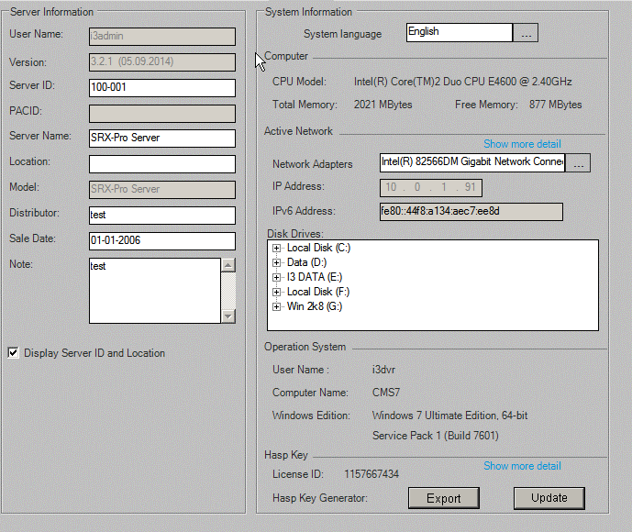
Step 1: Insert
tDVRServerInfo |  |  |  |  |  |  |  |  |  |  |  |  |  | tDVROSInfo |  |  |  |  |  |  |  |  | tDVRStorages |  |  |  |  |  |  |  |  |  |  |  | tDVRNetworkCard |  |  |  |  |  |  |  |  |  |  | tDVRNetwork
KDVR | Version | DvrName | Location | Model | UserName | PACID | Distributor | SaleDate | Note | Display | KLanguage | ServerIPv6 |  | KDVR | ComputerName | UserName | CPUModel | TotalMemory | FreeMemory | OSPlatform | OSVersion |  | KDVR | Drive | TotalSpace | FreeSpace | VolumeName | Use4Rec | StartRecDate | EndRecDate | DriveType | RecordDays | ChannelMask |  | KDVR | NetworkCardID | AdapterName | Description | MACAddress | IPv4List | Gatewayv4List | DNSv4List | IPv6List | Gatewayv6List | DNSv6List | KDVR | KNetworkType | KBandwidth | ControlPort | TextOverlayPort | LiveSearchPort | PACDBPort | BackupPort1 | BackupPort2 | BackupPort3 | CMSServerPort | MobileMainPort | MobileVideoPort | MobileKeepEventLog
504 | 3.2.1 (05.09.2014) | SRX-Pro Server |  | SRX-Pro Server | i3admin |  | test | 2006-01-01 00:00:00.000 | test | 1 | 1 | fe80::44f8:a134:aec7:ee8d |  | 504 | CMS7 | i3dvr | Intel(R) Core(TM)2 Duo CPU E4600 @ 2.40GHz | 2021 MBytes | 895 MBytes | Windows 7 Ultimate Edition, 64-bit | Service Pack 1 (Build 7601) |  | 504 | E: | 20939 | 12928 | I3 DATA | 90 | 7/17/2014 12:00:00 AM | 7/18/2014 12:00:00 AM | 3 | 2 | 0 |  | 504 | 0 | {C62E4E1A-5BEC-4989-898E-22B2211850D1} | Intel(R) 82566DM Gigabit Network Connection | 00-1C-C0-A0-83-2F | 10.0.1.91-255.0.0.0; | 10.0.0.63-0-0; | 8.8.8.8;8.8.4.4; | fe80::44f8:a134:aec7:ee8d-64; |  |  | 504 | 1 | 10240000 | 27221 | 6112 | 37222 | 6500 | 58021 | 58022 | 58023 | 1000 | 5001 | 5002 | 1

Step 2: Update
tDVRServerInfo |  |  |  |  |  |  |  |  |  |  |  |  |  | tDVROSInfo |  |  |  |  |  |  |  |  | tDVRStorages |  |  |  |  |  |  |  |  |  |  |  | tDVRNetworkCard |  |  |  |  |  |  |  |  |  |  | tDVRNetwork
KDVR | Version | DvrName | Location | Model | UserName | PACID | Distributor | SaleDate | Note | Display | KLanguage | ServerIPv6 |  | KDVR | ComputerName | UserName | CPUModel | TotalMemory | FreeMemory | OSPlatform | OSVersion |  | KDVR | Drive | TotalSpace | FreeSpace | VolumeName | Use4Rec | StartRecDate | EndRecDate | DriveType | RecordDays | ChannelMask |  | KDVR | NetworkCardID | AdapterName | Description | MACAddress | IPv4List | Gatewayv4List | DNSv4List | IPv6List | Gatewayv6List | DNSv6List | KDVR | KNetworkType | KBandwidth | ControlPort | TextOverlayPort | LiveSearchPort | PACDBPort | BackupPort1 | BackupPort2 | BackupPort3 | CMSServerPort | MobileMainPort | MobileVideoPort | MobileKeepEventLog
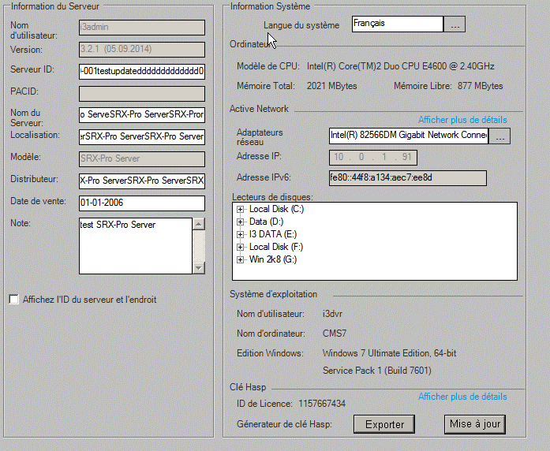
504 | 3.2.1 (05.09.2014) | SRX-Pro ServerSRX-Pro ServerSRX-Pro ServeSRX-Pro ServerSRX-Pror | SRX-Pro ServerSRX-Pro ServerSRX-Pro ServerSRX-Pro ServerSRX-Pro ServerSRX-Pro ServerSRX-Pro Server | SRX-Pro Server | i3admin |  | testSRX-Pro ServerSRX-Pro ServerSRX-Pro ServerSRX-Pro ServerSRX | 2006-01-01 00:00:00.000 | test SRX-Pro Server | 0 | 2 | fe80::44f8:a134:aec7:ee8d |  | 504 | CMS7 | i3dvr | Intel(R) Core(TM)2 Duo CPU E4600 @ 2.40GHz | 2021 MBytes | 843 MBytes | Windows 7 Ultimate Edition, 64-bit | Service Pack 1 (Build 7601) |  | 504 | E: | 20939 | 12928 | I3 DATA | 90 | 7/17/2014 12:00:00 AM | 7/18/2014 12:00:00 AM | 3 | 2 | 0 |  | 504 | 0 | {C62E4E1A-5BEC-4989-898E-22B2211850D1} | Intel(R) 82566DM Gigabit Network Connection | 00-1C-C0-A0-83-2F | 10.0.1.91-255.0.0.0; | 10.0.0.63-0-0; | 8.8.8.8;8.8.4.4; | fe80::44f8:a134:aec7:ee8d-64; |  |  | 504 | 1 | 10240000 | 27221 | 6112 | 37222 | 6500 | 58021 | 58022 | 58023 | 1000 | 5001 | 5002 | 1

System
Step 0: Before Insert
tDVRSystemInfo |  |  |  |  |  |  |  |  |  |  |  |  |  |  |  |  |  | tDVRRestartTime |  |  |  |  |  | tDVRSensors
KDVR | EnSyncNTP | SyncNTPHour | SyncNTPMinute | EnControlVLoss | EnAlarmVLoss | ControlVLoss | AlarmHourVLoss | AlarmMinVLoss | AlarmSecVLoss | AutoLogonOS | OSUserName | OSPassword | EnWatermark | DisplayWatermark | BaudratePTZ | KPort | ActiveSensorWaitTime | KDVR | KDay | Enable | Hour | Minute | RestartMode | SensorNo | KDVR | KIOCard | KSensor | Enable | ActivePanicBackup | Name | ActiveEmail | NoNc | LinkWithChannel | LinkWithControl | RealIndex

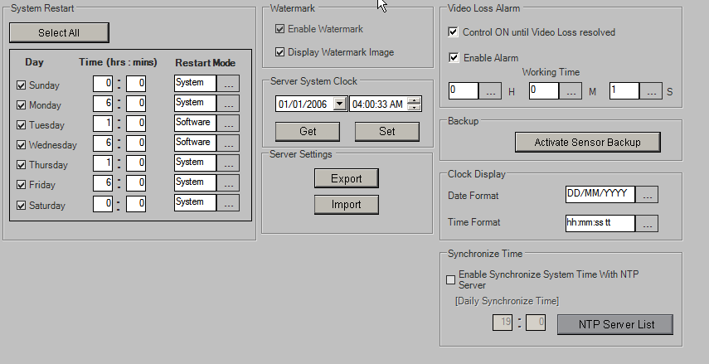
Step 1: Insert
tDVRSystemInfo |  |  |  |  |  |  |  |  |  |  |  |  |  |  |  |  |  | tDVRRestartTime |  |  |  |  |  | tDVRSensors
KDVR | EnSyncNTP | SyncNTPHour | SyncNTPMinute | EnControlVLoss | EnAlarmVLoss | ControlVLoss | AlarmHourVLoss | AlarmMinVLoss | AlarmSecVLoss | AutoLogonOS | OSUserName | OSPassword | EnWatermark | DisplayWatermark | BaudratePTZ | KPort | ActiveSensorWaitTime | KDVR | KDay | Enable | Hour | Minute | RestartMode | SensorNo | KDVR | KIOCard | KSensor | Enable | ActivePanicBackup | Name | ActiveEmail | NoNc | LinkWithChannel | LinkWithControl | RealIndex
504 | 0 | 19 | 0 | 1 | 1 | 0 | 0 | 0 | 1 | 0 | i3dvr | i3dvr | 1 | 1 | 19200 | 5223 | 0 | 504 | 0 | 1 | 0 | 0 | 0 | 0 | 504 | 187 | 7125 | 1 | 0 | Sensor 1 1 | 1 | 0 | 0 | 0 | 0
 |  |  |  |  |  |  |  |  |  |  |  |  |  |  |  |  |  | 504 | 1 | 1 | 6 | 0 | 0 | 1 | 504 | 187 | 7126 | 1 | 0 | Sensor 2 | 1 | 1 | 0 | 0 | 1
 |  |  |  |  |  |  |  |  |  |  |  |  |  |  |  |  |  | 504 | 2 | 1 | 1 | 0 | 1 | 2 | 504 | 188 | 7127 | 1 | 0 | Sensor 1 | 1 | 1 | 0 | 0 | 2
 |  |  |  |  |  |  |  |  |  |  |  |  |  |  |  |  |  | 504 | 3 | 1 | 6 | 0 | 1 | 3 | 504 | 188 | 7128 | 1 | 0 | Sensor 2 | 1 | 1 | 0 | 8 | 3
 |  |  |  |  |  |  |  |  |  |  |  |  |  |  |  |  |  | 504 | 4 | 1 | 1 | 0 | 0 | 4 | 504 | 188 | 7129 | 1 | 0 | Sensor 3 | 1 | 0 | 0 | 0 | 4
 |  |  |  |  |  |  |  |  |  |  |  |  |  |  |  |  |  | 504 | 5 | 1 | 6 | 0 | 0 | 5 | 504 | 188 | 7130 | 1 | 0 | Sensor 4 | 1 | 1 | 0 | 0 | 5
 |  |  |  |  |  |  |  |  |  |  |  |  |  |  |  |  |  | 504 | 6 | 1 | 0 | 0 | 0

Step 2: Update
tDVRSystemInfo |  |  |  |  |  |  |  |  |  |  |  |  |  |  |  |  |  | tDVRRestartTime |  |  |  |  |  | tDVRSensors
KDVR | EnSyncNTP | SyncNTPHour | SyncNTPMinute | EnControlVLoss | EnAlarmVLoss | ControlVLoss | AlarmHourVLoss | AlarmMinVLoss | AlarmSecVLoss | AutoLogonOS | OSUserName | OSPassword | EnWatermark | DisplayWatermark | BaudratePTZ | KPort | ActiveSensorWaitTime | KDVR | KDay | Enable | Hour | Minute | RestartMode | SensorNo | KDVR | KIOCard | KSensor | Enable | ActivePanicBackup | Name | ActiveEmail | NoNc | LinkWithChannel | LinkWithControl | RealIndex
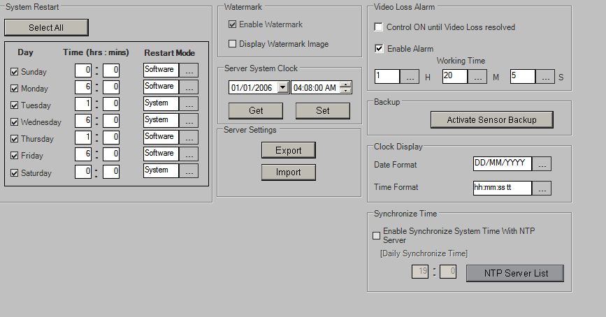
504 | 0 | 19 | 0 | 0 | 1 | 0 | 1 | 20 | 5 | 0 | i3dvr | i3dvr | 1 | 0 | 19200 | 5223 | 0 | 504 | 0 | 1 | 0 | 0 | 1 | 0 | 504 | 187 | 7125 | 1 | 1 | Sensor 1 1 | 1 | 0 | 0 | 0 | 0
 |  |  |  |  |  |  |  |  |  |  |  |  |  |  |  |  |  | 504 | 1 | 1 | 6 | 0 | 1 | 1 | 504 | 187 | 7126 | 1 | 1 | Sensor 2 | 1 | 1 | 0 | 0 | 1
 |  |  |  |  |  |  |  |  |  |  |  |  |  |  |  |  |  | 504 | 2 | 1 | 1 | 0 | 0 | 2 | 504 | 188 | 7127 | 1 | 1 | Sensor 1 | 1 | 1 | 0 | 0 | 2
 |  |  |  |  |  |  |  |  |  |  |  |  |  |  |  |  |  | 504 | 3 | 1 | 6 | 0 | 0 | 3 | 504 | 188 | 7128 | 1 | 1 | Sensor 2 | 1 | 1 | 0 | 8 | 3
 |  |  |  |  |  |  |  |  |  |  |  |  |  |  |  |  |  | 504 | 4 | 1 | 1 | 0 | 1 | 4 | 504 | 188 | 7129 | 1 | 1 | Sensor 3 | 1 | 0 | 0 | 0 | 4
 |  |  |  |  |  |  |  |  |  |  |  |  |  |  |  |  |  | 504 | 5 | 1 | 6 | 0 | 1 | 5 | 504 | 188 | 7130 | 1 | 1 | Sensor 4 | 1 | 1 | 0 | 0 | 5
 |  |  |  |  |  |  |  |  |  |  |  |  |  |  |  |  |  | 504 | 6 | 1 | 0 | 0 | 0

Intelli-Guard
Step 0: Before Insert
tDVRIGChannel |  | tDVRIGTrackers
KChannel | IntervalAlarm | KTracker | KChannel | StartX | StartY | Width | Height | EnSendEmail | EnableSound | WaveFile | UpdateBackground | AreaName | DetectionSize | DetectionSense | SoundDuration | FreshTime | ActiveTime | EnableControl | ControlNumber | ControlHour | ControlMinute | ControlSecond

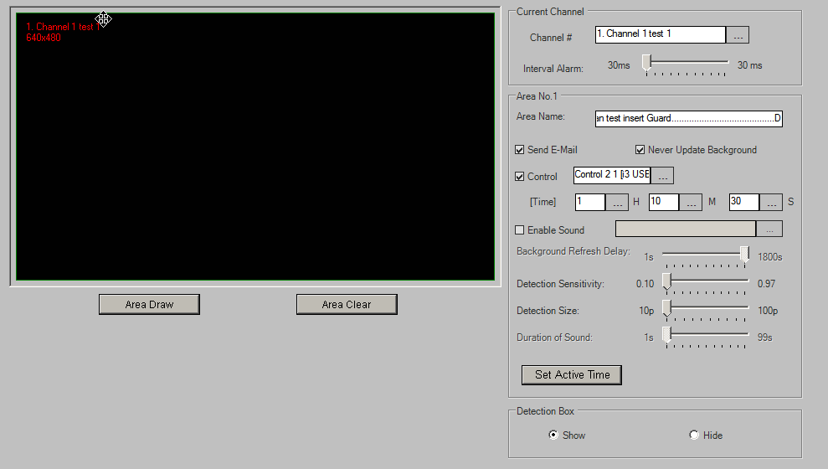
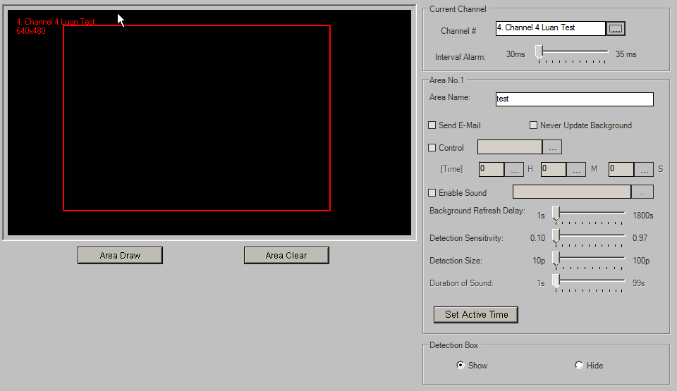
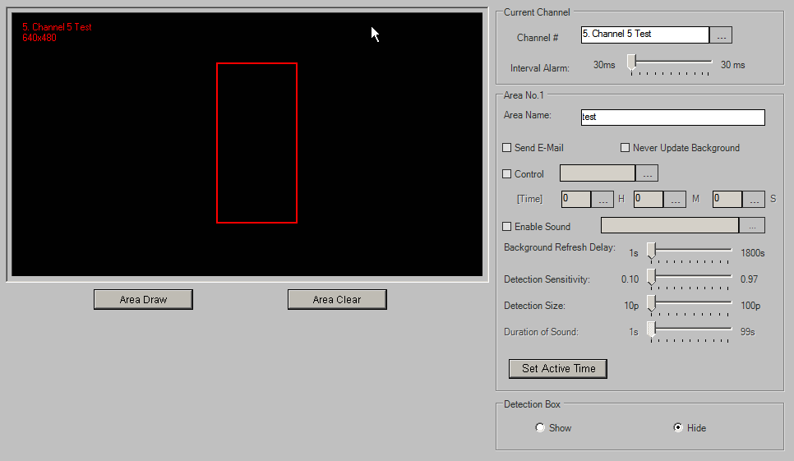
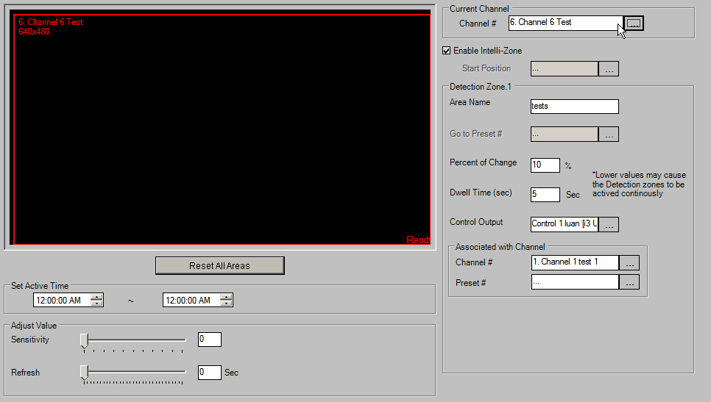
Step 1: Insert
tDVRIGChannel |  | tDVRIGTrackers
KChannel | IntervalAlarm | KTracker | KChannel | StartX | StartY | Width | Height | EnSendEmail | EnableSound | WaveFile | UpdateBackground | AreaName | DetectionSize | DetectionSense | SoundDuration | FreshTime | ActiveTime | EnableControl | ControlNumber | ControlHour | ControlMinute | ControlSecond
106680 | 30 | 590 | 106684 | 435 | 191 | 170 | 606 | 0 | 0 |  | 0 | test | 10 | 100 | 1 | 1 | 0 | 0 | 0 | 0 | 0 | 0
106683 | 35 | 591 | 106683 | 138 | 69 | 661 | 822 | 0 | 0 |  | 0 | test | 10 | 100 | 1 | 1 | 0 | 0 | 0 | 0 | 0 | 0
106684 | 30 | 592 | 106680 | 0 | 0 | 1000 | 1000 | 1 | 0 |  | 1 | Luan test insert Guard.........................................D | 10 | 100 | 1 | 1800 | 16777215 | 1 | 2 | 1 | 10 | 30

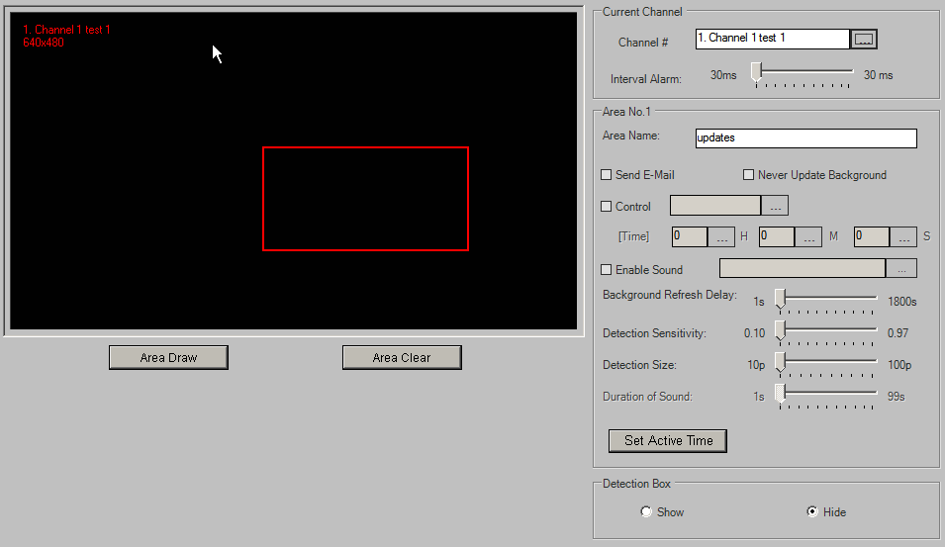
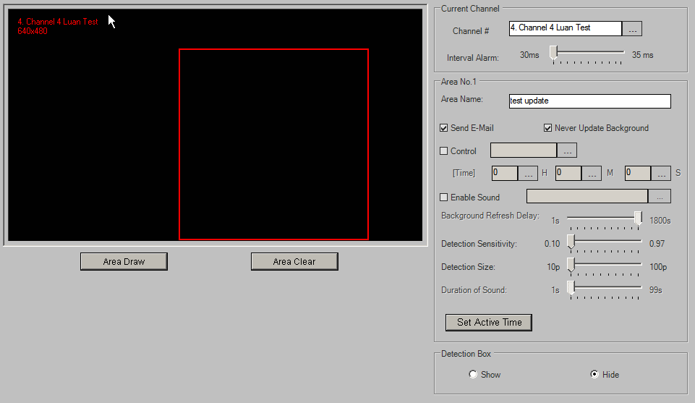
Step 2: Update
tDVRIGChannel |  | tDVRIGTrackers
KChannel | IntervalAlarm | KTracker | KChannel | StartX | StartY | Width | Height | EnSendEmail | EnableSound | WaveFile | UpdateBackground | AreaName | DetectionSize | DetectionSense | SoundDuration | FreshTime | ActiveTime | EnableControl | ControlNumber | ControlHour | ControlMinute | ControlSecond
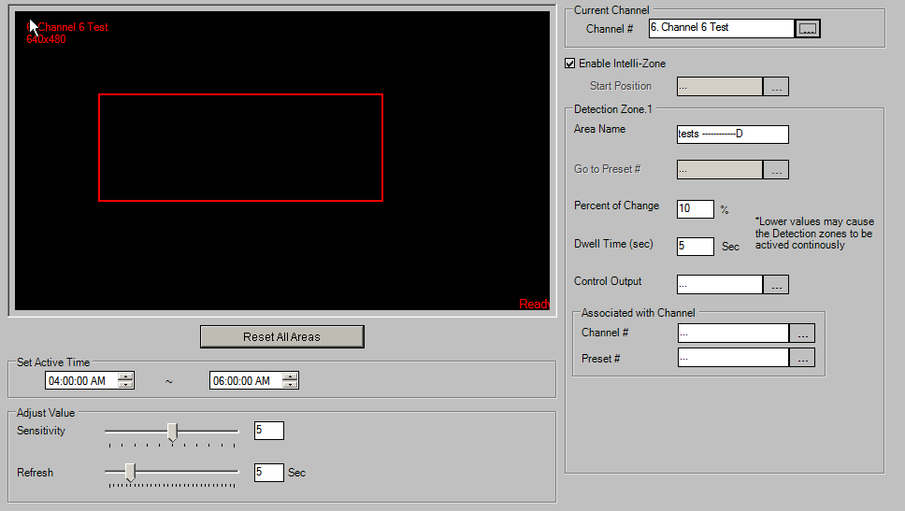
106680 | 30 | 590 | 106684 | 435 | 191 | 170 | 606 | 0 | 0 |  | 0 | test | 10 | 100 | 1 | 1 | 0 | 0 | 0 | 0 | 0 | 0
106683 | 35 | 593 | 106680 | 446 | 425 | 362 | 325 | 0 | 0 |  | 0 | updates | 10 | 100 | 1 | 1 | 0 | 0 | 0 | 0 | 0 | 0
106684 | 30 | 594 | 106683 | 413 | 172 | 456 | 822 | 1 | 0 |  | 1 | test update | 10 | 100 | 1 | 1800 | 0 | 0 | 0 | 0 | 0 | 0

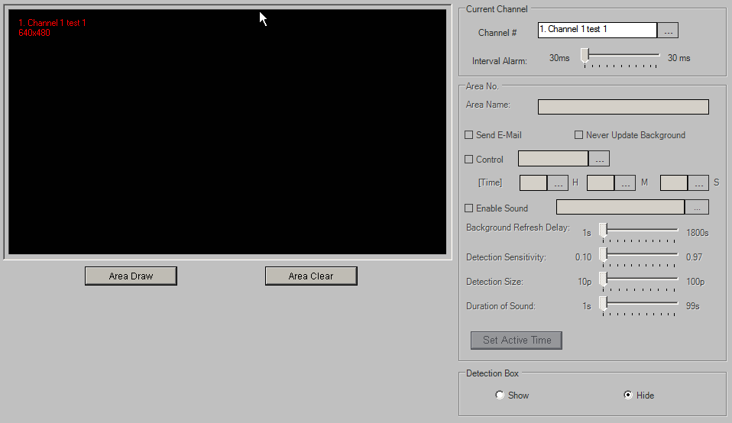

Step 3: Delete
tDVRIGChannel |  | tDVRIGTrackers
KChannel | IntervalAlarm | KTracker | KChannel | StartX | StartY | Width | Height | EnSendEmail | EnableSound | WaveFile | UpdateBackground | AreaName | DetectionSize | DetectionSense | SoundDuration | FreshTime | ActiveTime | EnableControl | ControlNumber | ControlHour | ControlMinute | ControlSecond
106684 | 30 | 590 | 106684 | 435 | 191 | 170 | 606 | 0 | 0 |  | 0 | test | 10 | 100 | 1 | 1 | 0 | 0 | 0 | 0 | 0 | 0

Communication
Step 0: Before Insert
tDVRNetwork
KDVR | Enable

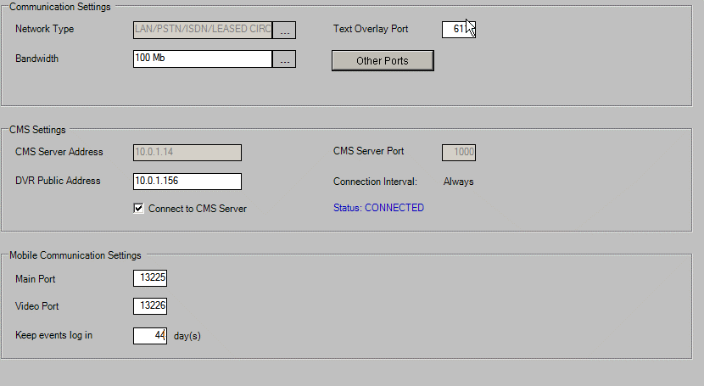
Step 1: Insert
tDVRNetwork
KDVR | KNetworkType | KBandwidth | ControlPort | TextOverlayPort | LiveSearchPort | PACDBPort | BackupPort1 | BackupPort2 | BackupPort3 | CMSServerPort | MobileMainPort | MobileVideoPort | MobileKeepEventLog
504 | 1 | 100000 | 27221 | 6111 | 37222 | 6500 | 58021 | 58022 | 58023 | 1000 | 13225 | 13226 | 44

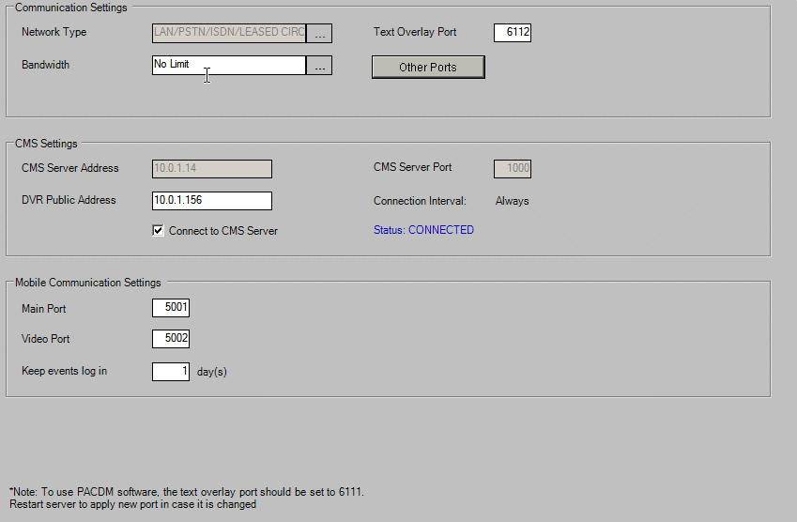
Step 2: Update
tDVRNetwork
KDVR | KNetworkType | KBandwidth | ControlPort | TextOverlayPort | LiveSearchPort | PACDBPort | BackupPort1 | BackupPort2 | BackupPort3 | CMSServerPort | MobileMainPort | MobileVideoPort | MobileKeepEventLog
504 | 1 | 10240000 | 27221 | 6112 | 37222 | 6500 | 58021 | 58022 | 58023 | 1000 | 5001 | 5002 | 1

Text Overlay
Step 0: Before Insert
tDVRTextOverlayChannels |  |  |  |  |  | tDVRTextOverlayConfig |  |  |  | tDVRTextOverlayTrackers
KChannel | ScrollDelay | TextDelay | Disable | Brightness | ShowColorMode | KDVR | EnableCollector | EnableEmail | IntervalEmail | KTracker | KChannel | StartX | StartY | Width | Height

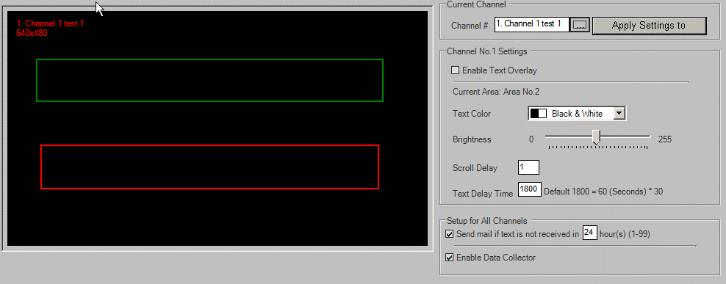
Step 1: Insert
tDVRTextOverlayChannels |  |  |  |  |  | tDVRTextOverlayConfig |  |  |  | tDVRTextOverlayTrackers
KChannel | ScrollDelay | TextDelay | Disable | Brightness | ShowColorMode | KDVR | EnableCollector | EnableEmail | IntervalEmail | KTracker | KChannel | StartY | StartX | Width | Height
106680 | 1 | 1800 | 1 | 122 | 0 | 504 | 1 | 1 | 24 | 213681 | 106680 | 206 | 70 | 823 | 178
106681 | 1 | 1800 | 1 | 122 | 0 |  |  |  |  | 213682 | 106680 | 572 | 80 | 802 | 184
106682 | 1 | 1800 | 1 | 122 | 0 |  |  |  |  | 213683 | 106681 | 30 | 70 | 860 | 170
106683 | 1 | 1800 | 0 | 122 | 0 |  |  |  |  | 213684 | 106681 | 740 | 70 | 860 | 170
106684 | 1 | 1800 | 1 | 122 | 0 |  |  |  |  | 213685 | 106682 | 30 | 70 | 860 | 170
106685 | 1 | 1800 | 1 | 122 | 0 |  |  |  |  | 213686 | 106682 | 740 | 70 | 860 | 170
106686 | 1 | 1800 | 1 | 122 | 0 |  |  |  |  | 213687 | 106683 | 216 | 75 | 855 | 169
106687 | 1 | 1800 | 1 | 122 | 0 |  |  |  |  | 213688 | 106683 | 631 | 70 | 860 | 169
106688 | 1 | 1800 | 1 | 122 | 0 |  |  |  |  | 213689 | 106684 | 144 | 75 | 663 | 169
106689 | 1 | 1800 | 1 | 122 | 0 |  |  |  |  | 213690 | 106684 | 734 | 593 | 276 | 169
106690 | 1 | 1800 | 1 | 122 | 0 |  |  |  |  | 213691 | 106685 | 30 | 70 | 860 | 170
106691 | 1 | 1800 | 1 | 122 | 0 |  |  |  |  | 213692 | 106685 | 740 | 70 | 860 | 170
106692 | 1 | 1800 | 1 | 122 | 0 |  |  |  |  | 213693 | 106686 | 30 | 70 | 860 | 170
106693 | 1 | 1800 | 1 | 122 | 0 |  |  |  |  | 213694 | 106686 | 740 | 70 | 860 | 170
106694 | 1 | 1800 | 1 | 122 | 0 |  |  |  |  | 213695 | 106687 | 30 | 70 | 860 | 170
106695 | 1 | 1800 | 1 | 122 | 0 |  |  |  |  | 213696 | 106687 | 740 | 70 | 860 | 170
106696 | 1 | 1800 | 1 | 122 | 0 |  |  |  |  | 213697 | 106688 | 30 | 70 | 860 | 170
106697 | 1 | 1800 | 1 | 122 | 0 |  |  |  |  | 213698 | 106688 | 740 | 70 | 860 | 170
106698 | 1 | 1800 | 1 | 122 | 0 |  |  |  |  | 213699 | 106689 | 30 | 70 | 860 | 170
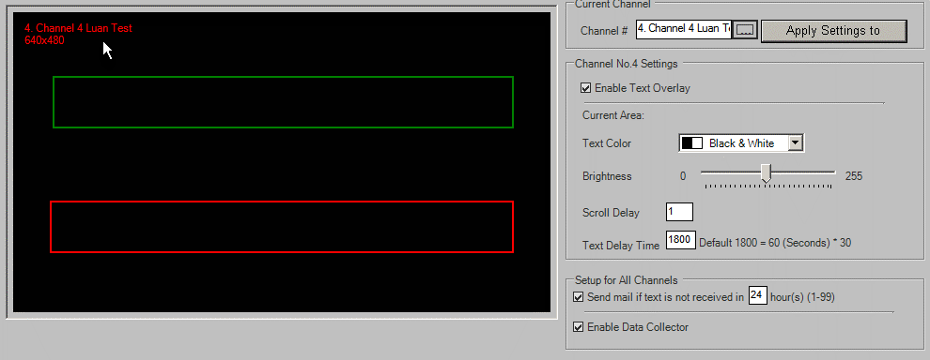
106699 | 1 | 1800 | 1 | 122 | 0 |  |  |  |  | 213700 | 106689 | 740 | 70 | 860 | 170
106700 | 1 | 1800 | 1 | 122 | 0 |  |  |  |  | 213701 | 106690 | 30 | 70 | 860 | 170
106701 | 1 | 1800 | 1 | 122 | 0 |  |  |  |  | 213702 | 106690 | 740 | 70 | 860 | 170
106702 | 1 | 1800 | 1 | 122 | 0 |  |  |  |  | 213703 | 106691 | 30 | 70 | 860 | 170
106703 | 1 | 1800 | 1 | 122 | 0 |  |  |  |  | 213704 | 106691 | 740 | 70 | 860 | 170
106704 | 1 | 1800 | 1 | 122 | 0 |  |  |  |  | 213705 | 106692 | 30 | 70 | 860 | 170
106705 | 1 | 1800 | 1 | 122 | 0 |  |  |  |  | 213706 | 106692 | 740 | 70 | 860 | 170
106706 | 1 | 1800 | 1 | 122 | 0 |  |  |  |  | 213707 | 106693 | 30 | 70 | 860 | 170
106707 | 1 | 1800 | 1 | 122 | 0 |  |  |  |  | 213708 | 106693 | 740 | 70 | 860 | 170
106708 | 1 | 1800 | 1 | 122 | 0 |  |  |  |  | 213709 | 106694 | 30 | 70 | 860 | 170
106709 | 1 | 1800 | 1 | 122 | 0 |  |  |  |  | 213710 | 106694 | 740 | 70 | 860 | 170
106710 | 1 | 1800 | 1 | 122 | 0 |  |  |  |  | 213711 | 106695 | 30 | 70 | 860 | 170
106711 | 1 | 1800 | 1 | 122 | 0 |  |  |  |  | 213712 | 106695 | 740 | 70 | 860 | 170
106712 | 1 | 1800 | 1 | 122 | 0 |  |  |  |  | 213713 | 106696 | 30 | 70 | 860 | 170
106713 | 1 | 1800 | 1 | 122 | 0 |  |  |  |  | 213714 | 106696 | 740 | 70 | 860 | 170
106714 | 1 | 1800 | 1 | 122 | 0 |  |  |  |  | 213715 | 106697 | 30 | 70 | 860 | 170
106715 | 1 | 1800 | 1 | 122 | 0 |  |  |  |  | 213716 | 106697 | 740 | 70 | 860 | 170
106716 | 1 | 1800 | 1 | 122 | 0 |  |  |  |  | 213717 | 106698 | 30 | 70 | 860 | 170
106717 | 1 | 1800 | 1 | 122 | 0 |  |  |  |  | 213718 | 106698 | 740 | 70 | 860 | 170
106718 | 1 | 1800 | 1 | 122 | 0 |  |  |  |  | 213719 | 106699 | 30 | 70 | 860 | 170
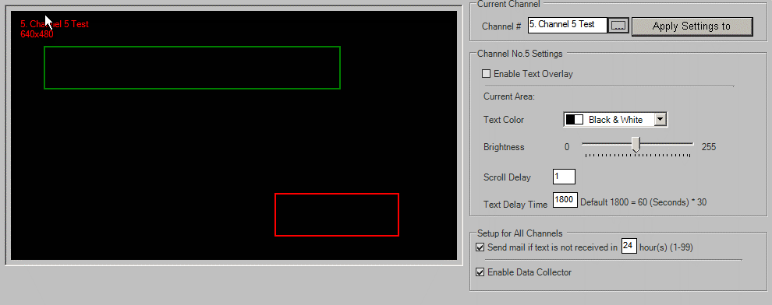
106719 | 1 | 1800 | 1 | 122 | 0 |  |  |  |  | 213720 | 106699 | 740 | 70 | 860 | 170
106720 | 1 | 1800 | 1 | 122 | 0 |  |  |  |  | 213721 | 106700 | 30 | 70 | 860 | 170
106721 | 1 | 1800 | 1 | 122 | 0 |  |  |  |  | 213722 | 106700 | 740 | 70 | 860 | 170
106722 | 1 | 1800 | 1 | 122 | 0 |  |  |  |  | 213723 | 106701 | 30 | 70 | 860 | 170
106723 | 1 | 1800 | 1 | 122 | 0 |  |  |  |  | 213724 | 106701 | 740 | 70 | 860 | 170
106724 | 1 | 1800 | 1 | 122 | 0 |  |  |  |  | 213725 | 106702 | 30 | 70 | 860 | 170
106725 | 1 | 1800 | 1 | 122 | 0 |  |  |  |  | 213726 | 106702 | 740 | 70 | 860 | 170
106726 | 1 | 1800 | 1 | 122 | 0 |  |  |  |  | 213727 | 106703 | 30 | 70 | 860 | 170
106727 | 1 | 1800 | 1 | 122 | 0 |  |  |  |  | 213728 | 106703 | 740 | 70 | 860 | 170
106728 | 1 | 1800 | 1 | 122 | 0 |  |  |  |  | 213729 | 106704 | 30 | 70 | 860 | 170
106729 | 1 | 1800 | 1 | 122 | 0 |  |  |  |  | 213730 | 106704 | 740 | 70 | 860 | 170
106730 | 1 | 1800 | 1 | 122 | 0 |  |  |  |  | 213731 | 106705 | 30 | 70 | 860 | 170
106731 | 1 | 1800 | 1 | 122 | 0 |  |  |  |  | 213732 | 106705 | 740 | 70 | 860 | 170
106732 | 1 | 1800 | 1 | 122 | 0 |  |  |  |  | 213733 | 106706 | 30 | 70 | 860 | 170
106733 | 1 | 1800 | 1 | 122 | 0 |  |  |  |  | 213734 | 106706 | 740 | 70 | 860 | 170
106734 | 1 | 1800 | 1 | 122 | 0 |  |  |  |  | 213735 | 106707 | 30 | 70 | 860 | 170
106735 | 1 | 1800 | 1 | 122 | 0 |  |  |  |  | 213736 | 106707 | 740 | 70 | 860 | 170
106736 | 1 | 1800 | 1 | 122 | 0 |  |  |  |  | 213737 | 106708 | 30 | 70 | 860 | 170
106737 | 1 | 1800 | 1 | 122 | 0 |  |  |  |  | 213738 | 106708 | 740 | 70 | 860 | 170
106738 | 1 | 1800 | 1 | 122 | 0 |  |  |  |  | 213739 | 106709 | 30 | 70 | 860 | 170
106739 | 1 | 1800 | 1 | 122 | 0 |  |  |  |  | 213740 | 106709 | 740 | 70 | 860 | 170
106740 | 1 | 1800 | 1 | 122 | 0 |  |  |  |  | 213741 | 106710 | 30 | 70 | 860 | 170
106741 | 1 | 1800 | 1 | 122 | 0 |  |  |  |  | 213742 | 106710 | 740 | 70 | 860 | 170
106742 | 1 | 1800 | 1 | 122 | 0 |  |  |  |  | 213743 | 106711 | 30 | 70 | 860 | 170
106743 | 1 | 1800 | 1 | 122 | 0 |  |  |  |  | 213744 | 106711 | 740 | 70 | 860 | 170
 |  |  |  |  |  |  |  |  |  | 213745 | 106712 | 30 | 70 | 860 | 170
 |  |  |  |  |  |  |  |  |  | 213746 | 106712 | 740 | 70 | 860 | 170
 |  |  |  |  |  |  |  |  |  | 213747 | 106713 | 30 | 70 | 860 | 170
 |  |  |  |  |  |  |  |  |  | 213748 | 106713 | 740 | 70 | 860 | 170
 |  |  |  |  |  |  |  |  |  | 213749 | 106714 | 30 | 70 | 860 | 170
 |  |  |  |  |  |  |  |  |  | 213750 | 106714 | 740 | 70 | 860 | 170
 |  |  |  |  |  |  |  |  |  | 213751 | 106715 | 30 | 70 | 860 | 170
 |  |  |  |  |  |  |  |  |  | 213752 | 106715 | 740 | 70 | 860 | 170
 |  |  |  |  |  |  |  |  |  | 213753 | 106716 | 30 | 70 | 860 | 170
 |  |  |  |  |  |  |  |  |  | 213754 | 106716 | 740 | 70 | 860 | 170
 |  |  |  |  |  |  |  |  |  | 213755 | 106717 | 30 | 70 | 860 | 170
 |  |  |  |  |  |  |  |  |  | 213756 | 106717 | 740 | 70 | 860 | 170
 |  |  |  |  |  |  |  |  |  | 213757 | 106718 | 30 | 70 | 860 | 170
 |  |  |  |  |  |  |  |  |  | 213758 | 106718 | 740 | 70 | 860 | 170
 |  |  |  |  |  |  |  |  |  | 213759 | 106719 | 30 | 70 | 860 | 170
 |  |  |  |  |  |  |  |  |  | 213760 | 106719 | 740 | 70 | 860 | 170
 |  |  |  |  |  |  |  |  |  | 213761 | 106720 | 30 | 70 | 860 | 170
 |  |  |  |  |  |  |  |  |  | 213762 | 106720 | 740 | 70 | 860 | 170
 |  |  |  |  |  |  |  |  |  | 213763 | 106721 | 30 | 70 | 860 | 170
 |  |  |  |  |  |  |  |  |  | 213764 | 106721 | 740 | 70 | 860 | 170
 |  |  |  |  |  |  |  |  |  | 213765 | 106722 | 30 | 70 | 860 | 170
 |  |  |  |  |  |  |  |  |  | 213766 | 106722 | 740 | 70 | 860 | 170
 |  |  |  |  |  |  |  |  |  | 213767 | 106723 | 30 | 70 | 860 | 170
 |  |  |  |  |  |  |  |  |  | 213768 | 106723 | 740 | 70 | 860 | 170
 |  |  |  |  |  |  |  |  |  | 213769 | 106724 | 30 | 70 | 860 | 170
 |  |  |  |  |  |  |  |  |  | 213770 | 106724 | 740 | 70 | 860 | 170
 |  |  |  |  |  |  |  |  |  | 213771 | 106725 | 30 | 70 | 860 | 170
 |  |  |  |  |  |  |  |  |  | 213772 | 106725 | 740 | 70 | 860 | 170
 |  |  |  |  |  |  |  |  |  | 213773 | 106726 | 30 | 70 | 860 | 170
 |  |  |  |  |  |  |  |  |  | 213774 | 106726 | 740 | 70 | 860 | 170
 |  |  |  |  |  |  |  |  |  | 213775 | 106727 | 30 | 70 | 860 | 170
 |  |  |  |  |  |  |  |  |  | 213776 | 106727 | 740 | 70 | 860 | 170
 |  |  |  |  |  |  |  |  |  | 213777 | 106728 | 30 | 70 | 860 | 170
 |  |  |  |  |  |  |  |  |  | 213778 | 106728 | 740 | 70 | 860 | 170
 |  |  |  |  |  |  |  |  |  | 213779 | 106729 | 30 | 70 | 860 | 170
 |  |  |  |  |  |  |  |  |  | 213780 | 106729 | 740 | 70 | 860 | 170
 |  |  |  |  |  |  |  |  |  | 213781 | 106730 | 30 | 70 | 860 | 170
 |  |  |  |  |  |  |  |  |  | 213782 | 106730 | 740 | 70 | 860 | 170
 |  |  |  |  |  |  |  |  |  | 213783 | 106731 | 30 | 70 | 860 | 170
 |  |  |  |  |  |  |  |  |  | 213784 | 106731 | 740 | 70 | 860 | 170
 |  |  |  |  |  |  |  |  |  | 213785 | 106732 | 30 | 70 | 860 | 170
 |  |  |  |  |  |  |  |  |  | 213786 | 106732 | 740 | 70 | 860 | 170
 |  |  |  |  |  |  |  |  |  | 213787 | 106733 | 30 | 70 | 860 | 170
 |  |  |  |  |  |  |  |  |  | 213788 | 106733 | 740 | 70 | 860 | 170
 |  |  |  |  |  |  |  |  |  | 213789 | 106734 | 30 | 70 | 860 | 170
 |  |  |  |  |  |  |  |  |  | 213790 | 106734 | 740 | 70 | 860 | 170
 |  |  |  |  |  |  |  |  |  | 213791 | 106735 | 30 | 70 | 860 | 170
 |  |  |  |  |  |  |  |  |  | 213792 | 106735 | 740 | 70 | 860 | 170
 |  |  |  |  |  |  |  |  |  | 213793 | 106736 | 30 | 70 | 860 | 170
 |  |  |  |  |  |  |  |  |  | 213794 | 106736 | 740 | 70 | 860 | 170
 |  |  |  |  |  |  |  |  |  | 213795 | 106737 | 30 | 70 | 860 | 170
 |  |  |  |  |  |  |  |  |  | 213796 | 106737 | 740 | 70 | 860 | 170
 |  |  |  |  |  |  |  |  |  | 213797 | 106738 | 30 | 70 | 860 | 170
 |  |  |  |  |  |  |  |  |  | 213798 | 106738 | 740 | 70 | 860 | 170
 |  |  |  |  |  |  |  |  |  | 213799 | 106739 | 30 | 70 | 860 | 170
 |  |  |  |  |  |  |  |  |  | 213800 | 106739 | 740 | 70 | 860 | 170
 |  |  |  |  |  |  |  |  |  | 213801 | 106740 | 30 | 70 | 860 | 170
 |  |  |  |  |  |  |  |  |  | 213802 | 106740 | 740 | 70 | 860 | 170
 |  |  |  |  |  |  |  |  |  | 213803 | 106741 | 30 | 70 | 860 | 170
 |  |  |  |  |  |  |  |  |  | 213804 | 106741 | 740 | 70 | 860 | 170
 |  |  |  |  |  |  |  |  |  | 213805 | 106742 | 30 | 70 | 860 | 170
 |  |  |  |  |  |  |  |  |  | 213806 | 106742 | 740 | 70 | 860 | 170
 |  |  |  |  |  |  |  |  |  | 213807 | 106743 | 30 | 70 | 860 | 170
 |  |  |  |  |  |  |  |  |  | 213808 | 106743 | 740 | 70 | 860 | 170

Step 2: Update
tDVRTextOverlayChannels |  |  |  |  |  | tDVRTextOverlayConfig |  |  |  | tDVRTextOverlayTrackers
KChannel | ScrollDelay | TextDelay | Disable | Brightness | ShowColorMode | KDVR | EnableCollector | EnableEmail | IntervalEmail | KTracker | KChannel | StartY | StartX | Width | Height
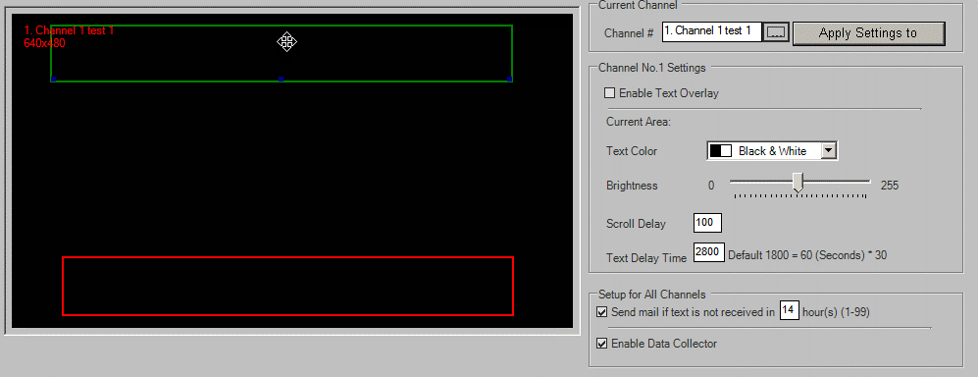
106680 | 100 | 2800 | 1 | 122 | 0 | 504 | 1 | 1 | 14
106681 | 1 | 1800 | 1 | 122 | 0
106682 | 1 | 1800 | 1 | 122 | 0 |  |  |  |  | 213683 | 106681 | 30 | 70 | 860 | 170
106683 | 100 | 1800 | 0 | 122 | 7 |  |  |  |  | 213684 | 106681 | 740 | 70 | 860 | 170
106684 | 1 | 1800 | 1 | 122 | 3 |  |  |  |  | 213685 | 106682 | 30 | 70 | 860 | 170
106685 | 1 | 1800 | 1 | 122 | 0 |  |  |  |  | 213686 | 106682 | 740 | 70 | 860 | 170
106686 | 1 | 1800 | 1 | 122 | 0
106687 | 1 | 1800 | 1 | 122 | 0
106688 | 1 | 1800 | 1 | 122 | 0
106689 | 1 | 1800 | 1 | 122 | 0
106690 | 1 | 1800 | 1 | 122 | 0 |  |  |  |  | 213691 | 106685 | 30 | 70 | 860 | 170
106691 | 1 | 1800 | 1 | 122 | 0 |  |  |  |  | 213692 | 106685 | 740 | 70 | 860 | 170
106692 | 1 | 1800 | 1 | 122 | 0 |  |  |  |  | 213693 | 106686 | 30 | 70 | 860 | 170
106693 | 1 | 1800 | 1 | 122 | 0 |  |  |  |  | 213694 | 106686 | 740 | 70 | 860 | 170
106694 | 1 | 1800 | 1 | 122 | 0 |  |  |  |  | 213695 | 106687 | 30 | 70 | 860 | 170
106695 | 1 | 1800 | 1 | 122 | 0 |  |  |  |  | 213696 | 106687 | 740 | 70 | 860 | 170
106696 | 1 | 1800 | 1 | 122 | 0 |  |  |  |  | 213697 | 106688 | 30 | 70 | 860 | 170
106697 | 1 | 1800 | 1 | 122 | 0 |  |  |  |  | 213698 | 106688 | 740 | 70 | 860 | 170
106698 | 1 | 1800 | 1 | 122 | 0 |  |  |  |  | 213699 | 106689 | 30 | 70 | 860 | 170
106699 | 1 | 1800 | 1 | 122 | 0 |  |  |  |  | 213700 | 106689 | 740 | 70 | 860 | 170
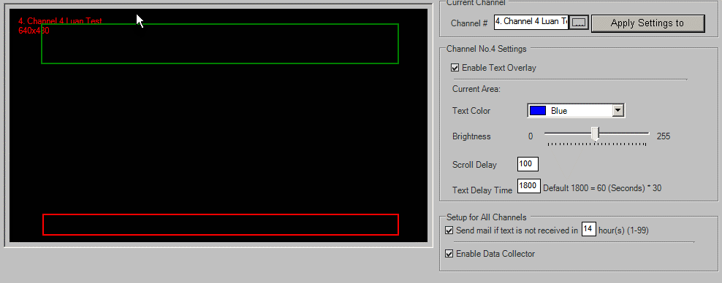
106700 | 1 | 1800 | 1 | 122 | 0 |  |  |  |  | 213701 | 106690 | 30 | 70 | 860 | 170
106701 | 1 | 1800 | 1 | 122 | 0 |  |  |  |  | 213702 | 106690 | 740 | 70 | 860 | 170
106702 | 1 | 1800 | 1 | 122 | 0 |  |  |  |  | 213703 | 106691 | 30 | 70 | 860 | 170
106703 | 1 | 1800 | 1 | 122 | 0 |  |  |  |  | 213704 | 106691 | 740 | 70 | 860 | 170
106704 | 1 | 1800 | 1 | 122 | 0 |  |  |  |  | 213705 | 106692 | 30 | 70 | 860 | 170
106705 | 1 | 1800 | 1 | 122 | 0 |  |  |  |  | 213706 | 106692 | 740 | 70 | 860 | 170
106706 | 1 | 1800 | 1 | 122 | 0 |  |  |  |  | 213707 | 106693 | 30 | 70 | 860 | 170
106707 | 1 | 1800 | 1 | 122 | 0 |  |  |  |  | 213708 | 106693 | 740 | 70 | 860 | 170
106708 | 1 | 1800 | 1 | 122 | 0 |  |  |  |  | 213709 | 106694 | 30 | 70 | 860 | 170
106709 | 1 | 1800 | 1 | 122 | 0 |  |  |  |  | 213710 | 106694 | 740 | 70 | 860 | 170
106710 | 1 | 1800 | 1 | 122 | 0 |  |  |  |  | 213711 | 106695 | 30 | 70 | 860 | 170
106711 | 1 | 1800 | 1 | 122 | 0 |  |  |  |  | 213712 | 106695 | 740 | 70 | 860 | 170
106712 | 1 | 1800 | 1 | 122 | 0 |  |  |  |  | 213713 | 106696 | 30 | 70 | 860 | 170
106713 | 1 | 1800 | 1 | 122 | 0 |  |  |  |  | 213714 | 106696 | 740 | 70 | 860 | 170
106714 | 1 | 1800 | 1 | 122 | 0 |  |  |  |  | 213715 | 106697 | 30 | 70 | 860 | 170
106715 | 1 | 1800 | 1 | 122 | 0 |  |  |  |  | 213716 | 106697 | 740 | 70 | 860 | 170
106716 | 1 | 1800 | 1 | 122 | 0 |  |  |  |  | 213717 | 106698 | 30 | 70 | 860 | 170
106717 | 1 | 1800 | 1 | 122 | 0 |  |  |  |  | 213718 | 106698 | 740 | 70 | 860 | 170
106718 | 1 | 1800 | 1 | 122 | 0 |  |  |  |  | 213719 | 106699 | 30 | 70 | 860 | 170
106719 | 1 | 1800 | 1 | 122 | 0 |  |  |  |  | 213720 | 106699 | 740 | 70 | 860 | 170
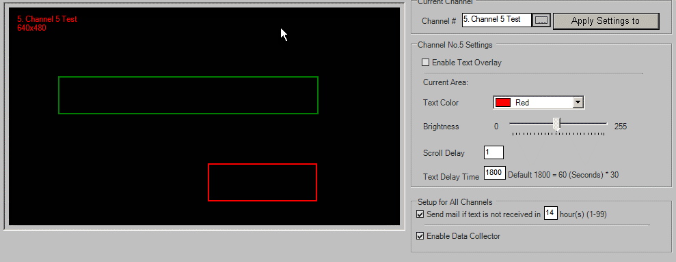
106720 | 1 | 1800 | 1 | 122 | 0 |  |  |  |  | 213721 | 106700 | 30 | 70 | 860 | 170
106721 | 1 | 1800 | 1 | 122 | 0 |  |  |  |  | 213722 | 106700 | 740 | 70 | 860 | 170
106722 | 1 | 1800 | 1 | 122 | 0 |  |  |  |  | 213723 | 106701 | 30 | 70 | 860 | 170
106723 | 1 | 1800 | 1 | 122 | 0 |  |  |  |  | 213724 | 106701 | 740 | 70 | 860 | 170
106724 | 1 | 1800 | 1 | 122 | 0 |  |  |  |  | 213725 | 106702 | 30 | 70 | 860 | 170
106725 | 1 | 1800 | 1 | 122 | 0 |  |  |  |  | 213726 | 106702 | 740 | 70 | 860 | 170
106726 | 1 | 1800 | 1 | 122 | 0 |  |  |  |  | 213727 | 106703 | 30 | 70 | 860 | 170
106727 | 1 | 1800 | 1 | 122 | 0 |  |  |  |  | 213728 | 106703 | 740 | 70 | 860 | 170
106728 | 1 | 1800 | 1 | 122 | 0 |  |  |  |  | 213729 | 106704 | 30 | 70 | 860 | 170
106729 | 1 | 1800 | 1 | 122 | 0 |  |  |  |  | 213730 | 106704 | 740 | 70 | 860 | 170
106730 | 1 | 1800 | 1 | 122 | 0 |  |  |  |  | 213731 | 106705 | 30 | 70 | 860 | 170
106731 | 1 | 1800 | 1 | 122 | 0 |  |  |  |  | 213732 | 106705 | 740 | 70 | 860 | 170
106732 | 1 | 1800 | 1 | 122 | 0 |  |  |  |  | 213733 | 106706 | 30 | 70 | 860 | 170
106733 | 1 | 1800 | 1 | 122 | 0 |  |  |  |  | 213734 | 106706 | 740 | 70 | 860 | 170
106734 | 1 | 1800 | 1 | 122 | 0 |  |  |  |  | 213735 | 106707 | 30 | 70 | 860 | 170
106735 | 1 | 1800 | 1 | 122 | 0 |  |  |  |  | 213736 | 106707 | 740 | 70 | 860 | 170
106736 | 1 | 1800 | 1 | 122 | 0 |  |  |  |  | 213737 | 106708 | 30 | 70 | 860 | 170
106737 | 1 | 1800 | 1 | 122 | 0 |  |  |  |  | 213738 | 106708 | 740 | 70 | 860 | 170
106738 | 1 | 1800 | 1 | 122 | 0 |  |  |  |  | 213739 | 106709 | 30 | 70 | 860 | 170
106739 | 1 | 1800 | 1 | 122 | 0 |  |  |  |  | 213740 | 106709 | 740 | 70 | 860 | 170
106740 | 1 | 1800 | 1 | 122 | 0 |  |  |  |  | 213741 | 106710 | 30 | 70 | 860 | 170
106741 | 1 | 1800 | 1 | 122 | 0 |  |  |  |  | 213742 | 106710 | 740 | 70 | 860 | 170
106742 | 1 | 1800 | 1 | 122 | 0 |  |  |  |  | 213743 | 106711 | 30 | 70 | 860 | 170
106743 | 1 | 1800 | 1 | 122 | 0 |  |  |  |  | 213744 | 106711 | 740 | 70 | 860 | 170
 |  |  |  |  |  |  |  |  |  | 213745 | 106712 | 30 | 70 | 860 | 170
 |  |  |  |  |  |  |  |  |  | 213746 | 106712 | 740 | 70 | 860 | 170
 |  |  |  |  |  |  |  |  |  | 213747 | 106713 | 30 | 70 | 860 | 170
 |  |  |  |  |  |  |  |  |  | 213748 | 106713 | 740 | 70 | 860 | 170
 |  |  |  |  |  |  |  |  |  | 213749 | 106714 | 30 | 70 | 860 | 170
 |  |  |  |  |  |  |  |  |  | 213750 | 106714 | 740 | 70 | 860 | 170
 |  |  |  |  |  |  |  |  |  | 213751 | 106715 | 30 | 70 | 860 | 170
 |  |  |  |  |  |  |  |  |  | 213752 | 106715 | 740 | 70 | 860 | 170
 |  |  |  |  |  |  |  |  |  | 213753 | 106716 | 30 | 70 | 860 | 170
 |  |  |  |  |  |  |  |  |  | 213754 | 106716 | 740 | 70 | 860 | 170
 |  |  |  |  |  |  |  |  |  | 213755 | 106717 | 30 | 70 | 860 | 170
 |  |  |  |  |  |  |  |  |  | 213756 | 106717 | 740 | 70 | 860 | 170
 |  |  |  |  |  |  |  |  |  | 213757 | 106718 | 30 | 70 | 860 | 170
 |  |  |  |  |  |  |  |  |  | 213758 | 106718 | 740 | 70 | 860 | 170
 |  |  |  |  |  |  |  |  |  | 213759 | 106719 | 30 | 70 | 860 | 170
 |  |  |  |  |  |  |  |  |  | 213760 | 106719 | 740 | 70 | 860 | 170
 |  |  |  |  |  |  |  |  |  | 213761 | 106720 | 30 | 70 | 860 | 170
 |  |  |  |  |  |  |  |  |  | 213762 | 106720 | 740 | 70 | 860 | 170
 |  |  |  |  |  |  |  |  |  | 213763 | 106721 | 30 | 70 | 860 | 170
 |  |  |  |  |  |  |  |  |  | 213764 | 106721 | 740 | 70 | 860 | 170
 |  |  |  |  |  |  |  |  |  | 213765 | 106722 | 30 | 70 | 860 | 170
 |  |  |  |  |  |  |  |  |  | 213766 | 106722 | 740 | 70 | 860 | 170
 |  |  |  |  |  |  |  |  |  | 213767 | 106723 | 30 | 70 | 860 | 170
 |  |  |  |  |  |  |  |  |  | 213768 | 106723 | 740 | 70 | 860 | 170
 |  |  |  |  |  |  |  |  |  | 213769 | 106724 | 30 | 70 | 860 | 170
 |  |  |  |  |  |  |  |  |  | 213770 | 106724 | 740 | 70 | 860 | 170
 |  |  |  |  |  |  |  |  |  | 213771 | 106725 | 30 | 70 | 860 | 170
 |  |  |  |  |  |  |  |  |  | 213772 | 106725 | 740 | 70 | 860 | 170
 |  |  |  |  |  |  |  |  |  | 213773 | 106726 | 30 | 70 | 860 | 170
 |  |  |  |  |  |  |  |  |  | 213774 | 106726 | 740 | 70 | 860 | 170
 |  |  |  |  |  |  |  |  |  | 213775 | 106727 | 30 | 70 | 860 | 170
 |  |  |  |  |  |  |  |  |  | 213776 | 106727 | 740 | 70 | 860 | 170
 |  |  |  |  |  |  |  |  |  | 213777 | 106728 | 30 | 70 | 860 | 170
 |  |  |  |  |  |  |  |  |  | 213778 | 106728 | 740 | 70 | 860 | 170
 |  |  |  |  |  |  |  |  |  | 213779 | 106729 | 30 | 70 | 860 | 170
 |  |  |  |  |  |  |  |  |  | 213780 | 106729 | 740 | 70 | 860 | 170
 |  |  |  |  |  |  |  |  |  | 213781 | 106730 | 30 | 70 | 860 | 170
 |  |  |  |  |  |  |  |  |  | 213782 | 106730 | 740 | 70 | 860 | 170
 |  |  |  |  |  |  |  |  |  | 213783 | 106731 | 30 | 70 | 860 | 170
 |  |  |  |  |  |  |  |  |  | 213784 | 106731 | 740 | 70 | 860 | 170
 |  |  |  |  |  |  |  |  |  | 213785 | 106732 | 30 | 70 | 860 | 170
 |  |  |  |  |  |  |  |  |  | 213786 | 106732 | 740 | 70 | 860 | 170
 |  |  |  |  |  |  |  |  |  | 213787 | 106733 | 30 | 70 | 860 | 170
 |  |  |  |  |  |  |  |  |  | 213788 | 106733 | 740 | 70 | 860 | 170
 |  |  |  |  |  |  |  |  |  | 213789 | 106734 | 30 | 70 | 860 | 170
 |  |  |  |  |  |  |  |  |  | 213790 | 106734 | 740 | 70 | 860 | 170
 |  |  |  |  |  |  |  |  |  | 213791 | 106735 | 30 | 70 | 860 | 170
 |  |  |  |  |  |  |  |  |  | 213792 | 106735 | 740 | 70 | 860 | 170
 |  |  |  |  |  |  |  |  |  | 213793 | 106736 | 30 | 70 | 860 | 170
 |  |  |  |  |  |  |  |  |  | 213794 | 106736 | 740 | 70 | 860 | 170
 |  |  |  |  |  |  |  |  |  | 213795 | 106737 | 30 | 70 | 860 | 170
 |  |  |  |  |  |  |  |  |  | 213796 | 106737 | 740 | 70 | 860 | 170
 |  |  |  |  |  |  |  |  |  | 213797 | 106738 | 30 | 70 | 860 | 170
 |  |  |  |  |  |  |  |  |  | 213798 | 106738 | 740 | 70 | 860 | 170
 |  |  |  |  |  |  |  |  |  | 213799 | 106739 | 30 | 70 | 860 | 170
 |  |  |  |  |  |  |  |  |  | 213800 | 106739 | 740 | 70 | 860 | 170
 |  |  |  |  |  |  |  |  |  | 213801 | 106740 | 30 | 70 | 860 | 170
 |  |  |  |  |  |  |  |  |  | 213802 | 106740 | 740 | 70 | 860 | 170
 |  |  |  |  |  |  |  |  |  | 213803 | 106741 | 30 | 70 | 860 | 170
 |  |  |  |  |  |  |  |  |  | 213804 | 106741 | 740 | 70 | 860 | 170
 |  |  |  |  |  |  |  |  |  | 213805 | 106742 | 30 | 70 | 860 | 170
 |  |  |  |  |  |  |  |  |  | 213806 | 106742 | 740 | 70 | 860 | 170
 |  |  |  |  |  |  |  |  |  | 213807 | 106743 | 30 | 70 | 860 | 170
 |  |  |  |  |  |  |  |  |  | 213808 | 106743 | 740 | 70 | 860 | 170
 |  |  |  |  |  |  |  |  |  | 213809 | 106680 | 38 | 70 | 822 | 178
 |  |  |  |  |  |  |  |  |  | 213810 | 106680 | 775 | 91 | 802 | 184
 |  |  |  |  |  |  |  |  |  | 213811 | 106683 | 66 | 77 | 853 | 169
 |  |  |  |  |  |  |  |  |  | 213812 | 106683 | 881 | 80 | 850 | 88
 |  |  |  |  |  |  |  |  |  | 213813 | 106684 | 319 | 128 | 663 | 169
 |  |  |  |  |  |  |  |  |  | 213814 | 106684 | 719 | 510 | 276 | 169

EMail
Step 0: Before Insert
tDVREmail |  |  |  |  |  |  |  |  |  |  |  |  |  |  |  |  |  | tDVRSensors
KDVR | Enable | EnableVLoss | Threshold | TransmissionDelay | ToAddress | FromAddress | FromName | SMTPIP | SMTPPort | KSMTPLoginMethod | SMTPUserName | SMTPPassword | ServerStatusSendEmail | ServerStatusChannelImage | ServerStatusSendEmailEvery | ServerStatusEmailTitle | VideoLossDwelltime | SensorNo | KDVR | KIOCard | KSensor | Enable | ActivePanicBackup | Name | ActiveEmail | NoNc | LinkWithChannel | LinkWithControl | RealIndex

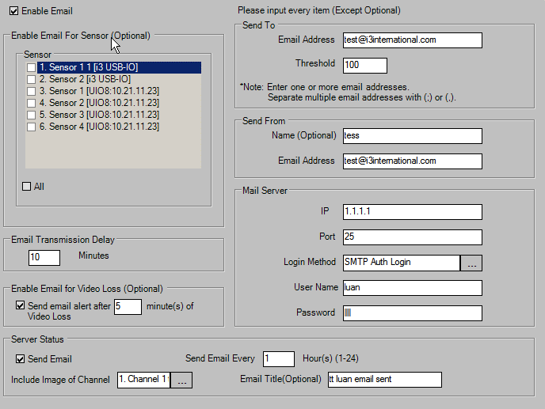
Step 1: Insert
tDVREmail |  |  |  |  |  |  |  |  |  |  |  |  |  |  |  |  |  | tDVRSensors
KDVR | Enable | EnableVLoss | Threshold | TransmissionDelay | ToAddress | FromAddress | FromName | SMTPIP | SMTPPort | KSMTPLoginMethod | SMTPUserName | SMTPPassword | ServerStatusSendEmail | ServerStatusChannelImage | ServerStatusSendEmailEvery | ServerStatusEmailTitle | VideoLossDwelltime | SensorNo | KDVR | KIOCard | KSensor | Enable | ActivePanicBackup | Name | ActiveEmail | NoNc | LinkWithChannel | LinkWithControl | RealIndex
504 | 1 | 1 | 100 | 10 | test@i3international.com | test@i3international.com | tess | 1.1.1.1 | 25 | Auth Login | luan | test | 1 | 1 | 1 | tt luan email sent | 5 | 0 | 504 | 187 | 7125 | 1 | 0 | Sensor 1 1 | 1 | 0 | 0 | 0 | 0
 |  |  |  |  |  |  |  |  |  |  |  |  |  |  |  |  |  | 1 | 504 | 187 | 7126 | 1 | 0 | Sensor 2 | 0 | 1 | 0 | 0 | 1
 |  |  |  |  |  |  |  |  |  |  |  |  |  |  |  |  |  | 2 | 504 | 188 | 7127 | 1 | 0 | Sensor 1 | 0 | 1 | 0 | 0 | 2
 |  |  |  |  |  |  |  |  |  |  |  |  |  |  |  |  |  | 3 | 504 | 188 | 7128 | 1 | 0 | Sensor 2 | 0 | 1 | 0 | 8 | 3
 |  |  |  |  |  |  |  |  |  |  |  |  |  |  |  |  |  | 4 | 504 | 188 | 7129 | 1 | 0 | Sensor 3 | 0 | 0 | 0 | 0 | 4
 |  |  |  |  |  |  |  |  |  |  |  |  |  |  |  |  |  | 5 | 504 | 188 | 7130 | 1 | 0 | Sensor 4 | 0 | 1 | 0 | 0 | 5

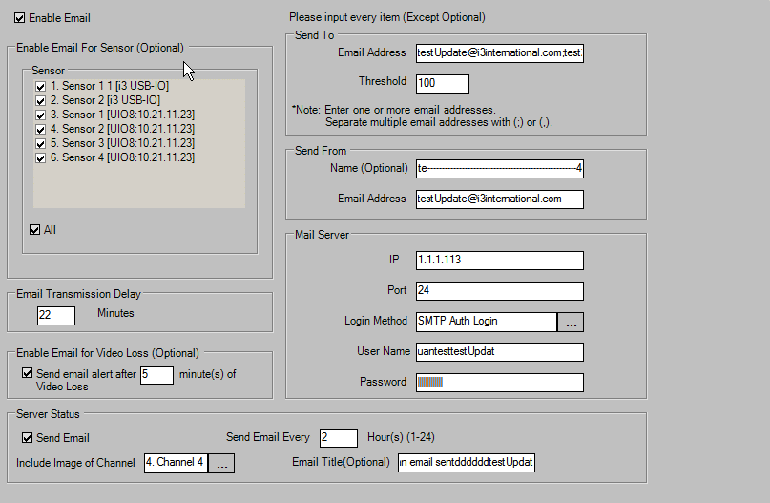
Step 2: Update
tDVRIZChannels |  |  |  |  |  |  |  |  |  |  |  |  |  |  |  | tDVRIZTrackers
KDVR | Enable | EnableVLoss | Threshold | TransmissionDelay | ToAddress | FromAddress | FromName | SMTPIP | SMTPPort | KSMTPLoginMethod | SMTPUserName | SMTPPassword | ServerStatusSendEmail | ServerStatusChannelImage | ServerStatusSendEmailEvery | ServerStatusEmailTitle | VideoLossDwelltime | SensorNo | KDVR | KIOCard | KSensor | Enable | ActivePanicBackup | Name | ActiveEmail | NoNc | LinkWithChannel | LinkWithControl | RealIndex
504 | 1 | 1 | 100 | 22 | testUpdate@i3international.com;test2Update@i3international.com | testUpdate@i3international.com | testUpdate----------------------------------------------------4d | 1.1.1.113 | 24 | Auth Login | luantesttestUpdat | testtestUpdat | 1 | 4 | 2 | tt luan email sentddddddtestUpdat | 5 | 0 | 504 | 187 | 7125 | 1 | 0 | Sensor 1 1 | 1 | 0 | 0 | 0 | 0
 |  |  |  |  |  |  |  |  |  |  |  |  |  |  |  |  |  | 1 | 504 | 187 | 7126 | 1 | 0 | Sensor 2 | 1 | 1 | 0 | 0 | 1
 |  |  |  |  |  |  |  |  |  |  |  |  |  |  |  |  |  | 2 | 504 | 188 | 7127 | 1 | 0 | Sensor 1 | 1 | 1 | 0 | 0 | 2
 |  |  |  |  |  |  |  |  |  |  |  |  |  |  |  |  |  | 3 | 504 | 188 | 7128 | 1 | 0 | Sensor 2 | 1 | 1 | 0 | 8 | 3
 |  |  |  |  |  |  |  |  |  |  |  |  |  |  |  |  |  | 4 | 504 | 188 | 7129 | 1 | 0 | Sensor 3 | 1 | 0 | 0 | 0 | 4
 |  |  |  |  |  |  |  |  |  |  |  |  |  |  |  |  |  | 5 | 504 | 188 | 7130 | 1 | 0 | Sensor 4 | 1 | 1 | 0 | 0 | 5

Intelli-Zone
Step 0: Before Insert
tDVRIZChannels |  |  |  |  |  |  |  |  |  |  |  |  |  | tDVRIZTrackers
KChannel | Enable | StartPresetPosition | Sensitivity | FreshTime | IsAdjustAllCamera | Is24Hour | DwellTimeMovePreset | StartHour | StartMinute | StartSecond | EndHour | EndMinute | EndSecond | KTracker | KChannel | PercentOfChanges | AreaName | StartX | StartY | Width | Height | PresetID | DwellTime | Priority | ControlOutput | RelativeCameraID | RelativeResetID

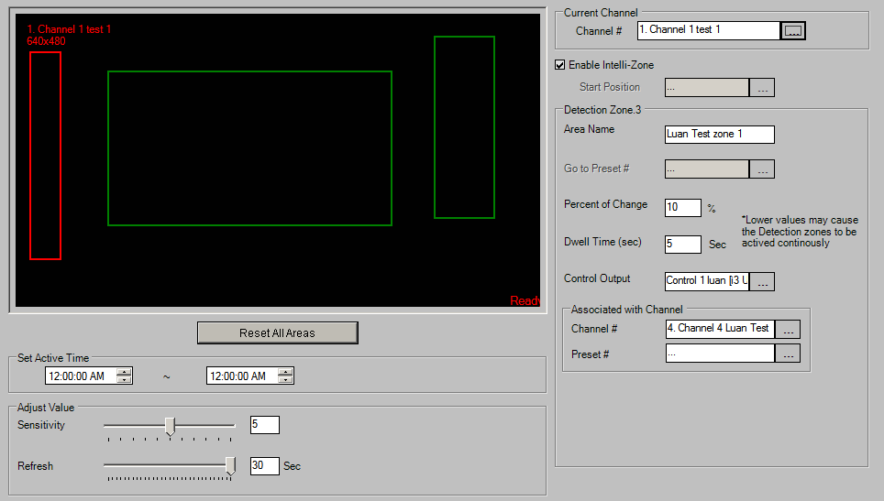
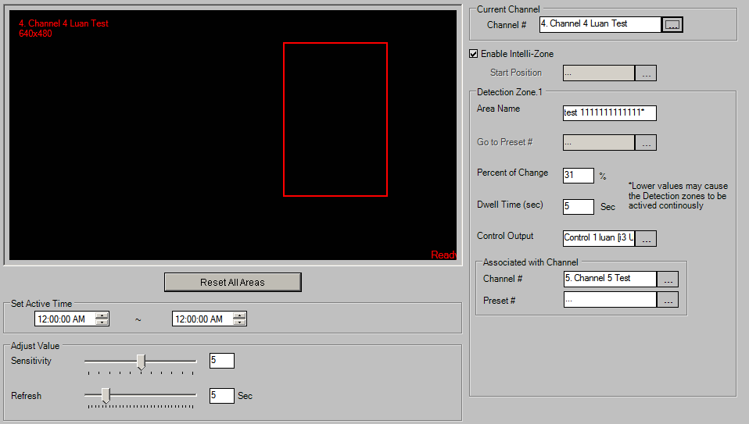
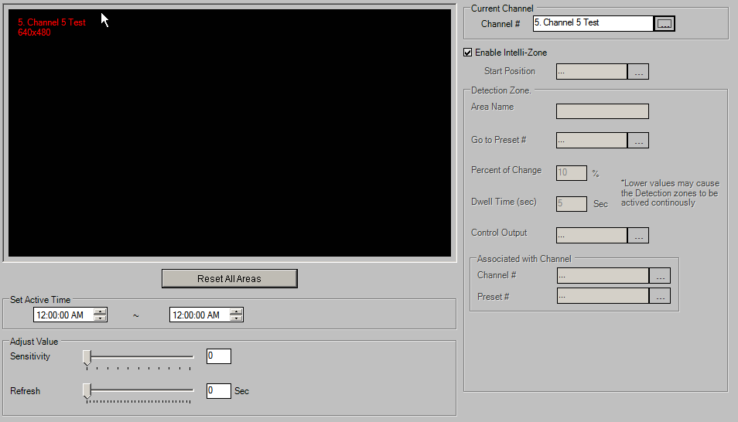
Step 1: Insert
tDVRIZChannels |  |  |  |  |  |  |  |  |  |  |  |  |  | tDVRIZTrackers
KChannel | Enable | StartPresetPosition | Sensitivity | FreshTime | IsAdjustAllCamera | Is24Hour | DwellTimeMovePreset | StartHour | StartMinute | StartSecond | EndHour | EndMinute | EndSecond | KTracker | KChannel | PercentOfChanges | AreaName | StartX | StartY | Width | Height | PresetID | DwellTime | Priority | ControlOutput | RelativeCameraID | RelativeResetID
106680 | 1 | 0 | 5 | 30 | 0 | 0 | 0 | 0 | 0 | 0 | 0 | 0 | 0 | 771 | 106680 | 10 |  | 177 | 197 | 540 | 525 | -1 | 5 | 0 | 0 | -1 | -1
106683 | 1 | 0 | 5 | 5 | 0 | 0 | 0 | 0 | 0 | 0 | 0 | 0 | 0 | 772 | 106680 | 10 |  | 799 | 78 | 114 | 619 | -1 | 5 | 0 | 0 | -1 | -1
106684 | 1 | 0 | 0 | 0 | 0 | 0 | 0 | 0 | 0 | 0 | 0 | 0 | 0 | 773 | 106680 | 10 | Luan Test zone 1 | 28 | 131 | 58 | 706 | 0 | 5 | 0 | 1 | 3 | 0
106685 | 1 | 0 | 0 | 0 | 0 | 0 | 0 | 0 | 0 | 0 | 0 | 0 | 0 | 774 | 106683 | 31 | test 1111111111111* | 614 | 131 | 231 | 613 | 0 | 5 | 0 | 1 | 4 | 0
 |  |  |  |  |  |  |  |  |  |  |  |  |  | 775 | 106685 | 10 | tests | 10 | 22 | 990 | 978 | 0 | 5 | 0 | 1 | 0 | 0

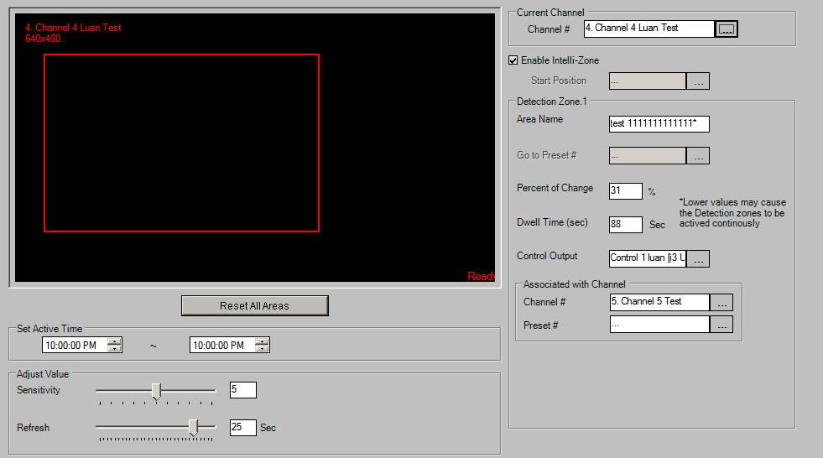
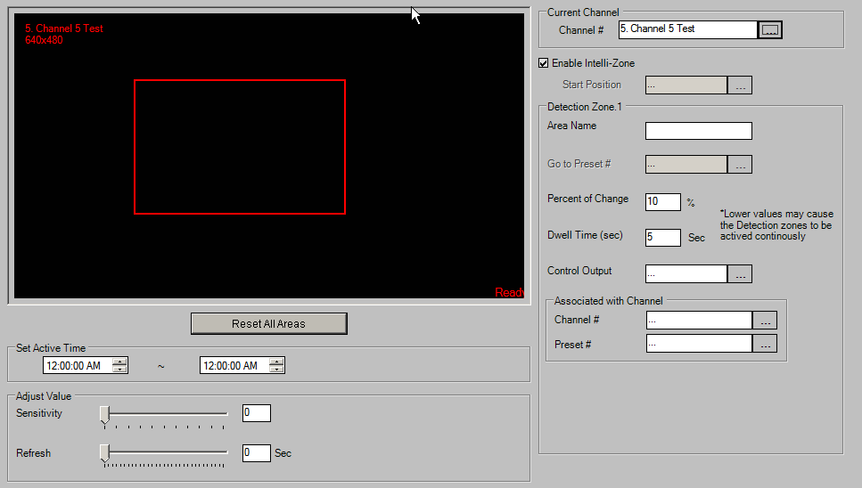
Step 2: Update
tDVRIZChannels |  |  |  |  |  |  |  |  |  |  |  |  |  | tDVRIZTrackers
KChannel | Enable | StartPresetPosition | Sensitivity | FreshTime | IsAdjustAllCamera | Is24Hour | DwellTimeMovePreset | StartHour | StartMinute | StartSecond | EndHour | EndMinute | EndSecond | KTracker | KChannel | PercentOfChanges | AreaName | StartX | StartY | Width | Height | PresetID | DwellTime | Priority | ControlOutput | RelativeCameraID | RelativeResetID
106680 | 1 | 0 | 5 | 30 | 0 | 0 | 0 | 0 | 0 | 0 | 0 | 0 | 0 | 771 | 106680 | 10 |  | 177 | 197 | 540 | 525 | -1 | 5 | 0 | 0 | -1 | -1
106683 | 1 | 0 | 5 | 25 | 0 | 0 | 0 | 22 | 0 | 0 | 22 | 0 | 0 | 772 | 106680 | 10 |  | 799 | 78 | 114 | 619 | -1 | 5 | 0 | 0 | -1 | -1
106684 | 1 | 0 | 0 | 0 | 0 | 0 | 0 | 0 | 0 | 0 | 0 | 0 | 0 | 773 | 106680 | 10 | Luan Test zone 1 | 28 | 131 | 58 | 706 | 0 | 5 | 0 | 1 | 3 | 0
106685 | 1 | 0 | 5 | 5 | 0 | 0 | 0 | 4 | 0 | 0 | 6 | 0 | 0 | 776 | 106683 | 31 | test 1111111111111* | 61 | 153 | 572 | 659 | 0 | 88 | 0 | 1 | 4 | 0
 |  |  |  |  |  |  |  |  |  |  |  |  |  | 777 | 106684 | 10 |  | 236 | 234 | 413 | 469 | -1 | 5 | 0 | 0 | -1 | -1
 |  |  |  |  |  |  |  |  |  |  |  |  |  | 778 | 106685 | 10 | tests ------------D | 157 | 278 | 530 | 356 | 0 | 5 | 0 | 0 | -1 | -1

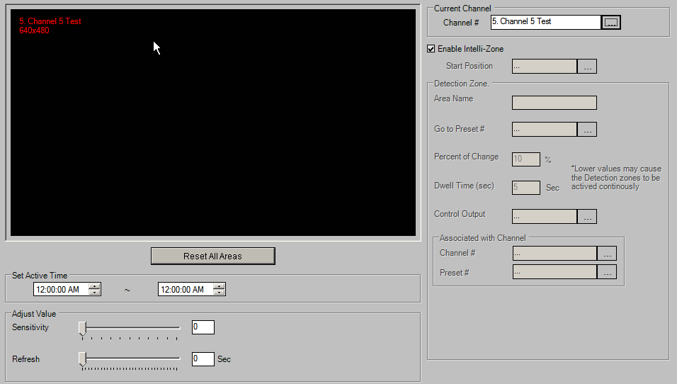
Step 3: Delete
tDVRIZChannels |  |  |  |  |  |  |  |  |  |  |  |  |  | tDVRIZTrackers
KChannel | Enable | StartPresetPosition | Sensitivity | FreshTime | IsAdjustAllCamera | Is24Hour | DwellTimeMovePreset | StartHour | StartMinute | StartSecond | EndHour | EndMinute | EndSecond | KTracker | KChannel | PercentOfChanges | AreaName | StartX | StartY | Width | Height | PresetID | DwellTime | Priority | ControlOutput | RelativeCameraID | RelativeResetID
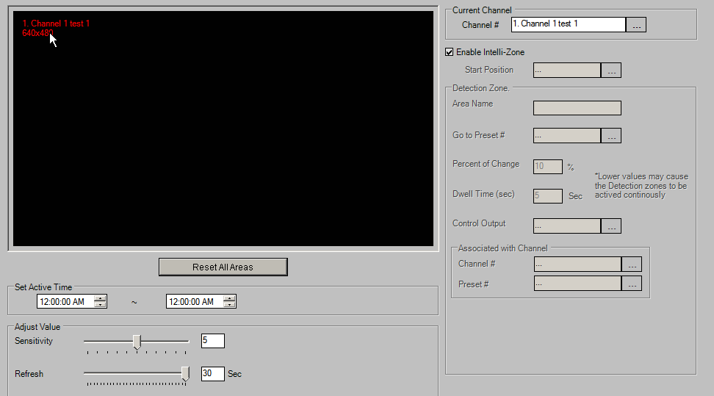
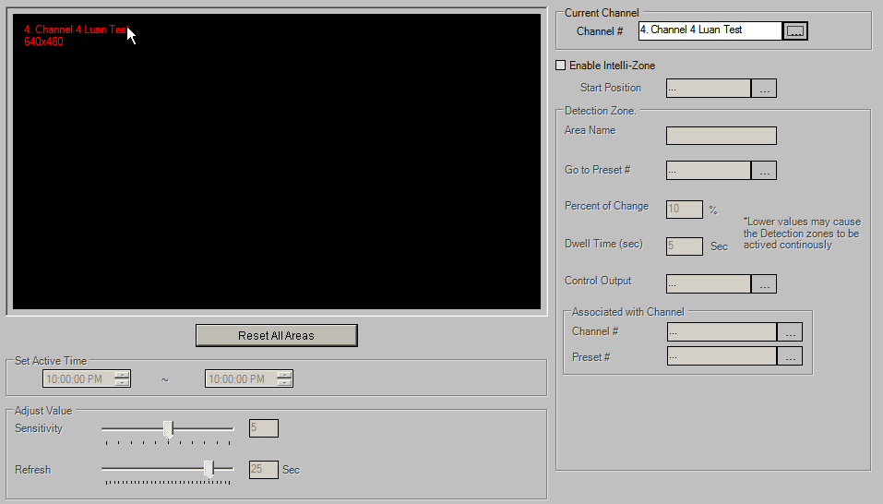
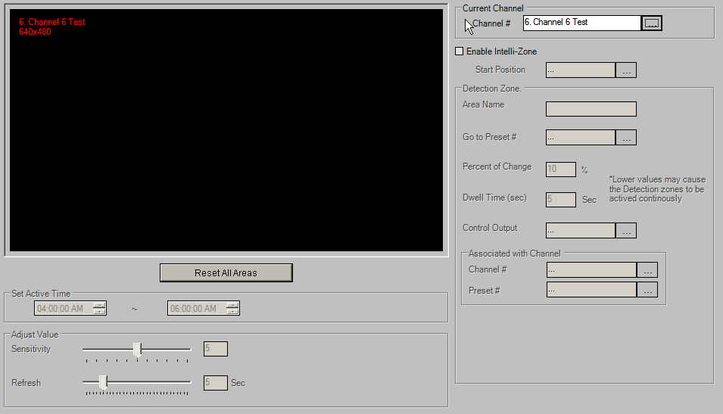
106680 | 1 | 0 | 5 | 30 | 0 | 0 | 0 | 0 | 0 | 0 | 0 | 0 | 0
106684 | 1 | 0 | 0 | 0 | 0 | 0 | 0 | 0 | 0 | 0 | 0 | 0 | 0

Video Logix
Step 0: Before Insert
tDVRVLChannels |  |  |  |  |  |  |  | tDVRVLTrackers |  |  |  |  |  |  |  |  |  |  |  |  |  |  |  |  |  |  |  |  |  |  | tDVRVLPoints
KChannel | EnableVL | HideDetection | ControlNumber | MinObjectSize | OverheadCamera | Crowded | NumberOfTracker | KVLTracker | KChannel | TrackerNo | NumberOfPoint | VLPolyType | ObjectType | AlarmType | BeginActiveTime | EndActiveTime | IdleHour | IdleMin | IdleSec | EnSendMail | MissAlarm | DefaultName | CustomizedName | EnAudio | SoundDuration | SoundFile | ConditionNum | Condition | Extra1 | Extra2 | KVLTracker | VLPointIndex | x | y

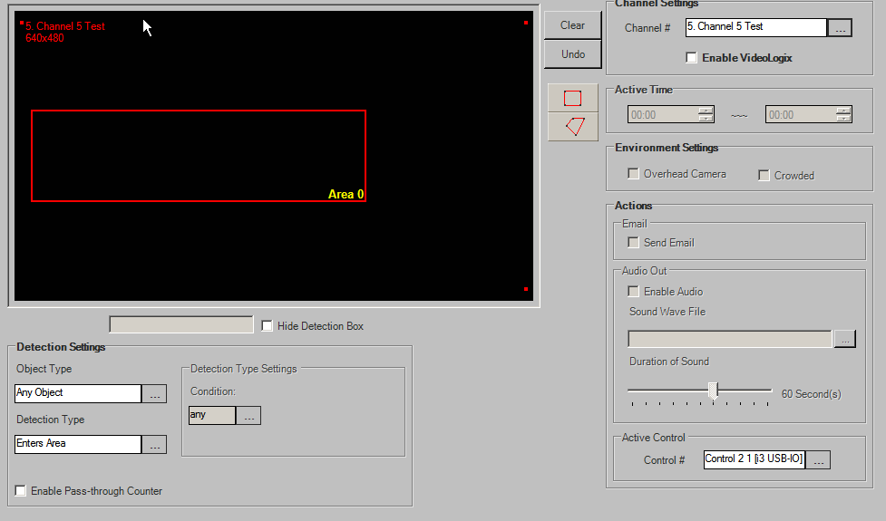
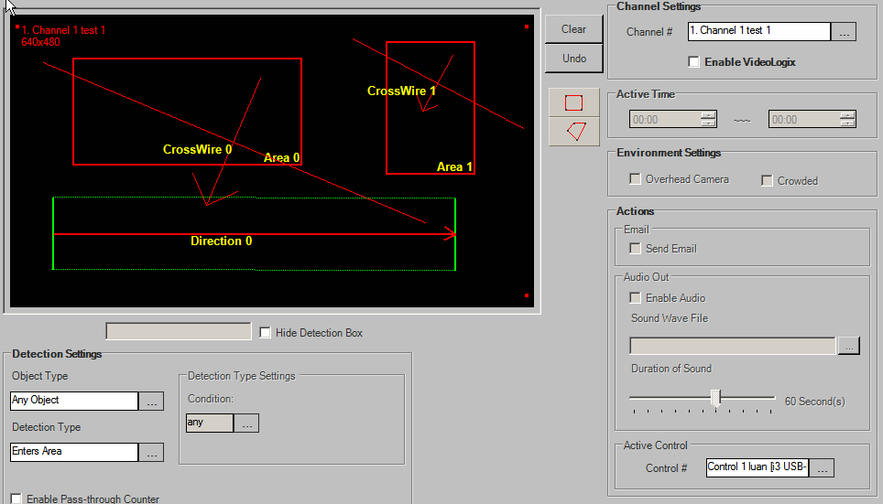
Step 1: Insert
tDVRVLChannels |  |  |  |  |  |  |  | tDVRVLTrackers |  |  |  |  |  |  |  |  |  |  |  |  |  |  |  |  |  |  |  |  |  |  | tDVRVLPoints
KChannel | EnableVL | HideDetection | ControlNumber | MinObjectSize | OverheadCamera | Crowded | NumberOfTracker | KVLTracker | KChannel | TrackerNo | NumberOfPoint | VLPolyType | ObjectType | AlarmType | BeginActiveTime | EndActiveTime | IdleHour | IdleMin | IdleSec | EnSendMail | MissAlarm | DefaultName | CustomizedName | EnAudio | SoundDuration | SoundFile | ConditionNum | Condition | Extra1 | Extra2 | KVLTracker | VLPointIndex | x | y
106680 | 0 | 0 | 0 | 8 | -1 | -1 | 5 | 1360 | 106680 | 0 | 4 | 0 | 3 | 0 | 2014-07-22 00:00:00.000 | 2014-07-22 00:00:00.000 | -1 | -1 | -1 | 0 | -1 | Area 0 | Area 0 | 0 | 60 |  | 1 | any | 0 | 0 | 1360 | 0 | 55 | 43
106681 | 0 | 0 | -1 | 8 | -1 | -1 | 0 | 1361 | 106680 | 1 | 4 | 0 | 1 | 0 | 2014-07-22 00:00:00.000 | 2014-07-22 00:00:00.000 | -1 | -1 | -1 | 0 | -1 | Area 1 | Area 1 | 0 | 60 |  | 1 | any | 0 | 0 | 1360 | 1 | 238 | 43
106682 | 0 | 0 | -1 | 8 | -1 | -1 | 0 | 1362 | 106680 | 2 | 2 | 0 | 1 | 1 | 2014-07-22 00:00:00.000 | 2014-07-22 00:00:00.000 | NULL | NULL | NULL | 0 | 0 | CrossWire 0 | CrossWire 0 | 0 | 60 |  | 0 | NULL | -1 | -1 | 1360 | 2 | 238 | 147
106683 | 0 | 0 | 1 | 8 | -1 | -1 | 2 | 1363 | 106680 | 3 | 2 | 0 | 3 | 1 | 2014-07-22 00:00:00.000 | 2014-07-22 00:00:00.000 | NULL | NULL | NULL | 0 | 0 | CrossWire 1 | CrossWire 1 | 0 | 60 |  | 0 | NULL | -1 | -1 | 1360 | 3 | 55 | 147
106684 | 0 | 0 | 1 | 8 | -1 | -1 | 1 | 1364 | 106680 | 4 | 2 | 1 | 1 | 5 | 2014-07-22 00:00:00.000 | 2014-07-22 00:00:00.000 | NULL | NULL | NULL | 0 | 0 | Direction 0 | Direction 0 | 0 | 60 |  | 0 | NULL | 40 | 40 | 1361 | 0 | 307 | 27
106685 | 0 | 0 | -1 | 8 | -1 | -1 | 1 | 1365 | 106683 | 0 | 2 | 0 | 2 | 6 | 2014-07-22 00:00:00.000 | 2014-07-22 00:00:00.000 | NULL | NULL | NULL | 0 | 0 | Count 0 | Count 0 | 0 | 60 |  | 0 | NULL | -1 | -1 | 1361 | 1 | 378 | 27
106686 | 0 | 0 | -1 | 8 | -1 | -1 | 0 | 1366 | 106683 | 1 | 2 | 1 | 2 | 6 | 2014-07-22 00:00:00.000 | 2014-07-22 00:00:00.000 | NULL | NULL | NULL | 0 | 0 | Count 1 | Count 1 | 0 | 60 |  | 0 | NULL | 40 | 40 | 1361 | 2 | 378 | 156
106687 | 0 | 0 | -1 | 8 | -1 | -1 | 0 | 1367 | 106684 | 0 | 4 | 0 | 3 | 0 | 2014-07-22 00:00:00.000 | 2014-07-22 00:00:00.000 | -1 | -1 | -1 | 1 | -1 | Area 0 | Area 0 | 1 | 60 |  | 3 | = | 0 | 0 | 1361 | 3 | 307 | 156
106688 | 0 | 0 | -1 | 8 | -1 | -1 | 0 | 1368 | 106685 | 0 | 4 | 0 | 0 | 0 | 2014-07-22 00:00:00.000 | 2014-07-22 00:00:00.000 | -1 | -1 | -1 | 0 | -1 | Area 0 | Area 0 | 0 | 60 |  | 2 | >= | 0 | 0 | 1362 | 0 | 30 | 46
106689 | 0 | 0 | -1 | 8 | -1 | -1 | 0 |  |  |  |  |  |  |  |  |  |  |  |  |  |  |  |  |  |  |  |  |  |  |  | 1362 | 1 | 339 | 204
106690 | 0 | 0 | -1 | 8 | -1 | -1 | 0 |  |  |  |  |  |  |  |  |  |  |  |  |  |  |  |  |  |  |  |  |  |  |  | 1363 | 0 | 280 | 23
106691 | 0 | 0 | -1 | 8 | -1 | -1 | 0 |  |  |  |  |  |  |  |  |  |  |  |  |  |  |  |  |  |  |  |  |  |  |  | 1363 | 1 | 417 | 111
106692 | 0 | 0 | -1 | 8 | -1 | -1 | 0 |  |  |  |  |  |  |  |  |  |  |  |  |  |  |  |  |  |  |  |  |  |  |  | 1364 | 0 | 38 | 215
106693 | 0 | 0 | -1 | 8 | -1 | -1 | 0 |  |  |  |  |  |  |  |  |  |  |  |  |  |  |  |  |  |  |  |  |  |  |  | 1364 | 1 | 363 | 216
106694 | 0 | 0 | -1 | 8 | -1 | -1 | 0 |  |  |  |  |  |  |  |  |  |  |  |  |  |  |  |  |  |  |  |  |  |  |  | 1365 | 0 | 229 | 64
106695 | 0 | 0 | -1 | 8 | -1 | -1 | 0 |  |  |  |  |  |  |  |  |  |  |  |  |  |  |  |  |  |  |  |  |  |  |  | 1365 | 1 | 401 | 162
106696 | 0 | 0 | -1 | 8 | -1 | -1 | 0 |  |  |  |  |  |  |  |  |  |  |  |  |  |  |  |  |  |  |  |  |  |  |  | 1366 | 0 | 29 | 94
106697 | 0 | 0 | -1 | 8 | -1 | -1 | 0 |  |  |  |  |  |  |  |  |  |  |  |  |  |  |  |  |  |  |  |  |  |  |  | 1366 | 1 | 321 | 217
106698 | 0 | 0 | -1 | 8 | -1 | -1 | 0 |  |  |  |  |  |  |  |  |  |  |  |  |  |  |  |  |  |  |  |  |  |  |  | 1367 | 0 | 18 | 99
106699 | 0 | 0 | -1 | 8 | -1 | -1 | 0 |  |  |  |  |  |  |  |  |  |  |  |  |  |  |  |  |  |  |  |  |  |  |  | 1367 | 1 | 290 | 99
106700 | 0 | 0 | -1 | 8 | -1 | -1 | 0 |  |  |  |  |  |  |  |  |  |  |  |  |  |  |  |  |  |  |  |  |  |  |  | 1367 | 2 | 290 | 189
106701 | 0 | 0 | -1 | 8 | -1 | -1 | 0 |  |  |  |  |  |  |  |  |  |  |  |  |  |  |  |  |  |  |  |  |  |  |  | 1367 | 3 | 18 | 189
106702 | 0 | 0 | -1 | 8 | -1 | -1 | 0 |  |  |  |  |  |  |  |  |  |  |  |  |  |  |  |  |  |  |  |  |  |  |  | 1368 | 0 | 166 | 86
106703 | 0 | 0 | -1 | 8 | -1 | -1 | 0 |  |  |  |  |  |  |  |  |  |  |  |  |  |  |  |  |  |  |  |  |  |  |  | 1368 | 1 | 388 | 86
106704 | 0 | 0 | -1 | 8 | -1 | -1 | 0 |  |  |  |  |  |  |  |  |  |  |  |  |  |  |  |  |  |  |  |  |  |  |  | 1368 | 2 | 388 | 208
106705 | 0 | 0 | -1 | 8 | -1 | -1 | 0 |  |  |  |  |  |  |  |  |  |  |  |  |  |  |  |  |  |  |  |  |  |  |  | 1368 | 3 | 166 | 208
106706 | 0 | 0 | -1 | 8 | -1 | -1 | 0
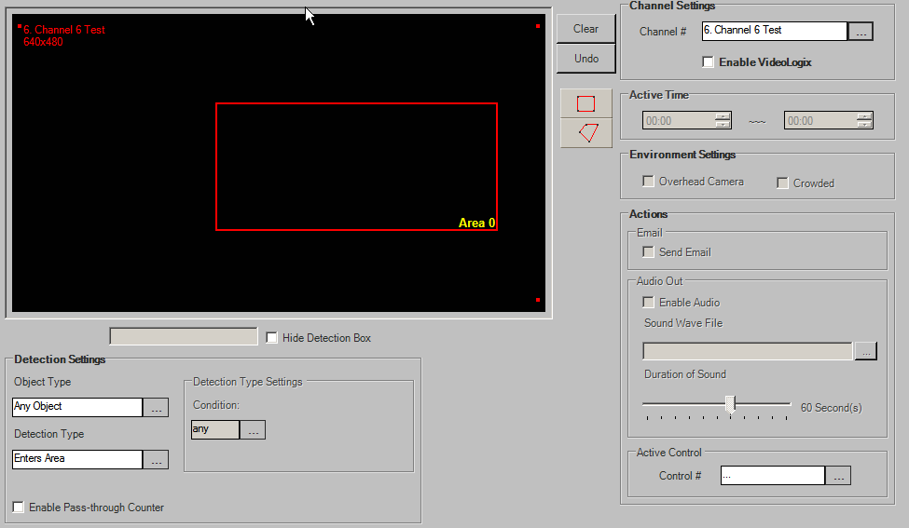
106707 | 0 | 0 | -1 | 8 | -1 | -1 | 0
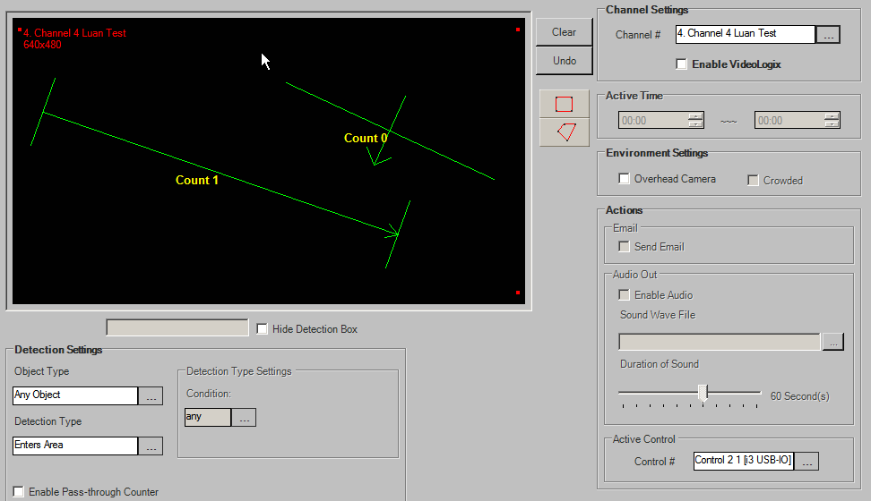
106708 | 0 | 0 | -1 | 8 | -1 | -1 | 0
106709 | 0 | 0 | -1 | 8 | -1 | -1 | 0
106710 | 0 | 0 | -1 | 8 | -1 | -1 | 0
106711 | 0 | 0 | -1 | 8 | -1 | -1 | 0
106712 | 0 | 0 | -1 | 8 | -1 | -1 | 0
106713 | 0 | 0 | -1 | 8 | -1 | -1 | 0
106714 | 0 | 0 | -1 | 8 | -1 | -1 | 0
106715 | 0 | 0 | -1 | 8 | -1 | -1 | 0
106716 | 0 | 0 | -1 | 8 | -1 | -1 | 0
106717 | 0 | 0 | -1 | 8 | -1 | -1 | 0
106718 | 0 | 0 | -1 | 8 | -1 | -1 | 0
106719 | 0 | 0 | -1 | 8 | -1 | -1 | 0
106720 | 0 | 0 | -1 | 8 | -1 | -1 | 0
106721 | 0 | 0 | -1 | 8 | -1 | -1 | 0
106722 | 0 | 0 | -1 | 8 | -1 | -1 | 0
106723 | 0 | 0 | -1 | 8 | -1 | -1 | 0
106724 | 0 | 0 | -1 | 8 | -1 | -1 | 0
106725 | 0 | 0 | -1 | 8 | -1 | -1 | 0
106726 | 0 | 0 | -1 | 8 | -1 | -1 | 0
106727 | 0 | 0 | -1 | 8 | -1 | -1 | 0
106728 | 0 | 0 | -1 | 8 | -1 | -1 | 0
106729 | 0 | 0 | -1 | 8 | -1 | -1 | 0
106730 | 0 | 0 | -1 | 8 | -1 | -1 | 0
106731 | 0 | 0 | -1 | 8 | -1 | -1 | 0
106732 | 0 | 0 | -1 | 8 | -1 | -1 | 0
106733 | 0 | 0 | -1 | 8 | -1 | -1 | 0
106734 | 0 | 0 | -1 | 8 | -1 | -1 | 0
106735 | 0 | 0 | -1 | 8 | -1 | -1 | 0
106736 | 0 | 0 | -1 | 8 | -1 | -1 | 0
106737 | 0 | 0 | -1 | 8 | -1 | -1 | 0
106738 | 0 | 0 | -1 | 8 | -1 | -1 | 0
106739 | 0 | 0 | -1 | 8 | -1 | -1 | 0
106740 | 0 | 0 | -1 | 8 | -1 | -1 | 0
106741 | 0 | 0 | -1 | 8 | -1 | -1 | 0
106742 | 0 | 0 | -1 | 8 | -1 | -1 | 0
106743 | 0 | 0 | -1 | 8 | -1 | -1 | 0

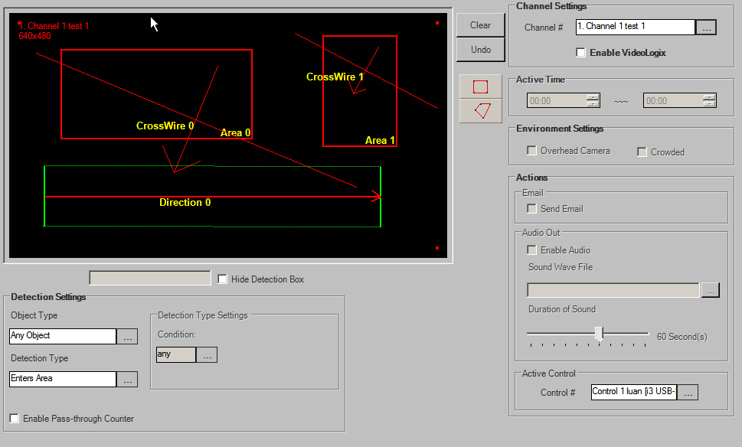
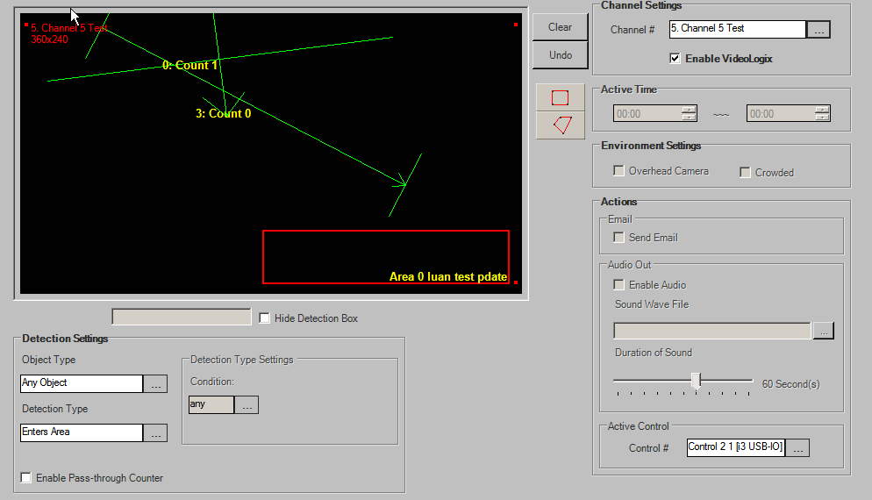
Step 2: Update
tDVRVLChannels |  |  |  |  |  |  |  | tDVRVLTrackers |  |  |  |  |  |  |  |  |  |  |  |  |  |  |  |  |  |  |  |  |  |  | tDVRVLPoints
KChannel | EnableVL | HideDetection | ControlNumber | MinObjectSize | OverheadCamera | Crowded | NumberOfTracker | KVLTracker | KChannel | TrackerNo | NumberOfPoint | VLPolyType | ObjectType | AlarmType | BeginActiveTime | EndActiveTime | IdleHour | IdleMin | IdleSec | EnSendMail | MissAlarm | DefaultName | CustomizedName | EnAudio | SoundDuration | SoundFile | ConditionNum | Condition | Extra1 | Extra2 | KVLTracker | VLPointIndex | x | y
106680 | 0 | 0 | 0 | 8 | -1 | -1 | 5 | 1360 | 106680 | 0 | 4 | 0 | 3 | 0 | 2014-07-22 00:00:00.000 | 2014-07-22 00:00:00.000 | -1 | -1 | -1 | 0 | -1 | Area 0 | Area 0 | 0 | 60 |  | 1 | any | 0 | 0 | 1360 | 0 | 55 | 43
106681 | 0 | 0 | -1 | 8 | -1 | -1 | 0 | 1361 | 106680 | 1 | 4 | 0 | 1 | 0 | 2014-07-22 00:00:00.000 | 2014-07-22 00:00:00.000 | -1 | -1 | -1 | 0 | -1 | Area 1 | Area 1 | 0 | 60 |  | 1 | any | 0 | 0 | 1360 | 1 | 238 | 43
106682 | 0 | 0 | -1 | 8 | -1 | -1 | 0 | 1362 | 106680 | 2 | 2 | 0 | 1 | 1 | 2014-07-22 00:00:00.000 | 2014-07-22 00:00:00.000 | NULL | NULL | NULL | 0 | 0 | CrossWire 0 | CrossWire 0 | 0 | 60 |  | 0 | NULL | -1 | -1 | 1360 | 2 | 238 | 147
106683 | 0 | 0 | 1 | 8 | -1 | -1 | 3 | 1363 | 106680 | 3 | 2 | 0 | 3 | 1 | 2014-07-22 00:00:00.000 | 2014-07-22 00:00:00.000 | NULL | NULL | NULL | 0 | 0 | CrossWire 1 | CrossWire 1 | 0 | 60 |  | 0 | NULL | -1 | -1 | 1360 | 3 | 55 | 147
106684 | 1 | 0 | 1 | 8 | -1 | -1 | 3 | 1364 | 106680 | 4 | 2 | 1 | 1 | 5 | 2014-07-22 00:00:00.000 | 2014-07-22 00:00:00.000 | NULL | NULL | NULL | 0 | 0 | Direction 0 | Direction 0 | 0 | 60 |  | 0 | NULL | 40 | 40 | 1361 | 0 | 307 | 27
106685 | 0 | 0 | -1 | 8 | -1 | -1 | 1 | 1365 | 106683 | 1 | 2 | 0 | 2 | 6 | 2014-07-22 00:00:00.000 | 2014-07-22 00:00:00.000 | NULL | NULL | NULL | 0 | 0 | Count 0 | Count 0 | 0 | 60 |  | 0 | NULL | -1 | -1 | 1361 | 1 | 378 | 27
106686 | 0 | 0 | -1 | 8 | -1 | -1 | 0 | 1366 | 106683 | 2 | 2 | 1 | 2 | 6 | 2014-07-22 00:03:00.000 | 2014-07-22 00:03:00.000 | NULL | NULL | NULL | 0 | 0 | Count 1 | Count 1 | 0 | 60 |  | 0 | NULL | 40 | 40 | 1361 | 2 | 378 | 156
106687 | 0 | 0 | -1 | 8 | -1 | -1 | 0 | 1367 | 106684 | 0 | 4 | 0 | 3 | 0 | 2014-07-22 00:00:00.000 | 2014-07-22 00:00:00.000 | -1 | -1 | -1 | 1 | -1 | Area 0 | Area 0 luan test pdate | 1 | 60 |  | 3 | = | 0 | 0 | 1361 | 3 | 307 | 156
106688 | 0 | 0 | -1 | 8 | -1 | -1 | 0 | 1368 | 106685 | 0 | 4 | 0 | 0 | 0 | 2014-07-22 02:02:00.000 | 2014-07-22 02:02:00.000 | -1 | -1 | -1 | 1 | -1 | Area 0 | Area 0 Luan Test | 0 | 60 |  | 5 | >= | 0 | 0 | 1362 | 0 | 30 | 46
106689 | 0 | 0 | -1 | 8 | -1 | -1 | 0 | 1369 | 106683 | 0 | 4 | 0 | 3 | 0 | 2014-07-22 00:00:00.000 | 2014-07-22 00:00:00.000 | -1 | -1 | -1 | 0 | -1 | Area 0 | Area 0 | 0 | 60 |  | 1 | any | 0 | 0 | 1362 | 1 | 339 | 204
106690 | 0 | 0 | -1 | 8 | -1 | -1 | 0 | 1370 | 106684 | 1 | 2 | 1 | 3 | 6 | 2014-07-22 00:00:00.000 | 2014-07-22 00:00:00.000 | NULL | NULL | NULL | 0 | 0 | Count 0 | Count 0 | 0 | 60 |  | 0 | NULL | 40 | 40 | 1363 | 0 | 280 | 23
106691 | 0 | 0 | -1 | 8 | -1 | -1 | 0 | 1371 | 106684 | 2 | 2 | 0 | 3 | 6 | 2014-07-22 01:04:00.000 | 2014-07-22 04:04:00.000 | NULL | NULL | NULL | 0 | 0 | Count 1 | Count 1 | 0 | 60 |  | 0 | NULL | -1 | -1 | 1363 | 1 | 417 | 111
106692 | 0 | 0 | -1 | 8 | -1 | -1 | 0 |  |  |  |  |  |  |  |  |  |  |  |  |  |  |  |  |  |  |  |  |  |  |  | 1364 | 0 | 38 | 215
106693 | 0 | 0 | -1 | 8 | -1 | -1 | 0 |  |  |  |  |  |  |  |  |  |  |  |  |  |  |  |  |  |  |  |  |  |  |  | 1364 | 1 | 363 | 216
106694 | 0 | 0 | -1 | 8 | -1 | -1 | 0 |  |  |  |  |  |  |  |  |  |  |  |  |  |  |  |  |  |  |  |  |  |  |  | 1365 | 0 | 208 | 10
106695 | 0 | 0 | -1 | 8 | -1 | -1 | 0 |  |  |  |  |  |  |  |  |  |  |  |  |  |  |  |  |  |  |  |  |  |  |  | 1365 | 1 | 379 | 77
106696 | 0 | 0 | -1 | 8 | -1 | -1 | 0 |  |  |  |  |  |  |  |  |  |  |  |  |  |  |  |  |  |  |  |  |  |  |  | 1366 | 0 | 141 | 209
106697 | 0 | 0 | -1 | 8 | -1 | -1 | 0 |  |  |  |  |  |  |  |  |  |  |  |  |  |  |  |  |  |  |  |  |  |  |  | 1366 | 1 | 417 | 277
106698 | 0 | 0 | -1 | 8 | -1 | -1 | 0 |  |  |  |  |  |  |  |  |  |  |  |  |  |  |  |  |  |  |  |  |  |  |  | 1367 | 0 | 208 | 223
106699 | 0 | 0 | -1 | 8 | -1 | -1 | 0 |  |  |  |  |  |  |  |  |  |  |  |  |  |  |  |  |  |  |  |  |  |  |  | 1367 | 1 | 415 | 223
106700 | 0 | 0 | -1 | 8 | -1 | -1 | 0 |  |  |  |  |  |  |  |  |  |  |  |  |  |  |  |  |  |  |  |  |  |  |  | 1367 | 2 | 415 | 277
106701 | 0 | 0 | -1 | 8 | -1 | -1 | 0 |  |  |  |  |  |  |  |  |  |  |  |  |  |  |  |  |  |  |  |  |  |  |  | 1367 | 3 | 208 | 277
106702 | 0 | 0 | -1 | 8 | -1 | -1 | 0 |  |  |  |  |  |  |  |  |  |  |  |  |  |  |  |  |  |  |  |  |  |  |  | 1368 | 0 | 16 | 131
106703 | 0 | 0 | -1 | 8 | -1 | -1 | 0 |  |  |  |  |  |  |  |  |  |  |  |  |  |  |  |  |  |  |  |  |  |  |  | 1368 | 1 | 237 | 131
106704 | 0 | 0 | -1 | 8 | -1 | -1 | 0 |  |  |  |  |  |  |  |  |  |  |  |  |  |  |  |  |  |  |  |  |  |  |  | 1368 | 2 | 237 | 253
106705 | 0 | 0 | -1 | 8 | -1 | -1 | 0 |  |  |  |  |  |  |  |  |  |  |  |  |  |  |  |  |  |  |  |  |  |  |  | 1368 | 3 | 16 | 253
106706 | 0 | 0 | -1 | 8 | -1 | -1 | 0 |  |  |  |  |  |  |  |  |  |  |  |  |  |  |  |  |  |  |  |  |  |  |  | 1369 | 0 | 104 | 47
106707 | 0 | 0 | -1 | 8 | -1 | -1 | 0 |  |  |  |  |  |  |  |  |  |  |  |  |  |  |  |  |  |  |  |  |  |  |  | 1369 | 1 | 336 | 47
106708 | 0 | 0 | -1 | 8 | -1 | -1 | 0 |  |  |  |  |  |  |  |  |  |  |  |  |  |  |  |  |  |  |  |  |  |  |  | 1369 | 2 | 336 | 202
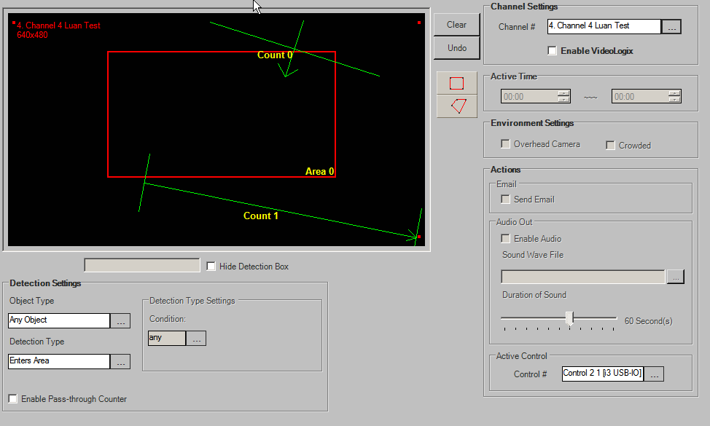
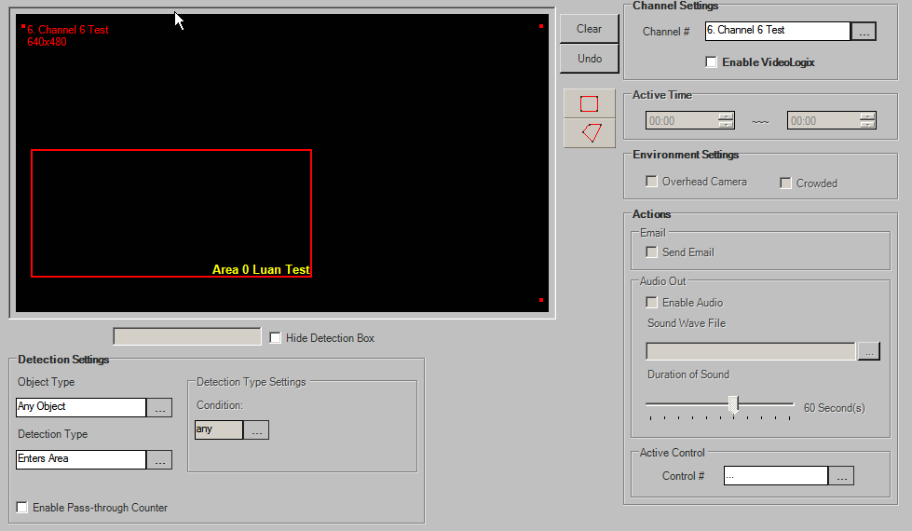
106709 | 0 | 0 | -1 | 8 | -1 | -1 | 0 |  |  |  |  |  |  |  |  |  |  |  |  |  |  |  |  |  |  |  |  |  |  |  | 1369 | 3 | 104 | 202
106710 | 0 | 0 | -1 | 8 | -1 | -1 | 0 |  |  |  |  |  |  |  |  |  |  |  |  |  |  |  |  |  |  |  |  |  |  |  | 1370 | 0 | 72 | 14
106711 | 0 | 0 | -1 | 8 | -1 | -1 | 0 |  |  |  |  |  |  |  |  |  |  |  |  |  |  |  |  |  |  |  |  |  |  |  | 1370 | 1 | 328 | 176
106712 | 0 | 0 | -1 | 8 | -1 | -1 | 0 |  |  |  |  |  |  |  |  |  |  |  |  |  |  |  |  |  |  |  |  |  |  |  | 1371 | 0 | 27 | 69
106713 | 0 | 0 | -1 | 8 | -1 | -1 | 0 |  |  |  |  |  |  |  |  |  |  |  |  |  |  |  |  |  |  |  |  |  |  |  | 1371 | 1 | 317 | 24
106714 | 0 | 0 | -1 | 8 | -1 | -1 | 0
106715 | 0 | 0 | -1 | 8 | -1 | -1 | 0
106716 | 0 | 0 | -1 | 8 | -1 | -1 | 0
106717 | 0 | 0 | -1 | 8 | -1 | -1 | 0
106718 | 0 | 0 | -1 | 8 | -1 | -1 | 0
106719 | 0 | 0 | -1 | 8 | -1 | -1 | 0
106720 | 0 | 0 | -1 | 8 | -1 | -1 | 0
106721 | 0 | 0 | -1 | 8 | -1 | -1 | 0
106722 | 0 | 0 | -1 | 8 | -1 | -1 | 0
106723 | 0 | 0 | -1 | 8 | -1 | -1 | 0
106724 | 0 | 0 | -1 | 8 | -1 | -1 | 0
106725 | 0 | 0 | -1 | 8 | -1 | -1 | 0
106726 | 0 | 0 | -1 | 8 | -1 | -1 | 0
106727 | 0 | 0 | -1 | 8 | -1 | -1 | 0
106728 | 0 | 0 | -1 | 8 | -1 | -1 | 0
106729 | 0 | 0 | -1 | 8 | -1 | -1 | 0
106730 | 0 | 0 | -1 | 8 | -1 | -1 | 0
106731 | 0 | 0 | -1 | 8 | -1 | -1 | 0
106732 | 0 | 0 | -1 | 8 | -1 | -1 | 0
106733 | 0 | 0 | -1 | 8 | -1 | -1 | 0
106734 | 0 | 0 | -1 | 8 | -1 | -1 | 0
106735 | 0 | 0 | -1 | 8 | -1 | -1 | 0
106736 | 0 | 0 | -1 | 8 | -1 | -1 | 0
106737 | 0 | 0 | -1 | 8 | -1 | -1 | 0
106738 | 0 | 0 | -1 | 8 | -1 | -1 | 0
106739 | 0 | 0 | -1 | 8 | -1 | -1 | 0
106740 | 0 | 0 | -1 | 8 | -1 | -1 | 0
106741 | 0 | 0 | -1 | 8 | -1 | -1 | 0
106742 | 0 | 0 | -1 | 8 | -1 | -1 | 0
106743 | 0 | 0 | -1 | 8 | -1 | -1 | 0

Step 3: Delete
tDVRVLChannels |  |  |  |  |  |  |  | tDVRVLTrackers |  |  |  |  |  |  |  |  |  |  |  |  |  |  |  |  |  |  |  |  |  |  | tDVRVLPoints
KChannel | EnableVL | HideDetection | ControlNumber | MinObjectSize | OverheadCamera | Crowded | NumberOfTracker | KVLTracker | KChannel | TrackerNo | NumberOfPoint | VLPolyType | ObjectType | AlarmType | BeginActiveTime | EndActiveTime | IdleHour | IdleMin | IdleSec | EnSendMail | MissAlarm | DefaultName | CustomizedName | EnAudio | SoundDuration | SoundFile | ConditionNum | Condition | Extra1 | Extra2 | KVLTracker | VLPointIndex | x | y


106680 | 0 | 0 | 0 | 8 | -1 | -1 | 5 | 1360 | 106680 | 0 | 4 | 0 | 3 | 0 | 2014-07-22 00:00:00.000 | 2014-07-22 00:00:00.000 | -1 | -1 | -1 | 0 | -1 | Area 0 | Area 0 | 0 | 60 |  | 1 | any | 0 | 0 | 1360 | 0 | 54 | 43
106681 | 0 | 0 | -1 | 8 | -1 | -1 | 0 | 1361 | 106680 | 1 | 4 | 0 | 1 | 0 | 2014-07-22 00:00:00.000 | 2014-07-22 00:00:00.000 | -1 | -1 | -1 | 0 | -1 | Area 1 | Area 1 | 0 | 60 |  | 1 | any | 0 | 0 | 1360 | 1 | 237 | 43
106682 | 0 | 0 | -1 | 8 | -1 | -1 | 0 | 1362 | 106680 | 2 | 2 | 0 | 1 | 1 | 2014-07-22 00:00:00.000 | 2014-07-22 00:00:00.000 | NULL | NULL | NULL | 0 | 0 | CrossWire 0 | CrossWire 0 | 0 | 60 |  | 0 | NULL | -1 | -1 | 1360 | 2 | 237 | 147
106683 | 0 | 0 | 1 | 8 | -1 | -1 | 0 | 1363 | 106680 | 3 | 2 | 0 | 3 | 1 | 2014-07-22 00:00:00.000 | 2014-07-22 00:00:00.000 | NULL | NULL | NULL | 0 | 0 | CrossWire 1 | CrossWire 1 | 0 | 60 |  | 0 | NULL | -1 | -1 | 1360 | 3 | 54 | 147
106684 | 1 | 0 | 1 | 8 | -1 | -1 | 0 | 1364 | 106680 | 4 | 2 | 1 | 1 | 5 | 2014-07-22 00:00:00.000 | 2014-07-22 00:00:00.000 | NULL | NULL | NULL | 0 | 0 | Direction 0 | Direction 0 | 0 | 60 |  | 0 | NULL | 40 | 40 | 1361 | 0 | 306 | 27
106685 | 0 | 0 | -1 | 8 | -1 | -1 | 0 |  |  |  |  |  |  |  |  |  |  |  |  |  |  |  |  |  |  |  |  |  |  |  | 1361 | 1 | 377 | 27
106686 | 0 | 0 | -1 | 8 | -1 | -1 | 0 |  |  |  |  |  |  |  |  |  |  |  |  |  |  |  |  |  |  |  |  |  |  |  | 1361 | 2 | 377 | 156
106687 | 0 | 0 | -1 | 8 | -1 | -1 | 0 |  |  |  |  |  |  |  |  |  |  |  |  |  |  |  |  |  |  |  |  |  |  |  | 1361 | 3 | 306 | 156
106688 | 0 | 0 | -1 | 8 | -1 | -1 | 0 |  |  |  |  |  |  |  |  |  |  |  |  |  |  |  |  |  |  |  |  |  |  |  | 1362 | 0 | 29 | 46
106689 | 0 | 0 | -1 | 8 | -1 | -1 | 0 |  |  |  |  |  |  |  |  |  |  |  |  |  |  |  |  |  |  |  |  |  |  |  | 1362 | 1 | 339 | 204
106690 | 0 | 0 | -1 | 8 | -1 | -1 | 0 |  |  |  |  |  |  |  |  |  |  |  |  |  |  |  |  |  |  |  |  |  |  |  | 1363 | 0 | 279 | 23
106691 | 0 | 0 | -1 | 8 | -1 | -1 | 0 |  |  |  |  |  |  |  |  |  |  |  |  |  |  |  |  |  |  |  |  |  |  |  | 1363 | 1 | 416 | 111
106692 | 0 | 0 | -1 | 8 | -1 | -1 | 0 |  |  |  |  |  |  |  |  |  |  |  |  |  |  |  |  |  |  |  |  |  |  |  | 1364 | 0 | 37 | 215
106693 | 0 | 0 | -1 | 8 | -1 | -1 | 0 |  |  |  |  |  |  |  |  |  |  |  |  |  |  |  |  |  |  |  |  |  |  |  | 1364 | 1 | 362 | 216
106694 | 0 | 0 | -1 | 8 | -1 | -1 | 0
106695 | 0 | 0 | -1 | 8 | -1 | -1 | 0
106696 | 0 | 0 | -1 | 8 | -1 | -1 | 0
106697 | 0 | 0 | -1 | 8 | -1 | -1 | 0
106698 | 0 | 0 | -1 | 8 | -1 | -1 | 0
106699 | 0 | 0 | -1 | 8 | -1 | -1 | 0
106700 | 0 | 0 | -1 | 8 | -1 | -1 | 0
106701 | 0 | 0 | -1 | 8 | -1 | -1 | 0
106702 | 0 | 0 | -1 | 8 | -1 | -1 | 0
106703 | 0 | 0 | -1 | 8 | -1 | -1 | 0
106704 | 0 | 0 | -1 | 8 | -1 | -1 | 0
106705 | 0 | 0 | -1 | 8 | -1 | -1 | 0
106706 | 0 | 0 | -1 | 8 | -1 | -1 | 0
106707 | 0 | 0 | -1 | 8 | -1 | -1 | 0
106708 | 0 | 0 | -1 | 8 | -1 | -1 | 0

106709 | 0 | 0 | -1 | 8 | -1 | -1 | 0

106710 | 0 | 0 | -1 | 8 | -1 | -1 | 0
106711 | 0 | 0 | -1 | 8 | -1 | -1 | 0
106712 | 0 | 0 | -1 | 8 | -1 | -1 | 0
106713 | 0 | 0 | -1 | 8 | -1 | -1 | 0
106714 | 0 | 0 | -1 | 8 | -1 | -1 | 0
106715 | 0 | 0 | -1 | 8 | -1 | -1 | 0
106716 | 0 | 0 | -1 | 8 | -1 | -1 | 0
106717 | 0 | 0 | -1 | 8 | -1 | -1 | 0
106718 | 0 | 0 | -1 | 8 | -1 | -1 | 0
106719 | 0 | 0 | -1 | 8 | -1 | -1 | 0
106720 | 0 | 0 | -1 | 8 | -1 | -1 | 0
106721 | 0 | 0 | -1 | 8 | -1 | -1 | 0
106722 | 0 | 0 | -1 | 8 | -1 | -1 | 0
106723 | 0 | 0 | -1 | 8 | -1 | -1 | 0
106724 | 0 | 0 | -1 | 8 | -1 | -1 | 0
106725 | 0 | 0 | -1 | 8 | -1 | -1 | 0
106726 | 0 | 0 | -1 | 8 | -1 | -1 | 0
106727 | 0 | 0 | -1 | 8 | -1 | -1 | 0
106728 | 0 | 0 | -1 | 8 | -1 | -1 | 0
106729 | 0 | 0 | -1 | 8 | -1 | -1 | 0
106730 | 0 | 0 | -1 | 8 | -1 | -1 | 0
106731 | 0 | 0 | -1 | 8 | -1 | -1 | 0
106732 | 0 | 0 | -1 | 8 | -1 | -1 | 0
106733 | 0 | 0 | -1 | 8 | -1 | -1 | 0
106734 | 0 | 0 | -1 | 8 | -1 | -1 | 0
106735 | 0 | 0 | -1 | 8 | -1 | -1 | 0
106736 | 0 | 0 | -1 | 8 | -1 | -1 | 0
106737 | 0 | 0 | -1 | 8 | -1 | -1 | 0
106738 | 0 | 0 | -1 | 8 | -1 | -1 | 0
106739 | 0 | 0 | -1 | 8 | -1 | -1 | 0
106740 | 0 | 0 | -1 | 8 | -1 | -1 | 0
106741 | 0 | 0 | -1 | 8 | -1 | -1 | 0
106742 | 0 | 0 | -1 | 8 | -1 | -1 | 0
106743 | 0 | 0 | -1 | 8 | -1 | -1 | 0

Vision Count
Step 0: Before Insert
tDVRVCChannels
KChannel | Enable | VideoSource | Resolution | FunctionType | EnvType | BeginTime | EndTime | ControlOut | NumOfTracker



Step 1: Insert
tDVRVCChannels |  |  |  |  |  |  |  |  |  | tDVRVCTrackers |  |  |  |  |  |  |  |  |  |  | tDVRVCPoints
KChannel | Enable | VideoSource | Resolution | FunctionType | EnvType | BeginTime | EndTime | ControlOut | NumOfTracker | KVCTracker | KChannel | TrackerNo | UserName | TransactionChannel | AlarmWithoutCondition | AlarmConditionMinute | AlarmConditionSecond | RegionType | NumOfPoint | VCPolyType | KVCTracker | VCPointIndex | x | y
106616 | 0 | 64 | NULL | 2 | -1 | 2014-07-22 00:00:00.000 | 2014-07-22 03:00:00.000 | -1 | 0 | 1532 | 106619 | 0 | Area 0 | -1 | 1 | 0 | 10 | 1 | 4 | 0 | 1532 | 0 | 25 | 27
106617 | 0 | -1 | NULL | 0 | -1 | 2014-07-22 00:00:00.000 | 2014-07-22 00:00:00.000 | -1 | 0 | 1533 | 106619 | 1 | Area 1 | -1 | 1 | 0 | 10 | 2 | 8 | 1 | 1532 | 1 | 108 | 27
106618 | 0 | -1 | NULL | 0 | -1 | 2014-07-22 00:00:00.000 | 2014-07-22 00:00:00.000 | -1 | 0 | 1534 | 106620 | 0 | Area 0 | -1 | 1 | 0 | 10 | 1 | 4 | 0 | 1532 | 2 | 108 | 132
106619 | 1 | 67 | NULL | 2 | -1 | 2014-07-22 00:00:00.000 | 2014-07-22 00:00:00.000 | -1 | 2 | 1535 | 106621 | 0 | Area 0 | -1 | 1 | 0 | 10 | 1 | 4 | 1 | 1532 | 3 | 25 | 132
106620 | 0 | 66 | NULL | 0 | -1 | 2014-07-22 00:00:00.000 | 2014-07-22 01:00:00.000 | -1 | 1 | 1536 | 106622 | 0 | Door 0 | -1 | 1 | 0 | 10 | -1 | 4 | 2 | 1533 | 0 | 233 | 33
106621 | 0 | 68 | NULL | 1 | -1 | 2014-07-22 00:00:00.000 | 2014-07-22 00:00:00.000 | -1 | 1 |  |  |  |  |  |  |  |  |  |  |  | 1533 | 1 | 198 | 190
106622 | 0 | 68 | NULL | 3 | -1 | 2014-07-22 00:00:00.000 | 2014-07-22 00:00:00.000 | -1 | 2 |  |  |  |  |  |  |  |  |  |  |  | 1533 | 2 | 384 | 244
106623 | 0 | 68 | NULL | -1 | -1 | 2014-07-22 00:00:00.000 | 2014-07-22 00:00:00.000 | -1 | 0 |  |  |  |  |  |  |  |  |  |  |  | 1533 | 3 | 391 | 168
106624 | 0 | -1 | NULL | 0 | -1 | 2014-07-22 00:00:00.000 | 2014-07-22 00:00:00.000 | -1 | 0 |  |  |  |  |  |  |  |  |  |  |  | 1533 | 4 | 293 | 156
106625 | 0 | -1 | NULL | 0 | -1 | 2014-07-22 00:00:00.000 | 2014-07-22 00:00:00.000 | -1 | 0 |  |  |  |  |  |  |  |  |  |  |  | 1533 | 5 | 366 | 86
106626 | 0 | -1 | NULL | 0 | -1 | 2014-07-22 00:00:00.000 | 2014-07-22 00:00:00.000 | -1 | 0 |  |  |  |  |  |  |  |  |  |  |  | 1533 | 6 | 284 | 42
106627 | 0 | -1 | NULL | 0 | -1 | 2014-07-22 00:00:00.000 | 2014-07-22 00:00:00.000 | -1 | 0 |  |  |  |  |  |  |  |  |  |  |  | 1533 | 7 | 233 | 33
106628 | 0 | -1 | NULL | 0 | -1 | 2014-07-22 00:00:00.000 | 2014-07-22 00:00:00.000 | -1 | 0 |  |  |  |  |  |  |  |  |  |  |  | 1534 | 0 | 114 | 15
106629 | 0 | -1 | NULL | 0 | -1 | 2014-07-22 00:00:00.000 | 2014-07-22 00:00:00.000 | -1 | 0 |  |  |  |  |  |  |  |  |  |  |  | 1534 | 1 | 262 | 15
106630 | 0 | -1 | NULL | 0 | -1 | 2014-07-22 00:00:00.000 | 2014-07-22 00:00:00.000 | -1 | 0 |  |  |  |  |  |  |  |  |  |  |  | 1534 | 2 | 262 | 130
106631 | 0 | -1 | NULL | 0 | -1 | 2014-07-22 00:00:00.000 | 2014-07-22 00:00:00.000 | -1 | 0 |  |  |  |  |  |  |  |  |  |  |  | 1534 | 3 | 114 | 130
106632 | 0 | -1 | NULL | 0 | -1 | 2014-07-22 00:00:00.000 | 2014-07-22 00:00:00.000 | -1 | 0 |  |  |  |  |  |  |  |  |  |  |  | 1535 | 0 | 135 | 21
106633 | 0 | -1 | NULL | 0 | -1 | 2014-07-22 00:00:00.000 | 2014-07-22 00:00:00.000 | -1 | 0 |  |  |  |  |  |  |  |  |  |  |  | 1535 | 1 | 36 | 109
106634 | 0 | -1 | NULL | 0 | -1 | 2014-07-22 00:00:00.000 | 2014-07-22 00:00:00.000 | -1 | 0 |  |  |  |  |  |  |  |  |  |  |  | 1535 | 2 | 222 | 241
106635 | 0 | -1 | NULL | 0 | -1 | 2014-07-22 00:00:00.000 | 2014-07-22 00:00:00.000 | -1 | 0 |  |  |  |  |  |  |  |  |  |  |  | 1535 | 3 | 135 | 21
106636 | 0 | -1 | NULL | 0 | -1 | 2014-07-22 00:00:00.000 | 2014-07-22 00:00:00.000 | -1 | 0 |  |  |  |  |  |  |  |  |  |  |  | 1536 | 0 | 50 | 159
106637 | 0 | -1 | NULL | 0 | -1 | 2014-07-22 00:00:00.000 | 2014-07-22 00:00:00.000 | -1 | 0 |  |  |  |  |  |  |  |  |  |  |  | 1536 | 1 | 243 | 215
106638 | 0 | -1 | NULL | 0 | -1 | 2014-07-22 00:00:00.000 | 2014-07-22 00:00:00.000 | -1 | 0 |  |  |  |  |  |  |  |  |  |  |  | 1536 | 2 | 366 | 94


106639 | 0 | -1 | NULL | 0 | -1 | 2014-07-22 00:00:00.000 | 2014-07-22 00:00:00.000 | -1 | 0 |  |  |  |  |  |  |  |  |  |  |  | 1536 | 3 | 337 | 10
106640 | 0 | -1 | NULL | 0 | -1 | 2014-07-22 00:00:00.000 | 2014-07-22 00:00:00.000 | -1 | 0
106641 | 0 | -1 | NULL | 0 | -1 | 2014-07-22 00:00:00.000 | 2014-07-22 00:00:00.000 | -1 | 0
106642 | 0 | -1 | NULL | 0 | -1 | 2014-07-22 00:00:00.000 | 2014-07-22 00:00:00.000 | -1 | 0
106643 | 0 | -1 | NULL | 0 | -1 | 2014-07-22 00:00:00.000 | 2014-07-22 00:00:00.000 | -1 | 0
106644 | 0 | -1 | NULL | 0 | -1 | 2014-07-22 00:00:00.000 | 2014-07-22 00:00:00.000 | -1 | 0
106645 | 0 | -1 | NULL | 0 | -1 | 2014-07-22 00:00:00.000 | 2014-07-22 00:00:00.000 | -1 | 0
106646 | 0 | -1 | NULL | 0 | -1 | 2014-07-22 00:00:00.000 | 2014-07-22 00:00:00.000 | -1 | 0
106647 | 0 | -1 | NULL | 0 | -1 | 2014-07-22 00:00:00.000 | 2014-07-22 00:00:00.000 | -1 | 0
106648 | 0 | -1 | NULL | 0 | -1 | 2014-07-22 00:00:00.000 | 2014-07-22 00:00:00.000 | -1 | 0
106649 | 0 | -1 | NULL | 0 | -1 | 2014-07-22 00:00:00.000 | 2014-07-22 00:00:00.000 | -1 | 0
106650 | 0 | -1 | NULL | 0 | -1 | 2014-07-22 00:00:00.000 | 2014-07-22 00:00:00.000 | -1 | 0
106651 | 0 | -1 | NULL | 0 | -1 | 2014-07-22 00:00:00.000 | 2014-07-22 00:00:00.000 | -1 | 0
106652 | 0 | -1 | NULL | 0 | -1 | 2014-07-22 00:00:00.000 | 2014-07-22 00:00:00.000 | -1 | 0
106653 | 0 | -1 | NULL | 0 | -1 | 2014-07-22 00:00:00.000 | 2014-07-22 00:00:00.000 | -1 | 0
106654 | 0 | -1 | NULL | 0 | -1 | 2014-07-22 00:00:00.000 | 2014-07-22 00:00:00.000 | -1 | 0
106655 | 0 | -1 | NULL | 0 | -1 | 2014-07-22 00:00:00.000 | 2014-07-22 00:00:00.000 | -1 | 0
106656 | 0 | -1 | NULL | 0 | -1 | 2014-07-22 00:00:00.000 | 2014-07-22 00:00:00.000 | -1 | 0
106657 | 0 | -1 | NULL | 0 | -1 | 2014-07-22 00:00:00.000 | 2014-07-22 00:00:00.000 | -1 | 0
106658 | 0 | -1 | NULL | 0 | -1 | 2014-07-22 00:00:00.000 | 2014-07-22 00:00:00.000 | -1 | 0
106659 | 0 | -1 | NULL | 0 | -1 | 2014-07-22 00:00:00.000 | 2014-07-22 00:00:00.000 | -1 | 0
106660 | 0 | -1 | NULL | 0 | -1 | 2014-07-22 00:00:00.000 | 2014-07-22 00:00:00.000 | -1 | 0

106661 | 0 | -1 | NULL | 0 | -1 | 2014-07-22 00:00:00.000 | 2014-07-22 00:00:00.000 | -1 | 0
106662 | 0 | -1 | NULL | 0 | -1 | 2014-07-22 00:00:00.000 | 2014-07-22 00:00:00.000 | -1 | 0
106663 | 0 | -1 | NULL | 0 | -1 | 2014-07-22 00:00:00.000 | 2014-07-22 00:00:00.000 | -1 | 0
106664 | 0 | -1 | NULL | 0 | -1 | 2014-07-22 00:00:00.000 | 2014-07-22 00:00:00.000 | -1 | 0
106665 | 0 | -1 | NULL | 0 | -1 | 2014-07-22 00:00:00.000 | 2014-07-22 00:00:00.000 | -1 | 0
106666 | 0 | -1 | NULL | 0 | -1 | 2014-07-22 00:00:00.000 | 2014-07-22 00:00:00.000 | -1 | 0
106667 | 0 | -1 | NULL | 0 | -1 | 2014-07-22 00:00:00.000 | 2014-07-22 00:00:00.000 | -1 | 0
106668 | 0 | -1 | NULL | 0 | -1 | 2014-07-22 00:00:00.000 | 2014-07-22 00:00:00.000 | -1 | 0
106669 | 0 | -1 | NULL | 0 | -1 | 2014-07-22 00:00:00.000 | 2014-07-22 00:00:00.000 | -1 | 0
106670 | 0 | -1 | NULL | 0 | -1 | 2014-07-22 00:00:00.000 | 2014-07-22 00:00:00.000 | -1 | 0
106671 | 0 | -1 | NULL | 0 | -1 | 2014-07-22 00:00:00.000 | 2014-07-22 00:00:00.000 | -1 | 0
106672 | 0 | -1 | NULL | 0 | -1 | 2014-07-22 00:00:00.000 | 2014-07-22 00:00:00.000 | -1 | 0
106673 | 0 | -1 | NULL | 0 | -1 | 2014-07-22 00:00:00.000 | 2014-07-22 00:00:00.000 | -1 | 0
106674 | 0 | -1 | NULL | 0 | -1 | 2014-07-22 00:00:00.000 | 2014-07-22 00:00:00.000 | -1 | 0
106675 | 0 | -1 | NULL | 0 | -1 | 2014-07-22 00:00:00.000 | 2014-07-22 00:00:00.000 | -1 | 0
106676 | 0 | -1 | NULL | 0 | -1 | 2014-07-22 00:00:00.000 | 2014-07-22 00:00:00.000 | -1 | 0
106677 | 0 | -1 | NULL | 0 | -1 | 2014-07-22 00:00:00.000 | 2014-07-22 00:00:00.000 | -1 | 0
106678 | 0 | -1 | NULL | 0 | -1 | 2014-07-22 00:00:00.000 | 2014-07-22 00:00:00.000 | -1 | 0
106679 | 0 | -1 | NULL | 0 | -1 | 2014-07-22 00:00:00.000 | 2014-07-22 00:00:00.000 | -1 | 0



Step 2: Update
tDVRVCChannels |  |  |  |  |  |  |  |  |  | tDVRVCTrackers |  |  |  |  |  |  |  |  |  |  | tDVRVCPoints
KChannel | Enable | VideoSource | Resolution | FunctionType | EnvType | BeginTime | EndTime | ControlOut | NumOfTracker | KVCTracker | KChannel | TrackerNo | UserName | TransactionChannel | AlarmWithoutCondition | AlarmConditionMinute | AlarmConditionSecond | RegionType | NumOfPoint | VCPolyType | KVCTracker | VCPointIndex | x | y
106616 | 0 | 64 | NULL | 2 | -1 | 2014-07-22 00:00:00.000 | 2014-07-22 03:00:00.000 | -1 | 0 | 1532 | 106619 | 0 | Area 0 Luan Test Update | 0 | 1 | 0 | 10 | 1 | 4 | 0 | 1532 | 0 | 13 | 10
106617 | 0 | -1 | NULL | 0 | -1 | 2014-07-22 00:00:00.000 | 2014-07-22 00:00:00.000 | -1 | 0 | 1534 | 106620 | 0 | Area 0 | -1 | 1 | 0 | 10 | 1 | 4 | 0 | 1532 | 1 | 131 | 10
106618 | 0 | -1 | NULL | 0 | -1 | 2014-07-22 00:00:00.000 | 2014-07-22 00:00:00.000 | -1 | 0 | 1537 | 106620 | 1 | Area 1 | -1 | 1 | 0 | 10 | 2 | 4 | 0 | 1532 | 2 | 131 | 140
106619 | 1 | 67 | NULL | 0 | -1 | 2014-07-22 01:02:00.000 | 2014-07-22 03:04:00.000 | -1 | 1 | 1538 | 106620 | 2 | Area 2 test update | 4 | 1 | 0 | 10 | 0 | 6 | 1 | 1532 | 3 | 13 | 140
106620 | 0 | 66 | NULL | 2 | -1 | 2014-07-22 02:03:00.000 | 2014-07-22 04:05:00.000 | -1 | 3 | 1539 | 106621 | 0 | Door 0 test udpates | -1 | 1 | 0 | 10 | -1 | 4 | 2 | 1534 | 0 | 214 | 141
106621 | 1 | 68 | NULL | 3 | -1 | 2014-07-22 00:02:00.000 | 2014-07-22 00:13:00.000 | -1 | 2 | 1540 | 106622 | 0 | Area 0test updated | 3 | 1 | 0 | 10 | 1 | 4 | 0 | 1534 | 1 | 362 | 141
106622 | 0 | 68 | NULL | 0 | -1 | 2014-07-22 00:00:00.000 | 2014-07-22 00:00:00.000 | -1 | 1 |  |  |  |  |  |  |  |  |  |  |  | 1534 | 2 | 362 | 256
106623 | 0 | 68 | NULL | -1 | -1 | 2014-07-22 00:00:00.000 | 2014-07-22 00:00:00.000 | -1 | 0 |  |  |  |  |  |  |  |  |  |  |  | 1534 | 3 | 214 | 256
106624 | 0 | -1 | NULL | 0 | -1 | 2014-07-22 00:00:00.000 | 2014-07-22 00:00:00.000 | -1 | 0 |  |  |  |  |  |  |  |  |  |  |  | 1537 | 0 | 189 | 27
106625 | 0 | -1 | NULL | 0 | -1 | 2014-07-22 00:00:00.000 | 2014-07-22 00:00:00.000 | -1 | 0 |  |  |  |  |  |  |  |  |  |  |  | 1537 | 1 | 348 | 27
106626 | 0 | -1 | NULL | 0 | -1 | 2014-07-22 00:00:00.000 | 2014-07-22 00:00:00.000 | -1 | 0 |  |  |  |  |  |  |  |  |  |  |  | 1537 | 2 | 348 | 91
106627 | 0 | -1 | NULL | 0 | -1 | 2014-07-22 00:00:00.000 | 2014-07-22 00:00:00.000 | -1 | 0 |  |  |  |  |  |  |  |  |  |  |  | 1537 | 3 | 189 | 91
106628 | 0 | -1 | NULL | 0 | -1 | 2014-07-22 00:00:00.000 | 2014-07-22 00:00:00.000 | -1 | 0 |  |  |  |  |  |  |  |  |  |  |  | 1538 | 0 | 64 | 26
106629 | 0 | -1 | NULL | 0 | -1 | 2014-07-22 00:00:00.000 | 2014-07-22 00:00:00.000 | -1 | 0 |  |  |  |  |  |  |  |  |  |  |  | 1538 | 1 | 21 | 182
106630 | 0 | -1 | NULL | 0 | -1 | 2014-07-22 00:00:00.000 | 2014-07-22 00:00:00.000 | -1 | 0 |  |  |  |  |  |  |  |  |  |  |  | 1538 | 2 | 132 | 258
106631 | 0 | -1 | NULL | 0 | -1 | 2014-07-22 00:00:00.000 | 2014-07-22 00:00:00.000 | -1 | 0 |  |  |  |  |  |  |  |  |  |  |  | 1538 | 3 | 173 | 153
106632 | 0 | -1 | NULL | 0 | -1 | 2014-07-22 00:00:00.000 | 2014-07-22 00:00:00.000 | -1 | 0 |  |  |  |  |  |  |  |  |  |  |  | 1538 | 4 | 172 | 15
106633 | 0 | -1 | NULL | 0 | -1 | 2014-07-22 00:00:00.000 | 2014-07-22 00:00:00.000 | -1 | 0 |  |  |  |  |  |  |  |  |  |  |  | 1538 | 5 | 64 | 26
106634 | 0 | -1 | NULL | 0 | -1 | 2014-07-22 00:00:00.000 | 2014-07-22 00:00:00.000 | -1 | 0 |  |  |  |  |  |  |  |  |  |  |  | 1539 | 0 | 409 | 45
106635 | 0 | -1 | NULL | 0 | -1 | 2014-07-22 00:00:00.000 | 2014-07-22 00:00:00.000 | -1 | 0 |  |  |  |  |  |  |  |  |  |  |  | 1539 | 1 | 198 | 189
106636 | 0 | -1 | NULL | 0 | -1 | 2014-07-22 00:00:00.000 | 2014-07-22 00:00:00.000 | -1 | 0 |  |  |  |  |  |  |  |  |  |  |  | 1539 | 2 | 34 | 119
106637 | 0 | -1 | NULL | 0 | -1 | 2014-07-22 00:00:00.000 | 2014-07-22 00:00:00.000 | -1 | 0 |  |  |  |  |  |  |  |  |  |  |  | 1539 | 3 | 40 | 45
106638 | 0 | -1 | NULL | 0 | -1 | 2014-07-22 00:00:00.000 | 2014-07-22 00:00:00.000 | -1 | 0 |  |  |  |  |  |  |  |  |  |  |  | 1540 | 0 | 98 | 63
106639 | 0 | -1 | NULL | 0 | -1 | 2014-07-22 00:00:00.000 | 2014-07-22 00:00:00.000 | -1 | 0 |  |  |  |  |  |  |  |  |  |  |  | 1540 | 1 | 416 | 63
106640 | 0 | -1 | NULL | 0 | -1 | 2014-07-22 00:00:00.000 | 2014-07-22 00:00:00.000 | -1 | 0 |  |  |  |  |  |  |  |  |  |  |  | 1540 | 2 | 416 | 272


106641 | 0 | -1 | NULL | 0 | -1 | 2014-07-22 00:00:00.000 | 2014-07-22 00:00:00.000 | -1 | 0 |  |  |  |  |  |  |  |  |  |  |  | 1540 | 3 | 98 | 272
106642 | 0 | -1 | NULL | 0 | -1 | 2014-07-22 00:00:00.000 | 2014-07-22 00:00:00.000 | -1 | 0
106643 | 0 | -1 | NULL | 0 | -1 | 2014-07-22 00:00:00.000 | 2014-07-22 00:00:00.000 | -1 | 0
106644 | 0 | -1 | NULL | 0 | -1 | 2014-07-22 00:00:00.000 | 2014-07-22 00:00:00.000 | -1 | 0
106645 | 0 | -1 | NULL | 0 | -1 | 2014-07-22 00:00:00.000 | 2014-07-22 00:00:00.000 | -1 | 0
106646 | 0 | -1 | NULL | 0 | -1 | 2014-07-22 00:00:00.000 | 2014-07-22 00:00:00.000 | -1 | 0
106647 | 0 | -1 | NULL | 0 | -1 | 2014-07-22 00:00:00.000 | 2014-07-22 00:00:00.000 | -1 | 0
106648 | 0 | -1 | NULL | 0 | -1 | 2014-07-22 00:00:00.000 | 2014-07-22 00:00:00.000 | -1 | 0
106649 | 0 | -1 | NULL | 0 | -1 | 2014-07-22 00:00:00.000 | 2014-07-22 00:00:00.000 | -1 | 0
106650 | 0 | -1 | NULL | 0 | -1 | 2014-07-22 00:00:00.000 | 2014-07-22 00:00:00.000 | -1 | 0
106651 | 0 | -1 | NULL | 0 | -1 | 2014-07-22 00:00:00.000 | 2014-07-22 00:00:00.000 | -1 | 0
106652 | 0 | -1 | NULL | 0 | -1 | 2014-07-22 00:00:00.000 | 2014-07-22 00:00:00.000 | -1 | 0
106653 | 0 | -1 | NULL | 0 | -1 | 2014-07-22 00:00:00.000 | 2014-07-22 00:00:00.000 | -1 | 0
106654 | 0 | -1 | NULL | 0 | -1 | 2014-07-22 00:00:00.000 | 2014-07-22 00:00:00.000 | -1 | 0
106655 | 0 | -1 | NULL | 0 | -1 | 2014-07-22 00:00:00.000 | 2014-07-22 00:00:00.000 | -1 | 0
106656 | 0 | -1 | NULL | 0 | -1 | 2014-07-22 00:00:00.000 | 2014-07-22 00:00:00.000 | -1 | 0
106657 | 0 | -1 | NULL | 0 | -1 | 2014-07-22 00:00:00.000 | 2014-07-22 00:00:00.000 | -1 | 0
106658 | 0 | -1 | NULL | 0 | -1 | 2014-07-22 00:00:00.000 | 2014-07-22 00:00:00.000 | -1 | 0
106659 | 0 | -1 | NULL | 0 | -1 | 2014-07-22 00:00:00.000 | 2014-07-22 00:00:00.000 | -1 | 0
106660 | 0 | -1 | NULL | 0 | -1 | 2014-07-22 00:00:00.000 | 2014-07-22 00:00:00.000 | -1 | 0
106661 | 0 | -1 | NULL | 0 | -1 | 2014-07-22 00:00:00.000 | 2014-07-22 00:00:00.000 | -1 | 0
106662 | 0 | -1 | NULL | 0 | -1 | 2014-07-22 00:00:00.000 | 2014-07-22 00:00:00.000 | -1 | 0
106663 | 0 | -1 | NULL | 0 | -1 | 2014-07-22 00:00:00.000 | 2014-07-22 00:00:00.000 | -1 | 0
106664 | 0 | -1 | NULL | 0 | -1 | 2014-07-22 00:00:00.000 | 2014-07-22 00:00:00.000 | -1 | 0
106665 | 0 | -1 | NULL | 0 | -1 | 2014-07-22 00:00:00.000 | 2014-07-22 00:00:00.000 | -1 | 0
106666 | 0 | -1 | NULL | 0 | -1 | 2014-07-22 00:00:00.000 | 2014-07-22 00:00:00.000 | -1 | 0
106667 | 0 | -1 | NULL | 0 | -1 | 2014-07-22 00:00:00.000 | 2014-07-22 00:00:00.000 | -1 | 0
106668 | 0 | -1 | NULL | 0 | -1 | 2014-07-22 00:00:00.000 | 2014-07-22 00:00:00.000 | -1 | 0
106669 | 0 | -1 | NULL | 0 | -1 | 2014-07-22 00:00:00.000 | 2014-07-22 00:00:00.000 | -1 | 0
106670 | 0 | -1 | NULL | 0 | -1 | 2014-07-22 00:00:00.000 | 2014-07-22 00:00:00.000 | -1 | 0
106671 | 0 | -1 | NULL | 0 | -1 | 2014-07-22 00:00:00.000 | 2014-07-22 00:00:00.000 | -1 | 0
106672 | 0 | -1 | NULL | 0 | -1 | 2014-07-22 00:00:00.000 | 2014-07-22 00:00:00.000 | -1 | 0
106673 | 0 | -1 | NULL | 0 | -1 | 2014-07-22 00:00:00.000 | 2014-07-22 00:00:00.000 | -1 | 0
106674 | 0 | -1 | NULL | 0 | -1 | 2014-07-22 00:00:00.000 | 2014-07-22 00:00:00.000 | -1 | 0
106675 | 0 | -1 | NULL | 0 | -1 | 2014-07-22 00:00:00.000 | 2014-07-22 00:00:00.000 | -1 | 0
106676 | 0 | -1 | NULL | 0 | -1 | 2014-07-22 00:00:00.000 | 2014-07-22 00:00:00.000 | -1 | 0
106677 | 0 | -1 | NULL | 0 | -1 | 2014-07-22 00:00:00.000 | 2014-07-22 00:00:00.000 | -1 | 0
106678 | 0 | -1 | NULL | 0 | -1 | 2014-07-22 00:00:00.000 | 2014-07-22 00:00:00.000 | -1 | 0
106679 | 0 | -1 | NULL | 0 | -1 | 2014-07-22 00:00:00.000 | 2014-07-22 00:00:00.000 | -1 | 0

Step 3: Delete
tDVRVCChannels |  |  |  |  |  |  |  |  |  | tDVRVCTrackers |  |  |  |  |  |  |  |  |  |  | tDVRVCPoints
KChannel | Enable | VideoSource | Resolution | FunctionType | EnvType | BeginTime | EndTime | ControlOut | NumOfTracker | KVCTracker | KChannel | TrackerNo | UserName | TransactionChannel | AlarmWithoutCondition | AlarmConditionMinute | AlarmConditionSecond | RegionType | NumOfPoint | VCPolyType | KVCTracker | VCPointIndex | x | y


106616 | 0 | 64 | NULL | 2 | -1 | 2014-07-22 00:00:00.000 | 2014-07-22 03:00:00.000 | -1 | 0 | 1540 | 106622 | 0 | Area 0test updated | 3 | 1 | 0 | 10 | 1 | 4 | 0 | 1540 | 0 | 98 | 63
106617 | 0 | -1 | NULL | 0 | -1 | 2014-07-22 00:00:00.000 | 2014-07-22 00:00:00.000 | -1 | 0 |  |  |  |  |  |  |  |  |  |  |  | 1540 | 1 | 415 | 63
106618 | 0 | -1 | NULL | 0 | -1 | 2014-07-22 00:00:00.000 | 2014-07-22 00:00:00.000 | -1 | 0 |  |  |  |  |  |  |  |  |  |  |  | 1540 | 2 | 415 | 272
106619 | 0 | 67 | NULL | 0 | -1 | 2014-07-22 01:02:00.000 | 2014-07-22 03:04:00.000 | -1 | 0 |  |  |  |  |  |  |  |  |  |  |  | 1540 | 3 | 98 | 272
106620 | 0 | 66 | NULL | 2 | -1 | 2014-07-22 02:03:00.000 | 2014-07-22 04:05:00.000 | -1 | 0
106621 | 0 | 68 | NULL | 3 | -1 | 2014-07-22 00:02:00.000 | 2014-07-22 00:13:00.000 | -1 | 0
106622 | 0 | 68 | NULL | 0 | -1 | 2014-07-22 00:00:00.000 | 2014-07-22 00:00:00.000 | -1 | 1
106623 | 0 | 68 | NULL | -1 | -1 | 2014-07-22 00:00:00.000 | 2014-07-22 00:00:00.000 | -1 | 0
106624 | 0 | -1 | NULL | 0 | -1 | 2014-07-22 00:00:00.000 | 2014-07-22 00:00:00.000 | -1 | 0
106625 | 0 | -1 | NULL | 0 | -1 | 2014-07-22 00:00:00.000 | 2014-07-22 00:00:00.000 | -1 | 0
106626 | 0 | -1 | NULL | 0 | -1 | 2014-07-22 00:00:00.000 | 2014-07-22 00:00:00.000 | -1 | 0
106627 | 0 | -1 | NULL | 0 | -1 | 2014-07-22 00:00:00.000 | 2014-07-22 00:00:00.000 | -1 | 0
106628 | 0 | -1 | NULL | 0 | -1 | 2014-07-22 00:00:00.000 | 2014-07-22 00:00:00.000 | -1 | 0
106629 | 0 | -1 | NULL | 0 | -1 | 2014-07-22 00:00:00.000 | 2014-07-22 00:00:00.000 | -1 | 0
106630 | 0 | -1 | NULL | 0 | -1 | 2014-07-22 00:00:00.000 | 2014-07-22 00:00:00.000 | -1 | 0
106631 | 0 | -1 | NULL | 0 | -1 | 2014-07-22 00:00:00.000 | 2014-07-22 00:00:00.000 | -1 | 0
106632 | 0 | -1 | NULL | 0 | -1 | 2014-07-22 00:00:00.000 | 2014-07-22 00:00:00.000 | -1 | 0
106633 | 0 | -1 | NULL | 0 | -1 | 2014-07-22 00:00:00.000 | 2014-07-22 00:00:00.000 | -1 | 0
106634 | 0 | -1 | NULL | 0 | -1 | 2014-07-22 00:00:00.000 | 2014-07-22 00:00:00.000 | -1 | 0
106635 | 0 | -1 | NULL | 0 | -1 | 2014-07-22 00:00:00.000 | 2014-07-22 00:00:00.000 | -1 | 0
106636 | 0 | -1 | NULL | 0 | -1 | 2014-07-22 00:00:00.000 | 2014-07-22 00:00:00.000 | -1 | 0
106637 | 0 | -1 | NULL | 0 | -1 | 2014-07-22 00:00:00.000 | 2014-07-22 00:00:00.000 | -1 | 0
106638 | 0 | -1 | NULL | 0 | -1 | 2014-07-22 00:00:00.000 | 2014-07-22 00:00:00.000 | -1 | 0
106639 | 0 | -1 | NULL | 0 | -1 | 2014-07-22 00:00:00.000 | 2014-07-22 00:00:00.000 | -1 | 0
106640 | 0 | -1 | NULL | 0 | -1 | 2014-07-22 00:00:00.000 | 2014-07-22 00:00:00.000 | -1 | 0


106641 | 0 | -1 | NULL | 0 | -1 | 2014-07-22 00:00:00.000 | 2014-07-22 00:00:00.000 | -1 | 0
106642 | 0 | -1 | NULL | 0 | -1 | 2014-07-22 00:00:00.000 | 2014-07-22 00:00:00.000 | -1 | 0
106643 | 0 | -1 | NULL | 0 | -1 | 2014-07-22 00:00:00.000 | 2014-07-22 00:00:00.000 | -1 | 0
106644 | 0 | -1 | NULL | 0 | -1 | 2014-07-22 00:00:00.000 | 2014-07-22 00:00:00.000 | -1 | 0
106645 | 0 | -1 | NULL | 0 | -1 | 2014-07-22 00:00:00.000 | 2014-07-22 00:00:00.000 | -1 | 0
106646 | 0 | -1 | NULL | 0 | -1 | 2014-07-22 00:00:00.000 | 2014-07-22 00:00:00.000 | -1 | 0
106647 | 0 | -1 | NULL | 0 | -1 | 2014-07-22 00:00:00.000 | 2014-07-22 00:00:00.000 | -1 | 0
106648 | 0 | -1 | NULL | 0 | -1 | 2014-07-22 00:00:00.000 | 2014-07-22 00:00:00.000 | -1 | 0
106649 | 0 | -1 | NULL | 0 | -1 | 2014-07-22 00:00:00.000 | 2014-07-22 00:00:00.000 | -1 | 0
106650 | 0 | -1 | NULL | 0 | -1 | 2014-07-22 00:00:00.000 | 2014-07-22 00:00:00.000 | -1 | 0
106651 | 0 | -1 | NULL | 0 | -1 | 2014-07-22 00:00:00.000 | 2014-07-22 00:00:00.000 | -1 | 0
106652 | 0 | -1 | NULL | 0 | -1 | 2014-07-22 00:00:00.000 | 2014-07-22 00:00:00.000 | -1 | 0
106653 | 0 | -1 | NULL | 0 | -1 | 2014-07-22 00:00:00.000 | 2014-07-22 00:00:00.000 | -1 | 0
106654 | 0 | -1 | NULL | 0 | -1 | 2014-07-22 00:00:00.000 | 2014-07-22 00:00:00.000 | -1 | 0
106655 | 0 | -1 | NULL | 0 | -1 | 2014-07-22 00:00:00.000 | 2014-07-22 00:00:00.000 | -1 | 0
106656 | 0 | -1 | NULL | 0 | -1 | 2014-07-22 00:00:00.000 | 2014-07-22 00:00:00.000 | -1 | 0
106657 | 0 | -1 | NULL | 0 | -1 | 2014-07-22 00:00:00.000 | 2014-07-22 00:00:00.000 | -1 | 0
106658 | 0 | -1 | NULL | 0 | -1 | 2014-07-22 00:00:00.000 | 2014-07-22 00:00:00.000 | -1 | 0
106659 | 0 | -1 | NULL | 0 | -1 | 2014-07-22 00:00:00.000 | 2014-07-22 00:00:00.000 | -1 | 0
106660 | 0 | -1 | NULL | 0 | -1 | 2014-07-22 00:00:00.000 | 2014-07-22 00:00:00.000 | -1 | 0
106661 | 0 | -1 | NULL | 0 | -1 | 2014-07-22 00:00:00.000 | 2014-07-22 00:00:00.000 | -1 | 0
106662 | 0 | -1 | NULL | 0 | -1 | 2014-07-22 00:00:00.000 | 2014-07-22 00:00:00.000 | -1 | 0
106663 | 0 | -1 | NULL | 0 | -1 | 2014-07-22 00:00:00.000 | 2014-07-22 00:00:00.000 | -1 | 0
106664 | 0 | -1 | NULL | 0 | -1 | 2014-07-22 00:00:00.000 | 2014-07-22 00:00:00.000 | -1 | 0
106665 | 0 | -1 | NULL | 0 | -1 | 2014-07-22 00:00:00.000 | 2014-07-22 00:00:00.000 | -1 | 0
106666 | 0 | -1 | NULL | 0 | -1 | 2014-07-22 00:00:00.000 | 2014-07-22 00:00:00.000 | -1 | 0
106667 | 0 | -1 | NULL | 0 | -1 | 2014-07-22 00:00:00.000 | 2014-07-22 00:00:00.000 | -1 | 0
106668 | 0 | -1 | NULL | 0 | -1 | 2014-07-22 00:00:00.000 | 2014-07-22 00:00:00.000 | -1 | 0
106669 | 0 | -1 | NULL | 0 | -1 | 2014-07-22 00:00:00.000 | 2014-07-22 00:00:00.000 | -1 | 0
106670 | 0 | -1 | NULL | 0 | -1 | 2014-07-22 00:00:00.000 | 2014-07-22 00:00:00.000 | -1 | 0
106671 | 0 | -1 | NULL | 0 | -1 | 2014-07-22 00:00:00.000 | 2014-07-22 00:00:00.000 | -1 | 0
106672 | 0 | -1 | NULL | 0 | -1 | 2014-07-22 00:00:00.000 | 2014-07-22 00:00:00.000 | -1 | 0
106673 | 0 | -1 | NULL | 0 | -1 | 2014-07-22 00:00:00.000 | 2014-07-22 00:00:00.000 | -1 | 0
106674 | 0 | -1 | NULL | 0 | -1 | 2014-07-22 00:00:00.000 | 2014-07-22 00:00:00.000 | -1 | 0
106675 | 0 | -1 | NULL | 0 | -1 | 2014-07-22 00:00:00.000 | 2014-07-22 00:00:00.000 | -1 | 0
106676 | 0 | -1 | NULL | 0 | -1 | 2014-07-22 00:00:00.000 | 2014-07-22 00:00:00.000 | -1 | 0
106677 | 0 | -1 | NULL | 0 | -1 | 2014-07-22 00:00:00.000 | 2014-07-22 00:00:00.000 | -1 | 0
106678 | 0 | -1 | NULL | 0 | -1 | 2014-07-22 00:00:00.000 | 2014-07-22 00:00:00.000 | -1 | 0
106679 | 0 | -1 | NULL | 0 | -1 | 2014-07-22 00:00:00.000 | 2014-07-22 00:00:00.000 | -1 | 0

IP Camera
Step 0: Before Insert
tDVRIPCameras |  |  |  |  |  |  |  |  |  |  |  |  | tDVRIPCameraInputs |  |  |  |  |  |  |  |  |  |  |  |  | tDVRIPCameraUsers |  |  |  |  | tDVRIPRes
KIPCamera | KDVR | MACAddress | IPAddress | Port | SubnetMask | Gateway | KIPModel | ResolutionSupportedMask | DisplayName |  |  |  | KDVRIPCamera | KIPCamera | InputNo | VideoChannelNo | FrameRate | KResolution | LocationName | MaxFPS | ResolutionWidth | ResolutionHeight | AdapterName | ResWidthtMask | ResHeightMask | KIPUser | KIPCamera | UserName | Password | InputMask | KDVRIPCamera | Width | Height


Step 1: Insert
tDVRVirtualRuler |  |  |  |  |  |  |  |  |  |  |  |  | tDVRIPCameraInputs |  |  |  |  |  |  |  |  |  |  |  |  | tDVRIPCameraUsers |  |  |  |  | tDVRIPRes
KIPCamera | KDVR | MACAddress | IPAddress | Port | SubnetMask | Gateway | KIPModel | ResolutionSupportedMask | DisplayName |  |  |  | KDVRIPCamera | KIPCamera | InputNo | VideoChannelNo | FrameRate | KResolution | LocationName | MaxFPS | ResolutionWidth | ResolutionHeight | AdapterName | ResWidthtMask | ResHeightMask | KIPUser | KIPCamera | UserName | Password | InputMask | KDVRIPCamera | Width | Height
4199 | 505 | 00:40:8C:9A:08:0F | 10.0.0.83 | 80 | NULL | NULL | 18 | 0 | AXIS M1031-W |  |  |  | 7893 | 4199 | 0 | 64 | 30 | NULL |  | 30 | 640 | 480 | AXIS | 0;640;480;320;240;176;160 | 0;480;360;240;180;144;120 | 6625 | 4199 |  |  | NULL | 4199 | 640 | 480
4200 | 505 | 00:40:8C:98:54:47 | 10.0.0.82 | 80 | NULL | NULL | 18 | 0 |  |  |  |  | 7894 | 4200 | 0 | 65 | 0 | NULL |  | 0 | 0 | 0 | AXIS | 0 | 0 | 6626 | 4200 | luantest | passtest | NULL | 4199 | 704 | 480
4201 | 505 | 00:40:8C:98:F4:3A | 10.0.8.81 | 1026 | NULL | NULL | 18 | 0 |  |  |  |  | 7895 | 4201 | 0 | 66 | 30 | NULL |  | 0 | 0 | 0 | AXIS | 0 | 0 | 6627 | 4201 | test | testluan | NULL | 4199 | 704 | 576
 |  |  |  |  |  |  |  |  |  |  |  |  |  |  |  |  |  |  |  |  |  |  |  |  |  |  |  |  |  |  | 4199 | 720 | 480
 |  |  |  |  |  |  |  |  |  |  |  |  |  |  |  |  |  |  |  |  |  |  |  |  |  |  |  |  |  |  | 4199 | 1280 | 720
 |  |  |  |  |  |  |  |  |  |  |  |  |  |  |  |  |  |  |  |  |  |  |  |  |  |  |  |  |  |  | 4199 | 1280 | 1024
 |  |  |  |  |  |  |  |  |  |  |  |  |  |  |  |  |  |  |  |  |  |  |  |  |  |  |  |  |  |  | 4199 | 1600 | 1200
 |  |  |  |  |  |  |  |  |  |  |  |  |  |  |  |  |  |  |  |  |  |  |  |  |  |  |  |  |  |  | 4199 | 1920 | 1080
 |  |  |  |  |  |  |  |  |  |  |  |  |  |  |  |  |  |  |  |  |  |  |  |  |  |  |  |  |  |  | 4199 | 2048 | 1536
 |  |  |  |  |  |  |  |  |  |  |  |  |  |  |  |  |  |  |  |  |  |  |  |  |  |  |  |  |  |  | 4199 | 2560 | 1920
 |  |  |  |  |  |  |  |  |  |  |  |  |  |  |  |  |  |  |  |  |  |  |  |  |  |  |  |  |  |  | 4200 | 720 | 480
 |  |  |  |  |  |  |  |  |  |  |  |  |  |  |  |  |  |  |  |  |  |  |  |  |  |  |  |  |  |  | 4200 | 800 | 600
 |  |  |  |  |  |  |  |  |  |  |  |  |  |  |  |  |  |  |  |  |  |  |  |  |  |  |  |  |  |  | 4200 | 1280 | 720
 |  |  |  |  |  |  |  |  |  |  |  |  |  |  |  |  |  |  |  |  |  |  |  |  |  |  |  |  |  |  | 4200 | 1280 | 960
 |  |  |  |  |  |  |  |  |  |  |  |  |  |  |  |  |  |  |  |  |  |  |  |  |  |  |  |  |  |  | 4200 | 1920 | 1080
 |  |  |  |  |  |  |  |  |  |  |  |  |  |  |  |  |  |  |  |  |  |  |  |  |  |  |  |  |  |  | 4200 | 2048 | 1536
 |  |  |  |  |  |  |  |  |  |  |  |  |  |  |  |  |  |  |  |  |  |  |  |  |  |  |  |  |  |  | 4200 | 2304 | 1296
 |  |  |  |  |  |  |  |  |  |  |  |  |  |  |  |  |  |  |  |  |  |  |  |  |  |  |  |  |  |  | 4201 | 1280 | 720
 |  |  |  |  |  |  |  |  |  |  |  |  |  |  |  |  |  |  |  |  |  |  |  |  |  |  |  |  |  |  | 4201 | 1920 | 1080
 |  |  |  |  |  |  |  |  |  |  |  |  |  |  |  |  |  |  |  |  |  |  |  |  |  |  |  |  |  |  | 4201 | 2048 | 1536


Step 2: Update
tDVRVirtualRuler |  |  |  |  |  |  |  |  |  |  |  |  | tDVRIPCameraInputs |  |  |  |  |  |  |  |  |  |  |  |  | tDVRIPCameraUsers |  |  |  |  | tDVRIPRes
KIPCamera | KDVR | MACAddress | IPAddress | Port | SubnetMask | Gateway | KIPModel | ResolutionSupportedMask | DisplayName |  |  |  | KDVRIPCamera | KIPCamera | InputNo | VideoChannelNo | FrameRate | KResolution | LocationName | MaxFPS | ResolutionWidth | ResolutionHeight | AdapterName | ResWidthtMask | ResHeightMask | KIPUser | KIPCamera | UserName | Password | InputMask | KDVRIPCamera | Width | Height
4199 | 505 | 00:40:8C:9A:08:0F | 10.0.0.83 | 80 | NULL | NULL | 18 | 0 | AXIS M1031-W |  |  |  | 7893 | 4199 | 0 | 64 | 30 | NULL | Luan test Update 1 | 30 | 640 | 480 | AXIS | 0;640;480;320;240;176;160 | 0;480;360;240;180;144;120 | 6625 | 4199 |  |  | NULL | 4199 | 640 | 480
4200 | 505 | 00:40:8C:98:54:47 | 10.0.0.82 | 80 | NULL | NULL | 18 | 0 |  |  |  |  | 7894 | 4200 | 0 | 65 | 0 | NULL | Luan test Update 1 | 0 | 0 | 0 | AXIS | 0 | 0 | 6626 | 4200 | luantest | passtest | NULL | 4199 | 704 | 480
4201 | 505 | 00:40:8C:98:F4:3A | 10.0.8.81 | 1026 | NULL | NULL | 18 | 0 |  |  |  |  | 7895 | 4201 | 0 | 66 | 0 | NULL | Luan test Update 1 | 0 | 0 | 0 | AXIS | 0 | 0 | 6627 | 4201 | test | testluan | NULL | 4199 | 704 | 576
 |  |  |  |  |  |  |  |  |  |  |  |  |  |  |  |  |  |  |  |  |  |  |  |  |  |  |  |  |  |  | 4199 | 720 | 480
 |  |  |  |  |  |  |  |  |  |  |  |  |  |  |  |  |  |  |  |  |  |  |  |  |  |  |  |  |  |  | 4199 | 1280 | 720
 |  |  |  |  |  |  |  |  |  |  |  |  |  |  |  |  |  |  |  |  |  |  |  |  |  |  |  |  |  |  | 4199 | 1280 | 1024
 |  |  |  |  |  |  |  |  |  |  |  |  |  |  |  |  |  |  |  |  |  |  |  |  |  |  |  |  |  |  | 4199 | 1600 | 1200
 |  |  |  |  |  |  |  |  |  |  |  |  |  |  |  |  |  |  |  |  |  |  |  |  |  |  |  |  |  |  | 4199 | 1920 | 1080
 |  |  |  |  |  |  |  |  |  |  |  |  |  |  |  |  |  |  |  |  |  |  |  |  |  |  |  |  |  |  | 4199 | 2048 | 1536
 |  |  |  |  |  |  |  |  |  |  |  |  |  |  |  |  |  |  |  |  |  |  |  |  |  |  |  |  |  |  | 4199 | 2560 | 1920
 |  |  |  |  |  |  |  |  |  |  |  |  |  |  |  |  |  |  |  |  |  |  |  |  |  |  |  |  |  |  | 4200 | 720 | 480
 |  |  |  |  |  |  |  |  |  |  |  |  |  |  |  |  |  |  |  |  |  |  |  |  |  |  |  |  |  |  | 4200 | 800 | 600
 |  |  |  |  |  |  |  |  |  |  |  |  |  |  |  |  |  |  |  |  |  |  |  |  |  |  |  |  |  |  | 4200 | 1280 | 720
 |  |  |  |  |  |  |  |  |  |  |  |  |  |  |  |  |  |  |  |  |  |  |  |  |  |  |  |  |  |  | 4200 | 1280 | 960
 |  |  |  |  |  |  |  |  |  |  |  |  |  |  |  |  |  |  |  |  |  |  |  |  |  |  |  |  |  |  | 4200 | 1920 | 1080
 |  |  |  |  |  |  |  |  |  |  |  |  |  |  |  |  |  |  |  |  |  |  |  |  |  |  |  |  |  |  | 4200 | 2048 | 1536
 |  |  |  |  |  |  |  |  |  |  |  |  |  |  |  |  |  |  |  |  |  |  |  |  |  |  |  |  |  |  | 4200 | 2304 | 1296
 |  |  |  |  |  |  |  |  |  |  |  |  |  |  |  |  |  |  |  |  |  |  |  |  |  |  |  |  |  |  | 4201 | 1280 | 720
 |  |  |  |  |  |  |  |  |  |  |  |  |  |  |  |  |  |  |  |  |  |  |  |  |  |  |  |  |  |  | 4201 | 1920 | 1080
 |  |  |  |  |  |  |  |  |  |  |  |  |  |  |  |  |  |  |  |  |  |  |  |  |  |  |  |  |  |  | 4201 | 2048 | 1536


Step 3: Delete
tDVRVirtualRuler |  |  |  |  |  |  |  |  |  |  |  |  | tDVRIPCameraInputs |  |  |  |  |  |  |  |  |  |  |  |  | tDVRIPCameraUsers |  |  |  |  | tDVRIPRes
KIPCamera | KDVR | MACAddress | IPAddress | Port | SubnetMask | Gateway | KIPModel | ResolutionSupportedMask | DisplayName |  |  |  | KDVRIPCamera | KIPCamera | InputNo | VideoChannelNo | FrameRate | KResolution | LocationName | MaxFPS | ResolutionWidth | ResolutionHeight | AdapterName | ResWidthtMask | ResHeightMask | KIPUser | KIPCamera | UserName | Password | InputMask | KDVRIPCamera | Width | Height
4199 | 505 | 00:40:8C:9A:08:0F | 10.0.0.83 | 80 | NULL | NULL | 18 | 0 | AXIS M1031-W |  |  |  | 7893 | 4199 | 0 | 64 | 30 | NULL | Luan test Update 1 | 30 | 640 | 480 | AXIS | 0;640;480;320;240;176;160 | 0;480;360;240;180;144;120 | 6625 | 4199 |  |  | NULL | 4199 | 640 | 480
 |  |  |  |  |  |  |  |  |  |  |  |  |  |  |  |  |  |  |  |  |  |  |  |  |  |  |  |  |  |  | 4199 | 704 | 480
 |  |  |  |  |  |  |  |  |  |  |  |  |  |  |  |  |  |  |  |  |  |  |  |  |  |  |  |  |  |  | 4199 | 704 | 576
 |  |  |  |  |  |  |  |  |  |  |  |  |  |  |  |  |  |  |  |  |  |  |  |  |  |  |  |  |  |  | 4199 | 720 | 480
 |  |  |  |  |  |  |  |  |  |  |  |  |  |  |  |  |  |  |  |  |  |  |  |  |  |  |  |  |  |  | 4199 | 1280 | 720
 |  |  |  |  |  |  |  |  |  |  |  |  |  |  |  |  |  |  |  |  |  |  |  |  |  |  |  |  |  |  | 4199 | 1280 | 1024
 |  |  |  |  |  |  |  |  |  |  |  |  |  |  |  |  |  |  |  |  |  |  |  |  |  |  |  |  |  |  | 4199 | 1600 | 1200
 |  |  |  |  |  |  |  |  |  |  |  |  |  |  |  |  |  |  |  |  |  |  |  |  |  |  |  |  |  |  | 4199 | 1920 | 1080
 |  |  |  |  |  |  |  |  |  |  |  |  |  |  |  |  |  |  |  |  |  |  |  |  |  |  |  |  |  |  | 4199 | 2048 | 1536
 |  |  |  |  |  |  |  |  |  |  |  |  |  |  |  |  |  |  |  |  |  |  |  |  |  |  |  |  |  |  | 4199 | 2560 | 1920

Step 4: Insert with Group Cameras
tDVRVirtualRuler |  |  |  |  |  |  |  |  |  |  |  |  | tDVRIPCameraInputs |  |  |  |  |  |  |  |  |  |  |  |  | tDVRIPCameraUsers |  |  |  |  | tDVRIPRes
KIPCamera | KDVR | MACAddress | IPAddress | Port | SubnetMask | Gateway | KIPModel | ResolutionSupportedMask | DisplayName |  |  |  | KDVRIPCamera | KIPCamera | InputNo | VideoChannelNo | FrameRate | KResolution | LocationName | MaxFPS | ResolutionWidth | ResolutionHeight | AdapterName | ResWidthtMask | ResHeightMask | KIPUser | KIPCamera | UserName | Password | InputMask | KDVRIPCamera | Width | Height

4199 | 505 | 00:40:8C:9A:08:0F | 10.0.0.83 | 80 | NULL | NULL | 18 | 0 | AXIS M1031-W |  |  |  | 7893 | 4199 | 0 | 64 | 30 | NULL | Luan test Update 1 | 30 | 640 | 480 | AXIS | 0;640;480;320;240;176;160 | 0;480;360;240;180;144;120 | 6625 | 4199 |  |  | NULL | 4199 | 640 | 480
4202 | 505 | 00:04:A3:2E:82:6E | 10.0.2.223 | 80 | NULL | NULL | 18 | 0 | ANNEXXUS 36 |  |  |  | 7896 | 4202 | 0 | 65 | 30 | NULL |  | 0 | 0 | 0 | ANNEXXUS | 0 | 0 | 6628 | 4202 |  |  | NULL | 4199 | 704 | 480
 |  |  |  |  |  |  |  |  |  |  |  |  | 7897 | 4202 | 1 | 66 | 30 | NULL |  | 0 | 0 | 0 | ANNEXXUS | 0 | 0 | 6629 | 4202 |  |  | NULL | 4199 | 704 | 576
 |  |  |  |  |  |  |  |  |  |  |  |  | 7898 | 4202 | 2 | 67 | 30 | NULL |  | 0 | 0 | 0 | ANNEXXUS | 0 | 0 | 6630 | 4202 |  |  | NULL | 4199 | 720 | 480
 |  |  |  |  |  |  |  |  |  |  |  |  | 7899 | 4202 | 3 | 68 | 30 | NULL |  | 0 | 0 | 0 | ANNEXXUS | 0 | 0 | 6631 | 4202 |  |  | NULL | 4199 | 1280 | 720
 |  |  |  |  |  |  |  |  |  |  |  |  | 7900 | 4202 | 4 | 69 | 30 | NULL |  | 0 | 0 | 0 | ANNEXXUS | 0 | 0 | 6632 | 4202 |  |  | NULL | 4199 | 1280 | 1024
 |  |  |  |  |  |  |  |  |  |  |  |  | 7901 | 4202 | 5 | 70 | 30 | NULL |  | 0 | 0 | 0 | ANNEXXUS | 0 | 0 | 6633 | 4202 |  |  | NULL | 4199 | 1600 | 1200
 |  |  |  |  |  |  |  |  |  |  |  |  | 7902 | 4202 | 6 | 71 | 30 | NULL |  | 0 | 0 | 0 | ANNEXXUS | 0 | 0 | 6634 | 4202 |  |  | NULL | 4199 | 1920 | 1080
 |  |  |  |  |  |  |  |  |  |  |  |  | 7903 | 4202 | 7 | 72 | 30 | NULL |  | 0 | 0 | 0 | ANNEXXUS | 0 | 0 | 6635 | 4202 |  |  | NULL | 4199 | 2048 | 1536
 |  |  |  |  |  |  |  |  |  |  |  |  | 7904 | 4202 | 8 | 73 | 30 | NULL |  | 0 | 0 | 0 | ANNEXXUS | 0 | 0 | 6636 | 4202 |  |  | NULL | 4199 | 2560 | 1920
 |  |  |  |  |  |  |  |  |  |  |  |  | 7905 | 4202 | 9 | 74 | 30 | NULL |  | 0 | 0 | 0 | ANNEXXUS | 0 | 0 | 6637 | 4202 |  |  | NULL | 4202 | 1280 | 720
 |  |  |  |  |  |  |  |  |  |  |  |  | 7906 | 4202 | 10 | 75 | 30 | NULL |  | 0 | 0 | 0 | ANNEXXUS | 0 | 0 | 6638 | 4202 |  |  | NULL

Step 5: Update relate to DVR channels
[tDVRChannels]
ChannelNo | KDVR | KChannel | VideoSource | KAudioSource | KPTZ | Status | Name | Enable | DwellTime | AP | CameraID | VideoCompressQual | VideoType | KVideo
0 | 505 | 106616 | 1 | 0 | 0 | 1 | Channel 1 test 1 | 1 | 30 | 0 | 0 | 80 | NULL | NULL
1 | 505 | 106617 | 0 | 0 | 0 | 0 | Channel 2 | 0 | 30 | 0 | 0 | 80 | NULL | NULL
2 | 505 | 106618 | 0 | 0 | 0 | 0 | Channel 3 | 0 | 30 | 0 | 0 | 80 | NULL | NULL
3 | 505 | 106619 | 4 | 0 | 0 | 1 | Channel 4 Luan Test | 1 | 30 | 0 | 0 | 80 | NULL | NULL
4 | 505 | 106620 | 3 | 0 | 0 | 1 | Channel 5 Test | 1 | 30 | 0 | 0 | 80 | NULL | NULL
5 | 505 | 106621 | 5 | 0 | 0 | 1 | Channel 6 Test | 1 | 30 | 0 | 0 | 80 | NULL | NULL
6 | 505 | 106622 | 5 | 0 | 0 | 1 | Channel 7 Test | 1 | 30 | 0 | 0 | 80 | NULL | NULL
7 | 505 | 106623 | 5 | 0 | 0 | 1 | Channel 8 test 3 | 1 | 30 | 0 | 0 | 80 | NULL | NULL
8 | 505 | 106624 | 0 | 0 | 0 | 1 | Channel 9 | 1 | 30 | 0 | 0 | 80 | NULL | NULL
9 | 505 | 106625 | 0 | 0 | 0 | 1 | Channel 10dd | 1 | 30 | 0 | 0 | 80 | NULL | NULL
10 | 505 | 106626 | 0 | 0 | 0 | 1 | Channel 11 | 1 | 30 | 0 | 0 | 80 | NULL | NULL
11 | 505 | 106627 | 0 | 0 | 0 | 1 | Channel 12 | 1 | 30 | 0 | 0 | 80 | NULL | NULL
12 | 505 | 106628 | 0 | 0 | 0 | 1 | Channel 13 | 1 | 30 | 0 | 0 | 80 | NULL | NULL
13 | 505 | 106629 | 0 | 0 | 0 | 1 | Channel 14 | 1 | 30 | 0 | 0 | 80 | NULL | NULL
14 | 505 | 106630 | 0 | 0 | 0 | 1 | Channel 15 | 1 | 30 | 0 | 0 | 80 | NULL | NULL
15 | 505 | 106631 | 0 | 0 | 0 | 1 | Channel 16 | 1 | 30 | 0 | 0 | 80 | NULL | NULL
16 | 505 | 106632 | 0 | 0 | 0 | 1 | Channel 17 | 1 | 30 | 0 | 0 | 80 | NULL | NULL
17 | 505 | 106633 | 0 | 0 | 0 | 1 | Channel 18 | 1 | 30 | 0 | 0 | 80 | NULL | NULL
18 | 505 | 106634 | 0 | 0 | 0 | 1 | Channel 19 | 1 | 30 | 0 | 0 | 80 | NULL | NULL
19 | 505 | 106635 | 0 | 0 | 0 | 1 | Channel 20 | 1 | 30 | 0 | 0 | 80 | NULL | NULL
20 | 505 | 106636 | 0 | 0 | 0 | 0 | Channel 21 | 0 | 30 | 0 | 0 | 80 | NULL | NULL
21 | 505 | 106637 | 0 | 0 | 0 | 0 | Channel 22 | 0 | 30 | 0 | 0 | 80 | NULL | NULL
22 | 505 | 106638 | 0 | 0 | 0 | 0 | Channel 23 | 0 | 30 | 0 | 0 | 80 | NULL | NULL
23 | 505 | 106639 | 0 | 0 | 0 | 1 | Channel 24 | 1 | 30 | 0 | 0 | 80 | NULL | NULL
24 | 505 | 106640 | 0 | 0 | 0 | 1 | Channel 25 | 1 | 30 | 0 | 0 | 80 | NULL | NULL
25 | 505 | 106641 | 0 | 0 | 0 | 1 | Channel 26 | 1 | 30 | 0 | 0 | 80 | NULL | NULL
26 | 505 | 106642 | 0 | 0 | 0 | 1 | Channel 27 | 1 | 30 | 0 | 0 | 80 | NULL | NULL
27 | 505 | 106643 | 0 | 0 | 0 | 1 | Channel 28 | 1 | 30 | 0 | 0 | 80 | NULL | NULL
28 | 505 | 106644 | 0 | 0 | 0 | 1 | Channel 29 | 1 | 30 | 0 | 0 | 80 | NULL | NULL
29 | 505 | 106645 | 0 | 0 | 0 | 1 | Channel 30 | 1 | 30 | 0 | 0 | 80 | NULL | NULL
30 | 505 | 106646 | 0 | 0 | 0 | 1 | Channel 31 | 1 | 30 | 0 | 0 | 80 | NULL | NULL
31 | 505 | 106647 | 0 | 0 | 0 | 1 | Channel 32 | 1 | 30 | 0 | 0 | 80 | NULL | NULL
32 | 505 | 106648 | 0 | 0 | 0 | 1 | Channel 33 | 1 | 30 | 0 | 0 | 80 | NULL | NULL
33 | 505 | 106649 | 0 | 0 | 0 | 1 | Channel 34 | 1 | 30 | 0 | 0 | 80 | NULL | NULL
34 | 505 | 106650 | 0 | 0 | 0 | 1 | Channel 35 | 1 | 30 | 0 | 0 | 80 | NULL | NULL
35 | 505 | 106651 | 0 | 0 | 0 | 1 | Channel 36 | 1 | 30 | 0 | 0 | 80 | NULL | NULL
36 | 505 | 106652 | 0 | 0 | 0 | 1 | Channel 37 | 1 | 30 | 0 | 0 | 80 | NULL | NULL
37 | 505 | 106653 | 0 | 0 | 0 | 1 | Channel 38 | 1 | 30 | 0 | 0 | 80 | NULL | NULL
38 | 505 | 106654 | 0 | 0 | 0 | 1 | Channel 39 | 1 | 30 | 0 | 0 | 80 | NULL | NULL
39 | 505 | 106655 | 0 | 0 | 0 | 1 | Channel 40 | 1 | 30 | 0 | 0 | 80 | NULL | NULL
40 | 505 | 106656 | 0 | 0 | 0 | 1 | Channel 41 | 1 | 30 | 0 | 0 | 80 | NULL | NULL
41 | 505 | 106657 | 0 | 0 | 0 | 1 | Channel 42 | 1 | 30 | 0 | 0 | 80 | NULL | NULL
42 | 505 | 106658 | 0 | 0 | 0 | 1 | Channel 43 | 1 | 30 | 0 | 0 | 80 | NULL | NULL
43 | 505 | 106659 | 0 | 0 | 0 | 1 | Channel 44 | 1 | 30 | 0 | 0 | 80 | NULL | NULL
44 | 505 | 106660 | 0 | 0 | 0 | 1 | Channel 45 | 1 | 30 | 0 | 0 | 80 | NULL | NULL
45 | 505 | 106661 | 0 | 0 | 0 | 1 | Channel 46 | 1 | 30 | 0 | 0 | 80 | NULL | NULL
46 | 505 | 106662 | 0 | 0 | 0 | 1 | Channel 47 | 1 | 30 | 0 | 0 | 80 | NULL | NULL
47 | 505 | 106663 | 0 | 0 | 0 | 1 | Channel 48 | 1 | 30 | 0 | 0 | 80 | NULL | NULL
48 | 505 | 106664 | 0 | 0 | 0 | 1 | Channel 49 | 1 | 30 | 0 | 0 | 80 | NULL | NULL
49 | 505 | 106665 | 0 | 0 | 0 | 1 | Channel 50 | 1 | 30 | 0 | 0 | 80 | NULL | NULL
50 | 505 | 106666 | 0 | 0 | 0 | 1 | Channel 51 | 1 | 30 | 0 | 0 | 80 | NULL | NULL
51 | 505 | 106667 | 0 | 0 | 0 | 1 | Channel 52 | 1 | 30 | 0 | 0 | 80 | NULL | NULL
52 | 505 | 106668 | 0 | 0 | 0 | 1 | Channel 53 | 1 | 30 | 0 | 0 | 80 | NULL | NULL
53 | 505 | 106669 | 0 | 0 | 0 | 1 | Channel 54 | 1 | 30 | 0 | 0 | 80 | NULL | NULL
54 | 505 | 106670 | 0 | 0 | 0 | 1 | Channel 55 | 1 | 30 | 0 | 0 | 80 | NULL | NULL
55 | 505 | 106671 | 0 | 0 | 0 | 1 | Channel 56 | 1 | 30 | 0 | 0 | 80 | NULL | NULL
56 | 505 | 106672 | 0 | 0 | 0 | 1 | Channel 57 | 1 | 30 | 0 | 0 | 80 | NULL | NULL
57 | 505 | 106673 | 0 | 0 | 0 | 1 | Channel 58 | 1 | 30 | 0 | 0 | 80 | NULL | NULL
58 | 505 | 106674 | 0 | 0 | 0 | 1 | Channel 59 | 1 | 30 | 0 | 0 | 80 | NULL | NULL
59 | 505 | 106675 | 0 | 0 | 0 | 1 | Channel 60 | 1 | 30 | 0 | 0 | 80 | NULL | NULL
60 | 505 | 106676 | 0 | 0 | 0 | 1 | Channel 61 | 1 | 30 | 0 | 0 | 80 | NULL | NULL
61 | 505 | 106677 | 0 | 0 | 0 | 1 | Channel 62 | 1 | 30 | 0 | 0 | 80 | NULL | NULL
62 | 505 | 106678 | 0 | 0 | 0 | 1 | Channel 63 | 1 | 30 | 0 | 0 | 80 | NULL | NULL
63 | 505 | 106679 | 0 | 0 | 0 | 1 | Channel 64 | 1 | 30 | 0 | 0 | 80 | NULL | NULL

Virtual Ruler
Step 0: Before Insert
tDVRVirtualRuler
KChannel | Color | KUnit | StartX | StartY | EndX | EndY | EnableLiveMode | StartPoint | EndPoint | LengthOfDivision


Step 1: Insert
tDVRVirtualRuler
KChannel | Color | KUnit | StartX | StartY | EndX | EndY | EnableLiveMode | StartPoint | EndPoint | LengthOfDivision
106616 | 0 | 0 | 192 | 228 | 680 | 950 | 1 | 0 | 0 | 0
106617 | 0 | 0 | 0 | 0 | 0 | 0 | 1 | 0 | 0 | 0
106618 | 0 | 0 | 0 | 0 | 0 | 0 | 1 | 0 | 0 | 0
106619 | 0 | 0 | 58 | 269 | 710 | 691 | 1 | 0 | 0 | 0
106620 | 0 | 0 | 182 | 178 | 731 | 781 | 1 | 0 | 0 | 0
106621 | 0 | 0 | 479 | 200 | 666 | 463 | 0 | 1 | 2 | 1
106622 | 0 | 0 | 0 | 0 | 0 | 0 | 1 | 0 | 0 | 0
106623 | 0 | 0 | 0 | 0 | 0 | 0 | 1 | 0 | 0 | 0
106624 | 0 | 0 | 0 | 0 | 0 | 0 | 1 | 0 | 0 | 0
106625 | 0 | 0 | 0 | 0 | 0 | 0 | 1 | 0 | 0 | 0
106626 | 0 | 0 | 0 | 0 | 0 | 0 | 1 | 0 | 0 | 0
106627 | 0 | 0 | 0 | 0 | 0 | 0 | 1 | 0 | 0 | 0
106628 | 0 | 0 | 0 | 0 | 0 | 0 | 1 | 0 | 0 | 0
106629 | 0 | 0 | 0 | 0 | 0 | 0 | 1 | 0 | 0 | 0
106630 | 0 | 0 | 0 | 0 | 0 | 0 | 1 | 0 | 0 | 0

106631 | 0 | 0 | 0 | 0 | 0 | 0 | 1 | 0 | 0 | 0
106632 | 0 | 0 | 0 | 0 | 0 | 0 | 1 | 0 | 0 | 0
106633 | 0 | 0 | 0 | 0 | 0 | 0 | 1 | 0 | 0 | 0
106634 | 0 | 0 | 0 | 0 | 0 | 0 | 1 | 0 | 0 | 0
106635 | 0 | 0 | 0 | 0 | 0 | 0 | 1 | 0 | 0 | 0
106636 | 0 | 0 | 0 | 0 | 0 | 0 | 1 | 0 | 0 | 0
106637 | 0 | 0 | 0 | 0 | 0 | 0 | 1 | 0 | 0 | 0
106638 | 0 | 0 | 0 | 0 | 0 | 0 | 1 | 0 | 0 | 0
106639 | 0 | 0 | 0 | 0 | 0 | 0 | 1 | 0 | 0 | 0
106640 | 0 | 0 | 0 | 0 | 0 | 0 | 1 | 0 | 0 | 0
106641 | 0 | 0 | 0 | 0 | 0 | 0 | 1 | 0 | 0 | 0
106642 | 0 | 0 | 0 | 0 | 0 | 0 | 1 | 0 | 0 | 0
106643 | 0 | 0 | 0 | 0 | 0 | 0 | 1 | 0 | 0 | 0
106644 | 0 | 0 | 0 | 0 | 0 | 0 | 1 | 0 | 0 | 0
106645 | 0 | 0 | 0 | 0 | 0 | 0 | 1 | 0 | 0 | 0
106646 | 0 | 0 | 0 | 0 | 0 | 0 | 1 | 0 | 0 | 0
106647 | 0 | 0 | 0 | 0 | 0 | 0 | 1 | 0 | 0 | 0

106648 | 0 | 0 | 0 | 0 | 0 | 0 | 1 | 0 | 0 | 0
106649 | 0 | 0 | 0 | 0 | 0 | 0 | 1 | 0 | 0 | 0
106650 | 0 | 0 | 0 | 0 | 0 | 0 | 1 | 0 | 0 | 0
106651 | 0 | 0 | 0 | 0 | 0 | 0 | 1 | 0 | 0 | 0
106652 | 0 | 0 | 0 | 0 | 0 | 0 | 1 | 0 | 0 | 0
106653 | 0 | 0 | 0 | 0 | 0 | 0 | 1 | 0 | 0 | 0
106654 | 0 | 0 | 0 | 0 | 0 | 0 | 1 | 0 | 0 | 0
106655 | 0 | 0 | 0 | 0 | 0 | 0 | 1 | 0 | 0 | 0
106656 | 0 | 0 | 0 | 0 | 0 | 0 | 1 | 0 | 0 | 0
106657 | 0 | 0 | 0 | 0 | 0 | 0 | 1 | 0 | 0 | 0
106658 | 0 | 0 | 0 | 0 | 0 | 0 | 1 | 0 | 0 | 0
106659 | 0 | 0 | 0 | 0 | 0 | 0 | 1 | 0 | 0 | 0
106660 | 0 | 0 | 0 | 0 | 0 | 0 | 1 | 0 | 0 | 0
106661 | 0 | 0 | 0 | 0 | 0 | 0 | 1 | 0 | 0 | 0

106662 | 0 | 0 | 0 | 0 | 0 | 0 | 1 | 0 | 0 | 0
106663 | 0 | 0 | 0 | 0 | 0 | 0 | 1 | 0 | 0 | 0
106664 | 0 | 0 | 0 | 0 | 0 | 0 | 1 | 0 | 0 | 0
106665 | 0 | 0 | 0 | 0 | 0 | 0 | 1 | 0 | 0 | 0
106666 | 0 | 0 | 0 | 0 | 0 | 0 | 1 | 0 | 0 | 0
106667 | 0 | 0 | 0 | 0 | 0 | 0 | 1 | 0 | 0 | 0
106668 | 0 | 0 | 0 | 0 | 0 | 0 | 1 | 0 | 0 | 0
106669 | 0 | 0 | 0 | 0 | 0 | 0 | 1 | 0 | 0 | 0
106670 | 0 | 0 | 0 | 0 | 0 | 0 | 1 | 0 | 0 | 0
106671 | 0 | 0 | 0 | 0 | 0 | 0 | 1 | 0 | 0 | 0
106672 | 0 | 0 | 0 | 0 | 0 | 0 | 1 | 0 | 0 | 0
106673 | 0 | 0 | 0 | 0 | 0 | 0 | 1 | 0 | 0 | 0
106674 | 0 | 0 | 0 | 0 | 0 | 0 | 1 | 0 | 0 | 0
106675 | 0 | 0 | 0 | 0 | 0 | 0 | 1 | 0 | 0 | 0
106676 | 0 | 0 | 0 | 0 | 0 | 0 | 1 | 0 | 0 | 0
106677 | 0 | 0 | 0 | 0 | 0 | 0 | 1 | 0 | 0 | 0
106678 | 0 | 0 | 0 | 0 | 0 | 0 | 1 | 0 | 0 | 0
106679 | 0 | 0 | 0 | 0 | 0 | 0 | 1 | 0 | 0 | 0

Step 2: Update
tDVRVirtualRuler
KChannel | Color | KUnit | StartX | StartY | EndX | EndY | EnableLiveMode | StartPoint | EndPoint | LengthOfDivision
106616 | 0 | 0 | 591 | 3 | 998 | 553 | 1 | 0 | 0 | 0

106617 | 0 | 0 | 0 | 0 | 0 | 0 | 1 | 0 | 0 | 0
106618 | 0 | 0 | 0 | 0 | 0 | 0 | 1 | 0 | 0 | 0
106619 | 0 | 0 | 2 | 775 | 234 | 997 | 1 | 0 | 0 | 0
106620 | 0 | 0 | 182 | 178 | 731 | 781 | 1 | 0 | 0 | 0
106621 | 0 | 0 | 479 | 200 | 666 | 463 | 0 | 1 | 2 | 1
106622 | 0 | 0 | 0 | 0 | 0 | 0 | 1 | 0 | 0 | 0
106623 | 0 | 0 | 0 | 0 | 0 | 0 | 1 | 0 | 0 | 0
106624 | 0 | 0 | 0 | 0 | 0 | 0 | 1 | 0 | 0 | 0
106625 | 0 | 0 | 0 | 0 | 0 | 0 | 1 | 0 | 0 | 0
106626 | 0 | 0 | 0 | 0 | 0 | 0 | 1 | 0 | 0 | 0
106627 | 0 | 0 | 0 | 0 | 0 | 0 | 1 | 0 | 0 | 0
106628 | 0 | 0 | 0 | 0 | 0 | 0 | 1 | 0 | 0 | 0
106629 | 0 | 0 | 0 | 0 | 0 | 0 | 1 | 0 | 0 | 0
106630 | 0 | 0 | 0 | 0 | 0 | 0 | 1 | 0 | 0 | 0
106631 | 0 | 0 | 0 | 0 | 0 | 0 | 1 | 0 | 0 | 0
106632 | 0 | 0 | 0 | 0 | 0 | 0 | 1 | 0 | 0 | 0
106633 | 0 | 0 | 0 | 0 | 0 | 0 | 1 | 0 | 0 | 0
106634 | 0 | 0 | 0 | 0 | 0 | 0 | 1 | 0 | 0 | 0

106635 | 0 | 0 | 0 | 0 | 0 | 0 | 1 | 0 | 0 | 0
106636 | 0 | 0 | 0 | 0 | 0 | 0 | 1 | 0 | 0 | 0
106637 | 0 | 0 | 0 | 0 | 0 | 0 | 1 | 0 | 0 | 0
106638 | 0 | 0 | 0 | 0 | 0 | 0 | 1 | 0 | 0 | 0
106639 | 0 | 0 | 0 | 0 | 0 | 0 | 1 | 0 | 0 | 0
106640 | 0 | 0 | 0 | 0 | 0 | 0 | 1 | 0 | 0 | 0
106641 | 0 | 0 | 0 | 0 | 0 | 0 | 1 | 0 | 0 | 0
106642 | 0 | 0 | 0 | 0 | 0 | 0 | 1 | 0 | 0 | 0
106643 | 0 | 0 | 0 | 0 | 0 | 0 | 1 | 0 | 0 | 0
106644 | 0 | 0 | 0 | 0 | 0 | 0 | 1 | 0 | 0 | 0
106645 | 0 | 0 | 0 | 0 | 0 | 0 | 1 | 0 | 0 | 0
106646 | 0 | 0 | 0 | 0 | 0 | 0 | 1 | 0 | 0 | 0
106647 | 0 | 0 | 0 | 0 | 0 | 0 | 1 | 0 | 0 | 0
106648 | 0 | 0 | 0 | 0 | 0 | 0 | 1 | 0 | 0 | 0
106649 | 0 | 0 | 0 | 0 | 0 | 0 | 1 | 0 | 0 | 0
106650 | 0 | 0 | 0 | 0 | 0 | 0 | 1 | 0 | 0 | 0
106651 | 0 | 0 | 0 | 0 | 0 | 0 | 1 | 0 | 0 | 0
106652 | 0 | 0 | 0 | 0 | 0 | 0 | 1 | 0 | 0 | 0
106653 | 0 | 0 | 0 | 0 | 0 | 0 | 1 | 0 | 0 | 0
106654 | 0 | 0 | 0 | 0 | 0 | 0 | 1 | 0 | 0 | 0
106655 | 0 | 0 | 0 | 0 | 0 | 0 | 1 | 0 | 0 | 0
106656 | 0 | 0 | 0 | 0 | 0 | 0 | 1 | 0 | 0 | 0
106657 | 0 | 0 | 0 | 0 | 0 | 0 | 1 | 0 | 0 | 0
106658 | 0 | 0 | 0 | 0 | 0 | 0 | 1 | 0 | 0 | 0
106659 | 0 | 0 | 0 | 0 | 0 | 0 | 1 | 0 | 0 | 0
106660 | 0 | 0 | 0 | 0 | 0 | 0 | 1 | 0 | 0 | 0
106661 | 0 | 0 | 0 | 0 | 0 | 0 | 1 | 0 | 0 | 0
106662 | 0 | 0 | 0 | 0 | 0 | 0 | 1 | 0 | 0 | 0
106663 | 0 | 0 | 0 | 0 | 0 | 0 | 1 | 0 | 0 | 0
106664 | 0 | 0 | 0 | 0 | 0 | 0 | 1 | 0 | 0 | 0
106665 | 0 | 0 | 0 | 0 | 0 | 0 | 1 | 0 | 0 | 0
106666 | 0 | 0 | 0 | 0 | 0 | 0 | 1 | 0 | 0 | 0
106667 | 0 | 0 | 0 | 0 | 0 | 0 | 1 | 0 | 0 | 0
106668 | 0 | 0 | 0 | 0 | 0 | 0 | 1 | 0 | 0 | 0
106669 | 0 | 0 | 0 | 0 | 0 | 0 | 1 | 0 | 0 | 0
106670 | 0 | 0 | 0 | 0 | 0 | 0 | 1 | 0 | 0 | 0
106671 | 0 | 0 | 0 | 0 | 0 | 0 | 1 | 0 | 0 | 0
106672 | 0 | 0 | 0 | 0 | 0 | 0 | 1 | 0 | 0 | 0
106673 | 0 | 0 | 0 | 0 | 0 | 0 | 1 | 0 | 0 | 0
106674 | 0 | 0 | 0 | 0 | 0 | 0 | 1 | 0 | 0 | 0
106675 | 0 | 0 | 0 | 0 | 0 | 0 | 1 | 0 | 0 | 0
106676 | 0 | 0 | 0 | 0 | 0 | 0 | 1 | 0 | 0 | 0
106677 | 0 | 0 | 0 | 0 | 0 | 0 | 1 | 0 | 0 | 0
106678 | 0 | 0 | 0 | 0 | 0 | 0 | 1 | 0 | 0 | 0
106679 | 0 | 0 | 0 | 0 | 0 | 0 | 1 | 0 | 0 | 0


Step 3: Delete
tDVRVirtualRuler
KChannel | Color | KUnit | StartX | StartY | EndX | EndY | EnableLiveMode | StartPoint | EndPoint | LengthOfDivision
106616 | 0 | 0 | 0 | 0 | 0 | 0 | 1 | 0 | 0 | 0
106617 | 0 | 0 | 0 | 0 | 0 | 0 | 1 | 0 | 0 | 0
106618 | 0 | 0 | 0 | 0 | 0 | 0 | 1 | 0 | 0 | 0
106619 | 0 | 0 | 0 | 0 | 0 | 0 | 1 | 0 | 0 | 0
106620 | 0 | 0 | 182 | 178 | 731 | 781 | 1 | 0 | 0 | 0
106621 | 0 | 0 | 0 | 0 | 0 | 0 | 0 | 0 | 0 | 0
106622 | 0 | 0 | 0 | 0 | 0 | 0 | 1 | 0 | 0 | 0
106623 | 0 | 0 | 0 | 0 | 0 | 0 | 1 | 0 | 0 | 0
106624 | 0 | 0 | 0 | 0 | 0 | 0 | 1 | 0 | 0 | 0
106625 | 0 | 0 | 0 | 0 | 0 | 0 | 1 | 0 | 0 | 0
106626 | 0 | 0 | 0 | 0 | 0 | 0 | 1 | 0 | 0 | 0
106627 | 0 | 0 | 0 | 0 | 0 | 0 | 1 | 0 | 0 | 0
106628 | 0 | 0 | 0 | 0 | 0 | 0 | 1 | 0 | 0 | 0
106629 | 0 | 0 | 0 | 0 | 0 | 0 | 1 | 0 | 0 | 0
106630 | 0 | 0 | 0 | 0 | 0 | 0 | 1 | 0 | 0 | 0
106631 | 0 | 0 | 0 | 0 | 0 | 0 | 1 | 0 | 0 | 0
106632 | 0 | 0 | 0 | 0 | 0 | 0 | 1 | 0 | 0 | 0

106633 | 0 | 0 | 0 | 0 | 0 | 0 | 1 | 0 | 0 | 0
106634 | 0 | 0 | 0 | 0 | 0 | 0 | 1 | 0 | 0 | 0
106635 | 0 | 0 | 0 | 0 | 0 | 0 | 1 | 0 | 0 | 0
106636 | 0 | 0 | 0 | 0 | 0 | 0 | 1 | 0 | 0 | 0
106637 | 0 | 0 | 0 | 0 | 0 | 0 | 1 | 0 | 0 | 0
106638 | 0 | 0 | 0 | 0 | 0 | 0 | 1 | 0 | 0 | 0
106639 | 0 | 0 | 0 | 0 | 0 | 0 | 1 | 0 | 0 | 0
106640 | 0 | 0 | 0 | 0 | 0 | 0 | 1 | 0 | 0 | 0
106641 | 0 | 0 | 0 | 0 | 0 | 0 | 1 | 0 | 0 | 0
106642 | 0 | 0 | 0 | 0 | 0 | 0 | 1 | 0 | 0 | 0
106643 | 0 | 0 | 0 | 0 | 0 | 0 | 1 | 0 | 0 | 0
106644 | 0 | 0 | 0 | 0 | 0 | 0 | 1 | 0 | 0 | 0
106645 | 0 | 0 | 0 | 0 | 0 | 0 | 1 | 0 | 0 | 0
106646 | 0 | 0 | 0 | 0 | 0 | 0 | 1 | 0 | 0 | 0
106647 | 0 | 0 | 0 | 0 | 0 | 0 | 1 | 0 | 0 | 0
106648 | 0 | 0 | 0 | 0 | 0 | 0 | 1 | 0 | 0 | 0
106649 | 0 | 0 | 0 | 0 | 0 | 0 | 1 | 0 | 0 | 0
106650 | 0 | 0 | 0 | 0 | 0 | 0 | 1 | 0 | 0 | 0

106651 | 0 | 0 | 0 | 0 | 0 | 0 | 1 | 0 | 0 | 0
106652 | 0 | 0 | 0 | 0 | 0 | 0 | 1 | 0 | 0 | 0
106653 | 0 | 0 | 0 | 0 | 0 | 0 | 1 | 0 | 0 | 0
106654 | 0 | 0 | 0 | 0 | 0 | 0 | 1 | 0 | 0 | 0
106655 | 0 | 0 | 0 | 0 | 0 | 0 | 1 | 0 | 0 | 0
106656 | 0 | 0 | 0 | 0 | 0 | 0 | 1 | 0 | 0 | 0
106657 | 0 | 0 | 0 | 0 | 0 | 0 | 1 | 0 | 0 | 0
106658 | 0 | 0 | 0 | 0 | 0 | 0 | 1 | 0 | 0 | 0
106659 | 0 | 0 | 0 | 0 | 0 | 0 | 1 | 0 | 0 | 0
106660 | 0 | 0 | 0 | 0 | 0 | 0 | 1 | 0 | 0 | 0
106661 | 0 | 0 | 0 | 0 | 0 | 0 | 1 | 0 | 0 | 0
106662 | 0 | 0 | 0 | 0 | 0 | 0 | 1 | 0 | 0 | 0
106663 | 0 | 0 | 0 | 0 | 0 | 0 | 1 | 0 | 0 | 0
106664 | 0 | 0 | 0 | 0 | 0 | 0 | 1 | 0 | 0 | 0
106665 | 0 | 0 | 0 | 0 | 0 | 0 | 1 | 0 | 0 | 0
106666 | 0 | 0 | 0 | 0 | 0 | 0 | 1 | 0 | 0 | 0
106667 | 0 | 0 | 0 | 0 | 0 | 0 | 1 | 0 | 0 | 0
106668 | 0 | 0 | 0 | 0 | 0 | 0 | 1 | 0 | 0 | 0
106669 | 0 | 0 | 0 | 0 | 0 | 0 | 1 | 0 | 0 | 0
106670 | 0 | 0 | 0 | 0 | 0 | 0 | 1 | 0 | 0 | 0
106671 | 0 | 0 | 0 | 0 | 0 | 0 | 1 | 0 | 0 | 0
106672 | 0 | 0 | 0 | 0 | 0 | 0 | 1 | 0 | 0 | 0
106673 | 0 | 0 | 0 | 0 | 0 | 0 | 1 | 0 | 0 | 0
106674 | 0 | 0 | 0 | 0 | 0 | 0 | 1 | 0 | 0 | 0
106675 | 0 | 0 | 0 | 0 | 0 | 0 | 1 | 0 | 0 | 0
106676 | 0 | 0 | 0 | 0 | 0 | 0 | 1 | 0 | 0 | 0
106677 | 0 | 0 | 0 | 0 | 0 | 0 | 1 | 0 | 0 | 0
106678 | 0 | 0 | 0 | 0 | 0 | 0 | 1 | 0 | 0 | 0
106679 | 0 | 0 | 0 | 0 | 0 | 0 | 1 | 0 | 0 | 0

